Summary
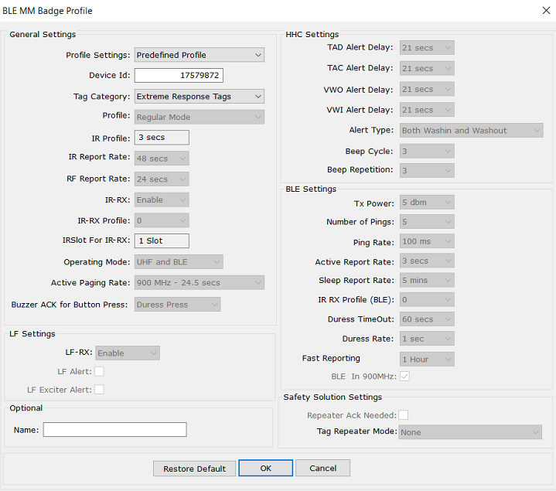
Assumptions |  |  |  |  | Profile Settings | Battery Life (yrs)
Item | Parameter | Assumption |  |  | Predefined Profile: Extreme Response Tags
Profile | Predefined profile settings | Extreme response tags |  |  |  | Motion level | 900 MHz and BLE | w/ BF1 | Low BLE | BLE only* | 900 MHz only* | *Not yet implemented in firmware
Firmware | Firmware version | V24
Motion | Motion level | 38% | 63.8 | hrs/wk |  | 30% | 1.33 | 1.35 | 2.03 | 1.41 | 2.07
 | Motion interrupt interval | 1s
UHF | Star coverage | 40% | 67.2 | hrs/wk |  | 38% | 1.12 | 1.14 | 1.73 | 1.18 | 1.76
 | RF retry rate | 1.5 | tries
IR / LF | IR coverage | 30% | 50.4 | hrs/wk |  | 50% | 0.91 | 0.92 | 1.41 | 0.96 | 1.44
 | IR transitions | 100 | per day
 | LF Exciter coverage | 3% | 5.04 | hrs/wk
 | Door Controller coverage | 0% | 0 | hrs/wk
 | IR + LF coverage | 2% | 3.36 | hrs/wk
I/O | Button press events | 6 | per day
 | Duress events | 2 | per day
BLE | Sessions connected to mobile app | 20 | per year
 | Time connected to app per session | 180s
 | Duress events | 2 | per day
 | Duress timeouts | 0.13689253936 | per day
 | Upgrades | 5 | per year
Storage | Shelf time | 6mo
DC-DC |  | Current draw was measured with 3v input supply. Efficiency can vary with input.

Calculator
Badge Settings & Assumptions
Operating Mode | 900 MHz and BLE
Tag with Supercapacitor | FALSE |  |  |  |  |  |  | Lifetime |  |  |  | Battery | Nominal Capacity (mAh)
Tag with Proximity Sensor | FALSE |  |  |  |  |  |  | Battery Type | CR2032 |  |  | CR2032 | 220
IR Report Rate | 48000 | ms |  |  |  |  |  | Nominal Battery Capacity | 220 | mAh |  | CR2032H | 240
RF Report Rate | 24000 | ms |  |  |  |  |  | # of Batteries in Pack | 3 |  |  | CR2430 | 285
IR Profile | 3 | s |  |  |  |  |  | Nominal Battery Pack Capacity | 676 |  |  | CR2450N | 540
IR-RX | 0 |  |  |  |  |  |  | Derating (Considering Storage) | 0.040147928994 |  |  | CR2450 | 620
Paging Profile | 24500 | ms |  |  |  |  |  | Derated Capacity | 648.86 | mAh |  | CR2477 | 950
Proximity Sensor Rate | N/a | ms |  |  |  |  |  |  |  |  |  | ER32L65 | 1000
LF Receive | TRUE | (TRUE/FALSE) |  |  |  |  |  | Capacity Cost per Day | 1.5213618743 | mAh |  | 1/2AA | 1200
LF Exciter TX Rate | 1000 | ms |  |  |  |  |  |  | 0.0023446689183 | Per Day |  | CR123A | 1500
Door Controller TX Rate | 250 | ms
Security Solutions Mode | FALSE | (TRUE/FALSE) |  |  |  |  |  | Average Total Current (Supply Powered) | 0.062618916792 | mA
Activity Level (Motion) | 38% | 62% | Sleep |  | 63.84 | Hours per Week |  | Average Total Current (Battery Powered) | 0.063390078097 | mA
Motion interrupt interval | 1000 | ms
Star Coverage | 40% | 60% | Paging Activity |  | 67.2 | Hours per Week
RF Retry Rate | 1.5 |  |  |  |  |  |  | Lifetime | 1.2165331361 | Years
IR Coverage | 30% |  |  |  | 50.4 | Hours per Week |  | Derated Lifetime | 1.1676918501 | Years
IR Transitions | 100 | Per Day |  |  |  |  |  |  | 14.012302202 | Months
LF Exciter Coverage | 3% |  |  |  | 5.04 | Hours per Week
Door Controller Coverage | 0% |  | not yet supported by badge |  | 0 | Hours per Week
IR + LF Coverage | 2% |  |  |  | 3.36 | Hours per Week
Button + RF Location + BLE Transitions+1 Blue LED Blink | 3 | Per Day
Button + RF Location + BLE Transitions+IR + 2 Blue LEDs Blink | 3 | Per Day
Duress Events | 2 | Per Day
 |  |  |  |  |  |  |  | Battery Consumers |  |  | BLE
 |  |  |  |  |  |  |  | BLE | 33.76% |  | Average Total Current | 0.021402425174 | mA
 |  |  |  |  |  |  |  | IR Receive | 36.84%
BLE Parameters |  |  |  |  |  |  |  | Sleep | 17.62% |  | Advertisement | 96.85%
BLE in 900 MHz | TRUE |  | not yet supported in estimation |  |  |  |  | Paging Request & response | 4.11% |  | Connection | 0.46%
BLE IR-RX profile | 0 |  |  |  |  |  |  | LF | 2.68% |  | Duress Event | 0.03%
Number of pings | 5 |  |  |  |  |  |  | Motion interrupt | 1.73% |  | Duress Timeout | 0.11%
First ping optimized? | FALSE |  |  |  |  |  |  | Location Data | 1.50% |  | Upgrade | 0.07%
Active report rate in BLE | 3000 | ms |  |  |  |  |  | Battery Leakage | 1.22% |  | Fast Reporting | 2.48%
Sleep report rate in BLE | 300000 | ms |  |  |  |  |  | LBI + Temperature Check | 0.45% |  |  | 100.00%
Duress Rate | 1000 | ms | not yet supported in estimation |  |  |  |  | Button Press | 0.10%
Duress Timeout | 60000 | ms |  |  |  |  |  | DC field WPS | 0.00%
Fast Reporting Rate | 21600 | s |  |  |  |  |  | Proximity Check | 0.00%
No. of Sessions Connected to Mobile App | 20 | Per Year |  |  |  |  |  | TOTAL | 100.00%
Total Time Connected to Mobile App per Session | 180000 | ms
Duress Events per day | 2 | Per Day |  | Duress Event Interval | 43200000 | ms
Duress Timeouts per day | 0.13689253936 | Per Day |  | Duress Timeout Interval | 631152000 | ms
Upgrades per year | 5 | Per Year

Storage
Shelf Time | 6 | Months
Capacity Lost | 0.040147928994

Leakage
Primary Leakage Rate | 0.01 | per year
Super Capacitor Leakage (Max) | 0 | mA

Avg Current | 0.00077116130504 | mA | 1.22% | Of Total

Sleep
Factory / Inventory Sleep | 0.0055 | mA
Awake Sleep (Inactive) | 0.00536 | mA
Awake Sleep LF Disabled (Active) | 0.01706 | mA
Awake Sleep LF Enabled (Active) | 0.02064 | mA

Average Current | 0.0111664 | mA | 17.62% | Of Total

Paging (Up to 2/3 Tries with 6s Interval)
Current | 6.44 | mA
Time | 21.8523 | ms
Active Period (Profile Based) | 15250 | ms
Inactive Period (5 Minutes) | 104000 | ms

Average Current per Count | 1.6287787837E-06 | mA | 1601 | Times per Day
Average Current | 0.0026073441475 | mA | 4.11% | Of Total

Operating Mode | Star Coverage | Motion | Paging | Included in Calculation | Period | Average Current (mA) | Count per Day
900 MHz and BLE | 40% | 38%
900 MHz and BLE | FALSE | FALSE | TRUE | TRUE | 104000 | 0.00050336781858 | 309
900 MHz and BLE | FALSE | TRUE | TRUE | TRUE | 15250 | 0.002103976329 | 1292
900 MHz and BLE | TRUE | FALSE | FALSE | FALSE | 104000 | FALSE | FALSE
900 MHz and BLE | TRUE | TRUE | FALSE | FALSE | 15250 | FALSE | FALSE
900 MHz only | FALSE | FALSE | TRUE | FALSE | 104000 | FALSE | FALSE
900 MHz only | FALSE | TRUE | TRUE | FALSE | 15250 | FALSE | FALSE
900 MHz only | TRUE | FALSE | FALSE | FALSE | 104000 | FALSE | FALSE
900 MHz only | TRUE | TRUE | FALSE | FALSE | 15250 | FALSE | FALSE
BLE only | FALSE | FALSE | FALSE | FALSE | N/a | FALSE | FALSE
BLE only | FALSE | TRUE | FALSE | FALSE | N/a | FALSE | FALSE
BLE only | TRUE | FALSE | FALSE | FALSE | N/a | FALSE | FALSE
BLE only | TRUE | TRUE | FALSE | FALSE | N/a | FALSE | FALSE

TRUE | TRUE | TRUE | FALSE | FALSE |  | FALSE | FALSE

Location Data (Up to 4 Tries with 500ms Interval)
Current | 6.29 | mA
Time | 16.286 | ms
Active No IR Period (RF Report Rate) | 16000 | ms
Active Under IR Period (IR Report Rate) | 32000 | ms
Inactive Period (5 Minutes) | 200000 | ms

Average Current per Count | 1.1857553103E-06 | mA | 801 | Times per Day
Average Current | 0.00094944850602 | mA | 1.50% | Of Total

Operating Mode | Star Coverage | Motion | IR & LF Coverage | Location Transmit | Included in Calculation | Period (ms) | Average Current (mA) | Count per Day
900 MHz and BLE | 40% | 38% | 31%
900 MHz and BLE | FALSE | FALSE | FALSE | FALSE | FALSE | N/a | FALSE | FALSE
900 MHz and BLE | FALSE | FALSE | TRUE | FALSE | FALSE | N/a | FALSE | FALSE
900 MHz and BLE | FALSE | TRUE | FALSE | FALSE | FALSE | N/a | FALSE | FALSE
900 MHz and BLE | FALSE | TRUE | TRUE | FALSE | FALSE | N/a | FALSE | FALSE
900 MHz and BLE | TRUE | FALSE | FALSE | TRUE | TRUE | 200000 | 8.7655585837E-05 | 74
900 MHz and BLE | TRUE | FALSE | TRUE | TRUE | TRUE | 200000 | 3.9381495086E-05 | 33
900 MHz and BLE | TRUE | TRUE | FALSE | TRUE | TRUE | 16000 | 0.0006715548915 | 566
900 MHz and BLE | TRUE | TRUE | TRUE | TRUE | TRUE | 32000 | 0.0001508565336 | 127
900 MHz only | FALSE | FALSE | FALSE | FALSE | FALSE | N/a | FALSE | FALSE
900 MHz only | FALSE | FALSE | TRUE | FALSE | FALSE | N/a | FALSE | FALSE
900 MHz only | FALSE | TRUE | FALSE | FALSE | FALSE | N/a | FALSE | FALSE
900 MHz only | FALSE | TRUE | TRUE | FALSE | FALSE | N/a | FALSE | FALSE
900 MHz only | TRUE | FALSE | FALSE | TRUE | FALSE | 200000 | FALSE | FALSE
900 MHz only | TRUE | FALSE | TRUE | TRUE | FALSE | 200000 | FALSE | FALSE
900 MHz only | TRUE | TRUE | FALSE | TRUE | FALSE | 16000 | FALSE | FALSE
900 MHz only | TRUE | TRUE | TRUE | TRUE | FALSE | 32000 | FALSE | FALSE
BLE only | FALSE | FALSE | FALSE | FALSE | FALSE | N/a | FALSE | FALSE
BLE only | FALSE | FALSE | TRUE | FALSE | FALSE | N/a | FALSE | FALSE
BLE only | FALSE | TRUE | FALSE | FALSE | FALSE | N/a | FALSE | FALSE
BLE only | FALSE | TRUE | TRUE | FALSE | FALSE | N/a | FALSE | FALSE
BLE only | TRUE | FALSE | FALSE | FALSE | FALSE | N/a | FALSE | FALSE
BLE only | TRUE | FALSE | TRUE | FALSE | FALSE | N/a | FALSE | FALSE
BLE only | TRUE | TRUE | FALSE | FALSE | FALSE | N/a | FALSE | FALSE
BLE only | TRUE | TRUE | TRUE | FALSE | FALSE | N/a | FALSE | FALSE

IR
Current (not seeing IR) | 0.370 | mA
Time (not seeing IR) | 319.87 | ms
Current (seeing IR in 1 slot) | 0.350 | mA
Time (seeing IR in 1 slot) | 324.59 | ms
Current (async) | 0.596 | mA
Time (async) | 330.54 | ms
Period 900 MHz Active | 3000 | ms
Period Sleep | 300000 | ms
Period BLE Active | 3000 | ms

Average Current per Count | 1.9089441167E-06 | mA | 11123 | Times per Day
Average Current | 0.021232345474 | mA | 33.49% | Of Total

Operating Mode | Star Coverage | Motion | IR Coverage | IR Receive | Included in Calculation | Period (ms) | Average Current (mA) | Count per Day
900 MHz and BLE | 40% | 38% | 30%
900 MHz and BLE | FALSE | FALSE | FALSE | TRUE | TRUE | 300000 | 0.00017097229095 | 75
900 MHz and BLE | FALSE | FALSE | TRUE | TRUE | TRUE | 300000 | 7.327383898E-05 | 32
900 MHz and BLE | FALSE | TRUE | FALSE | TRUE | TRUE | 3000 | 0.010478946865 | 4596
900 MHz and BLE | FALSE | TRUE | TRUE | TRUE | TRUE | 3000 | 0.0044909772278 | 1970
900 MHz and BLE | TRUE | FALSE | FALSE | TRUE | TRUE | 300000 | 6.8411953125E-05 | 50
900 MHz and BLE | TRUE | FALSE | TRUE | TRUE | TRUE | 300000 | 2.8202978415E-05 | 21
900 MHz and BLE | TRUE | TRUE | FALSE | TRUE | TRUE | 3000 | 0.0041929906754 | 3064
900 MHz and BLE | TRUE | TRUE | TRUE | TRUE | TRUE | 3000 | 0.0017285696448 | 1313
900 MHz only | FALSE | FALSE | FALSE | TRUE | FALSE | 300000 | FALSE | FALSE
900 MHz only | FALSE | FALSE | TRUE | TRUE | FALSE | 300000 | FALSE | FALSE
900 MHz only | FALSE | TRUE | FALSE | TRUE | FALSE | 3000 | FALSE | FALSE
900 MHz only | FALSE | TRUE | TRUE | TRUE | FALSE | 3000 | FALSE | FALSE
900 MHz only | TRUE | FALSE | FALSE | TRUE | FALSE | 300000 | FALSE | FALSE
900 MHz only | TRUE | FALSE | TRUE | TRUE | FALSE | 300000 | FALSE | FALSE
900 MHz only | TRUE | TRUE | FALSE | TRUE | FALSE | 3000 | FALSE | FALSE
900 MHz only | TRUE | TRUE | TRUE | TRUE | FALSE | 3000 | FALSE | FALSE
BLE only | FALSE | FALSE | FALSE | TRUE | FALSE | 300000 | FALSE | FALSE
BLE only | FALSE | FALSE | TRUE | TRUE | FALSE | 300000 | FALSE | FALSE
BLE only | FALSE | TRUE | FALSE | TRUE | FALSE | 3000 | FALSE | FALSE
BLE only | FALSE | TRUE | TRUE | TRUE | FALSE | 3000 | FALSE | FALSE
BLE only | TRUE | FALSE | FALSE | TRUE | FALSE | 300000 | FALSE | FALSE
BLE only | TRUE | FALSE | TRUE | TRUE | FALSE | 300000 | FALSE | FALSE
BLE only | TRUE | TRUE | FALSE | TRUE | FALSE | 3000 | FALSE | FALSE
BLE only | TRUE | TRUE | TRUE | TRUE | FALSE | 3000 | FALSE | FALSE

Marker in Asynchronous mode (IR transition)
Long IR Current | 0.672 | mA
Long IR Time | 2724.97 | ms
Period | 864000 | ms

Average Current per Count | 2.1194009261E-05 | mA | 100 | Times per Day
Average Current | 0.0021194009261 | mA | 3.34% | Of Total

LF Receive (interrupt)
Current (Door Controller Field) |  | mA
Time (Door Controller Field) |  | ms
Period (Door Controller Field) | 250 | ms
Current (LF Exciter) | 2.8560236 | mA
Time (LF Exciter) | 19.8285 | ms
Period (LF Exciter) | 1000 | ms

Average Current per Count | 6.5544749945E-07 | mA | 2592 | Times per Day
Average Current | 0.0016989199186 | mA | 2.68% | Of Total

Operating Mode | Motion | DC LF Field | LF Exciter Field | LF RX Enabled | LF Decode | Included in Calculation | Period (ms) | Average Current (mA) | Count per Day
900 MHz and BLE | 38% | 0% | 3% | TRUE
900 MHz and BLE | FALSE | FALSE | FALSE | TRUE | FALSE | FALSE |  | FALSE | FALSE
900 MHz and BLE | FALSE | FALSE | TRUE | TRUE | TRUE | TRUE | 1000 | 0.0010533303495 | 1607
900 MHz and BLE | FALSE | TRUE | FALSE | TRUE | TRUE | TRUE | 250 | 0 | 0
900 MHz and BLE | TRUE | FALSE | FALSE | TRUE | FALSE | FALSE |  | FALSE | FALSE
900 MHz and BLE | TRUE | FALSE | TRUE | TRUE | TRUE | TRUE | 1000 | 0.00064558956906 | 985
900 MHz and BLE | TRUE | TRUE | FALSE | TRUE | TRUE | TRUE | 250 | 0 | 0
900 MHz only | FALSE | FALSE | FALSE | TRUE | FALSE | FALSE |  | FALSE | FALSE
900 MHz only | FALSE | FALSE | TRUE | TRUE | TRUE | FALSE | 1000 | FALSE | FALSE
900 MHz only | FALSE | TRUE | FALSE | TRUE | TRUE | FALSE | 250 | FALSE | FALSE
900 MHz only | TRUE | FALSE | FALSE | TRUE | FALSE | FALSE |  | FALSE | FALSE
900 MHz only | TRUE | FALSE | TRUE | TRUE | TRUE | FALSE | 1000 | FALSE | FALSE
900 MHz only | TRUE | TRUE | FALSE | TRUE | TRUE | FALSE | 250 | FALSE | FALSE
BLE only | FALSE | FALSE | FALSE | TRUE | FALSE | FALSE |  | FALSE | FALSE
BLE only | FALSE | FALSE | TRUE | TRUE | TRUE | FALSE | 1000 | FALSE | FALSE
BLE only | FALSE | TRUE | FALSE | TRUE | TRUE | FALSE | 250 | FALSE | FALSE
BLE only | TRUE | FALSE | FALSE | TRUE | FALSE | FALSE |  | FALSE | FALSE
BLE only | TRUE | FALSE | TRUE | TRUE | TRUE | FALSE | 1000 | FALSE | FALSE
BLE only | TRUE | TRUE | FALSE | TRUE | TRUE | FALSE | 250 | FALSE | FALSE

TRUE | TRUE | TRUE | TRUE | TRUE | FALSE | 2000 | FALSE | FALSE

Button Press (Button + RF Location + BLE Transitions + 1 Blue LED Blink)
Current | 0.256 | mA
Time | 2844 | ms
Period | 28800000 | ms

Average Current per Count | 8.4149483333E-06 | mA | 3 | Times per Day
Average current | 2.5244845E-05 | mA | 0.04% | Of Total

Button Press (Button + RF Location + BLE Transitions +IR+Blue LEDs Blink)
Current | 0.285 | mA
Time | 3827.9633333 | ms
Period | 28800000 | ms

Average Current per Count | 1.2634701014E-05 | mA | 3 | Times per Day
Average current | 3.7904103042E-05 | mA | 0.06% | Of Total

BLE (Advertisement)
Current | 0.415 | mA | 5 pings (default)
Time | 444.705 | ms
Current | 0.460 | mA | 4 pings
Time | 333.544 | ms
Current | 0.513 | mA | 3 pings
Time | 228.435 | ms
Current | 0.675 | mA | 2 pings
Time | 127.759 | ms
Current | 3.958 | mA | 1 ping
Time | 14.233 | ms
Current | 3.896 | mA | 1 ping optimized
Time | 11.825 | ms
Current | 0.393 | mA | 5 pings optimized
Time | 443.355 | ms
FINAL Current | 0.415 | mA
FINAL Time | 444.705 | ms
Active Period | 3000 | ms
Inactive Period | 300000 | ms

Average Current per Count | 2.1382226202E-06 | mA | 9694 | Times per Day
Average current | 0.020728835182 | mA | 32.70% | Of Total

BLE Enabled | Star Coverage | Motion | IR Coverage | LF Exciter Field | BLE location Transmit | Include in Calculation | Period (ms) | Average Current (mA) | Count per Day
TRUE | 40% | 38% | 30% | 3%
FALSE | FALSE | FALSE | FALSE | FALSE | FALSE | FALSE | 300000 | FALSE | FALSE
FALSE | FALSE | FALSE | FALSE | TRUE | FALSE | FALSE | 300000 | FALSE | FALSE
FALSE | FALSE | FALSE | TRUE | FALSE | FALSE | FALSE | 300000 | FALSE | FALSE
FALSE | FALSE | FALSE | TRUE | TRUE | FALSE | FALSE | 300000 | FALSE | FALSE
FALSE | FALSE | TRUE | FALSE | FALSE | FALSE | FALSE | 3000 | FALSE | FALSE
FALSE | FALSE | TRUE | FALSE | TRUE | FALSE | FALSE | 3000 | FALSE | FALSE
FALSE | FALSE | TRUE | TRUE | FALSE | FALSE | FALSE | 3000 | FALSE | FALSE
FALSE | FALSE | TRUE | TRUE | TRUE | FALSE | FALSE | 3000 | FALSE | FALSE
FALSE | TRUE | FALSE | FALSE | FALSE | FALSE | FALSE | 300000 | FALSE | FALSE
FALSE | TRUE | FALSE | FALSE | TRUE | FALSE | FALSE | 300000 | FALSE | FALSE
FALSE | TRUE | FALSE | TRUE | FALSE | FALSE | FALSE | 300000 | FALSE | FALSE
FALSE | TRUE | FALSE | TRUE | TRUE | FALSE | FALSE | 300000 | FALSE | FALSE
FALSE | TRUE | TRUE | FALSE | FALSE | FALSE | FALSE | 3000 | FALSE | FALSE
FALSE | TRUE | TRUE | FALSE | TRUE | FALSE | FALSE | 3000 | FALSE | FALSE
FALSE | TRUE | TRUE | TRUE | FALSE | FALSE | FALSE | 3000 | FALSE | FALSE
FALSE | TRUE | TRUE | TRUE | TRUE | FALSE | FALSE | 3000 | FALSE | FALSE
TRUE | FALSE | FALSE | FALSE | FALSE | TRUE | TRUE | 300000 | 0.00015554574006 | 73
TRUE | FALSE | FALSE | FALSE | TRUE | TRUE | TRUE | 300000 | 4.8106929915E-06 | 2
TRUE | FALSE | FALSE | TRUE | FALSE | TRUE | TRUE | 300000 | 6.6662460025E-05 | 31
TRUE | FALSE | FALSE | TRUE | TRUE | TRUE | TRUE | 300000 | 2.0617255678E-06 | 1
TRUE | FALSE | TRUE | FALSE | FALSE | TRUE | TRUE | 3000 | 0.0095334485842 | 4459
TRUE | FALSE | TRUE | FALSE | TRUE | TRUE | TRUE | 3000 | 0.00029484892528 | 138
TRUE | FALSE | TRUE | TRUE | FALSE | TRUE | TRUE | 3000 | 0.0040857636789 | 1911
TRUE | FALSE | TRUE | TRUE | TRUE | TRUE | TRUE | 3000 | 0.00012636382512 | 59
TRUE | TRUE | FALSE | FALSE | FALSE | TRUE | TRUE | 300000 | 0.00010369716004 | 48
TRUE | TRUE | FALSE | FALSE | TRUE | FALSE | FALSE | 300000 | FALSE | FALSE
TRUE | TRUE | FALSE | TRUE | FALSE | FALSE | FALSE | 300000 | FALSE | FALSE
TRUE | TRUE | FALSE | TRUE | TRUE | FALSE | FALSE | 300000 | FALSE | FALSE
TRUE | TRUE | TRUE | FALSE | FALSE | TRUE | TRUE | 3000 | 0.0063556323894 | 2972
TRUE | TRUE | TRUE | FALSE | TRUE | FALSE | FALSE | 3000 | FALSE | FALSE
TRUE | TRUE | TRUE | TRUE | FALSE | FALSE | FALSE | 3000 | FALSE | FALSE
TRUE | TRUE | TRUE | TRUE | TRUE | FALSE | FALSE | 3000 | FALSE | FALSE

BLE (Connection Event)
Current | 0.8573336 | mA
Length | 180000 | ms
Period | 1577880000 | ms

Average Current per Count | 0.0017861116667 | mA | 0.054757015743 | Times per Day
Average current | 9.780214465E-05 | mA | 0.15% | Of Total

LBI check |  |  | (Every 1 hr)
Current | 4.9623336 | mA
Time | 65.7799 | ms
Period | 3600000 | ms

Average Current per Count | 3.7780301849E-06 | mA | 24 | Times per Day
Average Current | 9.0672724437E-05 | mA | 0.14% | Of Total

Temperature check |  |  | (Every 1 min in awake sleep and every 5 min in LBS)
Current | 3.4589336 | mA
Time | 3.32233 | ms
Period | 60000 | ms

Average Current per Count | 1.3300600541E-07 | mA | 1440 | Times per Day
Average Current | 0.00019152864779 | mA | 0.30% | Of Total

BLE Duress Event
Current | 0.2324336 | mA
Time | 999.81 | ms
Period | 43200000 | ms

Average Current per Count | 2.689692565E-06 | mA | 2 | Times per Day
Average Current | 5.37938513E-06 | mA | 0.01% | Of Total

BLE Upgrade
Current | 4.7652836 | mA
Time | 20911.4 | ms
Period | 6311520000 | ms

Average Current per Count | 0.0011533420309 | mA | 0.0136893 | Times per Day
Average Current | 1.5788391936E-05 | mA | 0.02% | Of Total

BLE Duress Timeout
Current | 0.2555336 | mA
Time | 60000 | ms
Period | 631152000 | ms

Average Current per Count | 0.00017745388889 | mA | 0.1368925 | Times per Day
Average Current | 2.4292113469E-05 | mA | 0.04% | Of Total

BLE Fast Reporting
Current | 0.1912336 | mA
Time | 59901 | ms
Period | 21600000 | ms

Average Current per Count | 0.00013258198928 | mA | 4 | Times per Day
Average Current | 0.00053032795711 | mA | 0.84% | Of Total

Motion Interrupt
Current | 3.1401402667 | mA
Time | 0.919572 | ms
Period | 1000 | ms

Average Current per Count | 3.3421123441E-08 | mA | 32832 | Times per Day
Average Current | 0.0010972823248 | mA | 1.73% | Of Total

Current Consumption
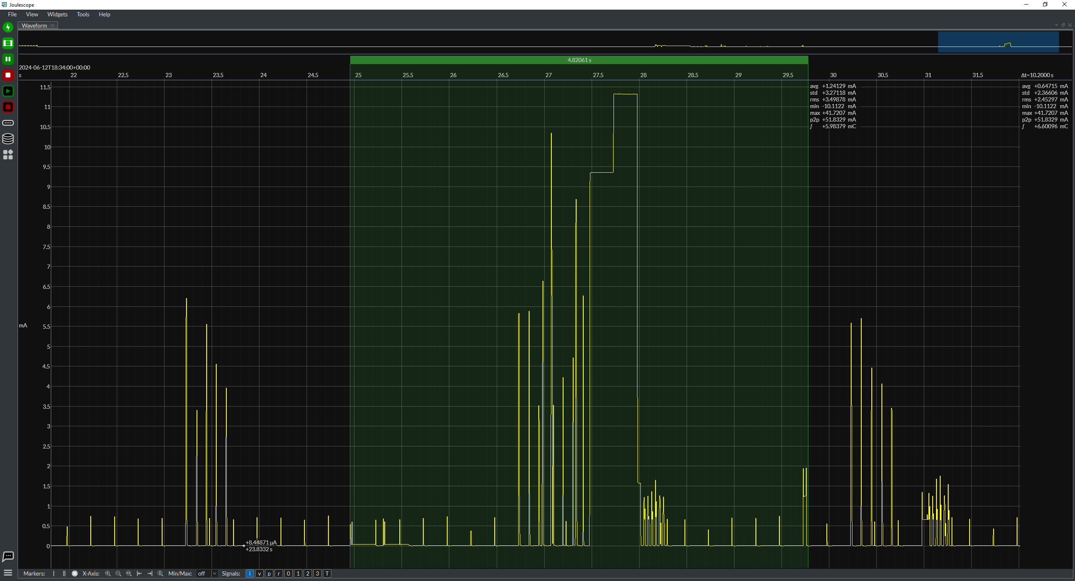
Factory / Inventory Sleep (Includes LF Check every 2 minutes)
 |  |  |  |  |  |  |  |  |  | Factory Sleep | Value | Unit
 |  |  |  |  |  |  |  |  |  | Average Current | 0.0055 | mA

Factory sleep |  |  |  |  |  |  |  | LF check every 2 minutes
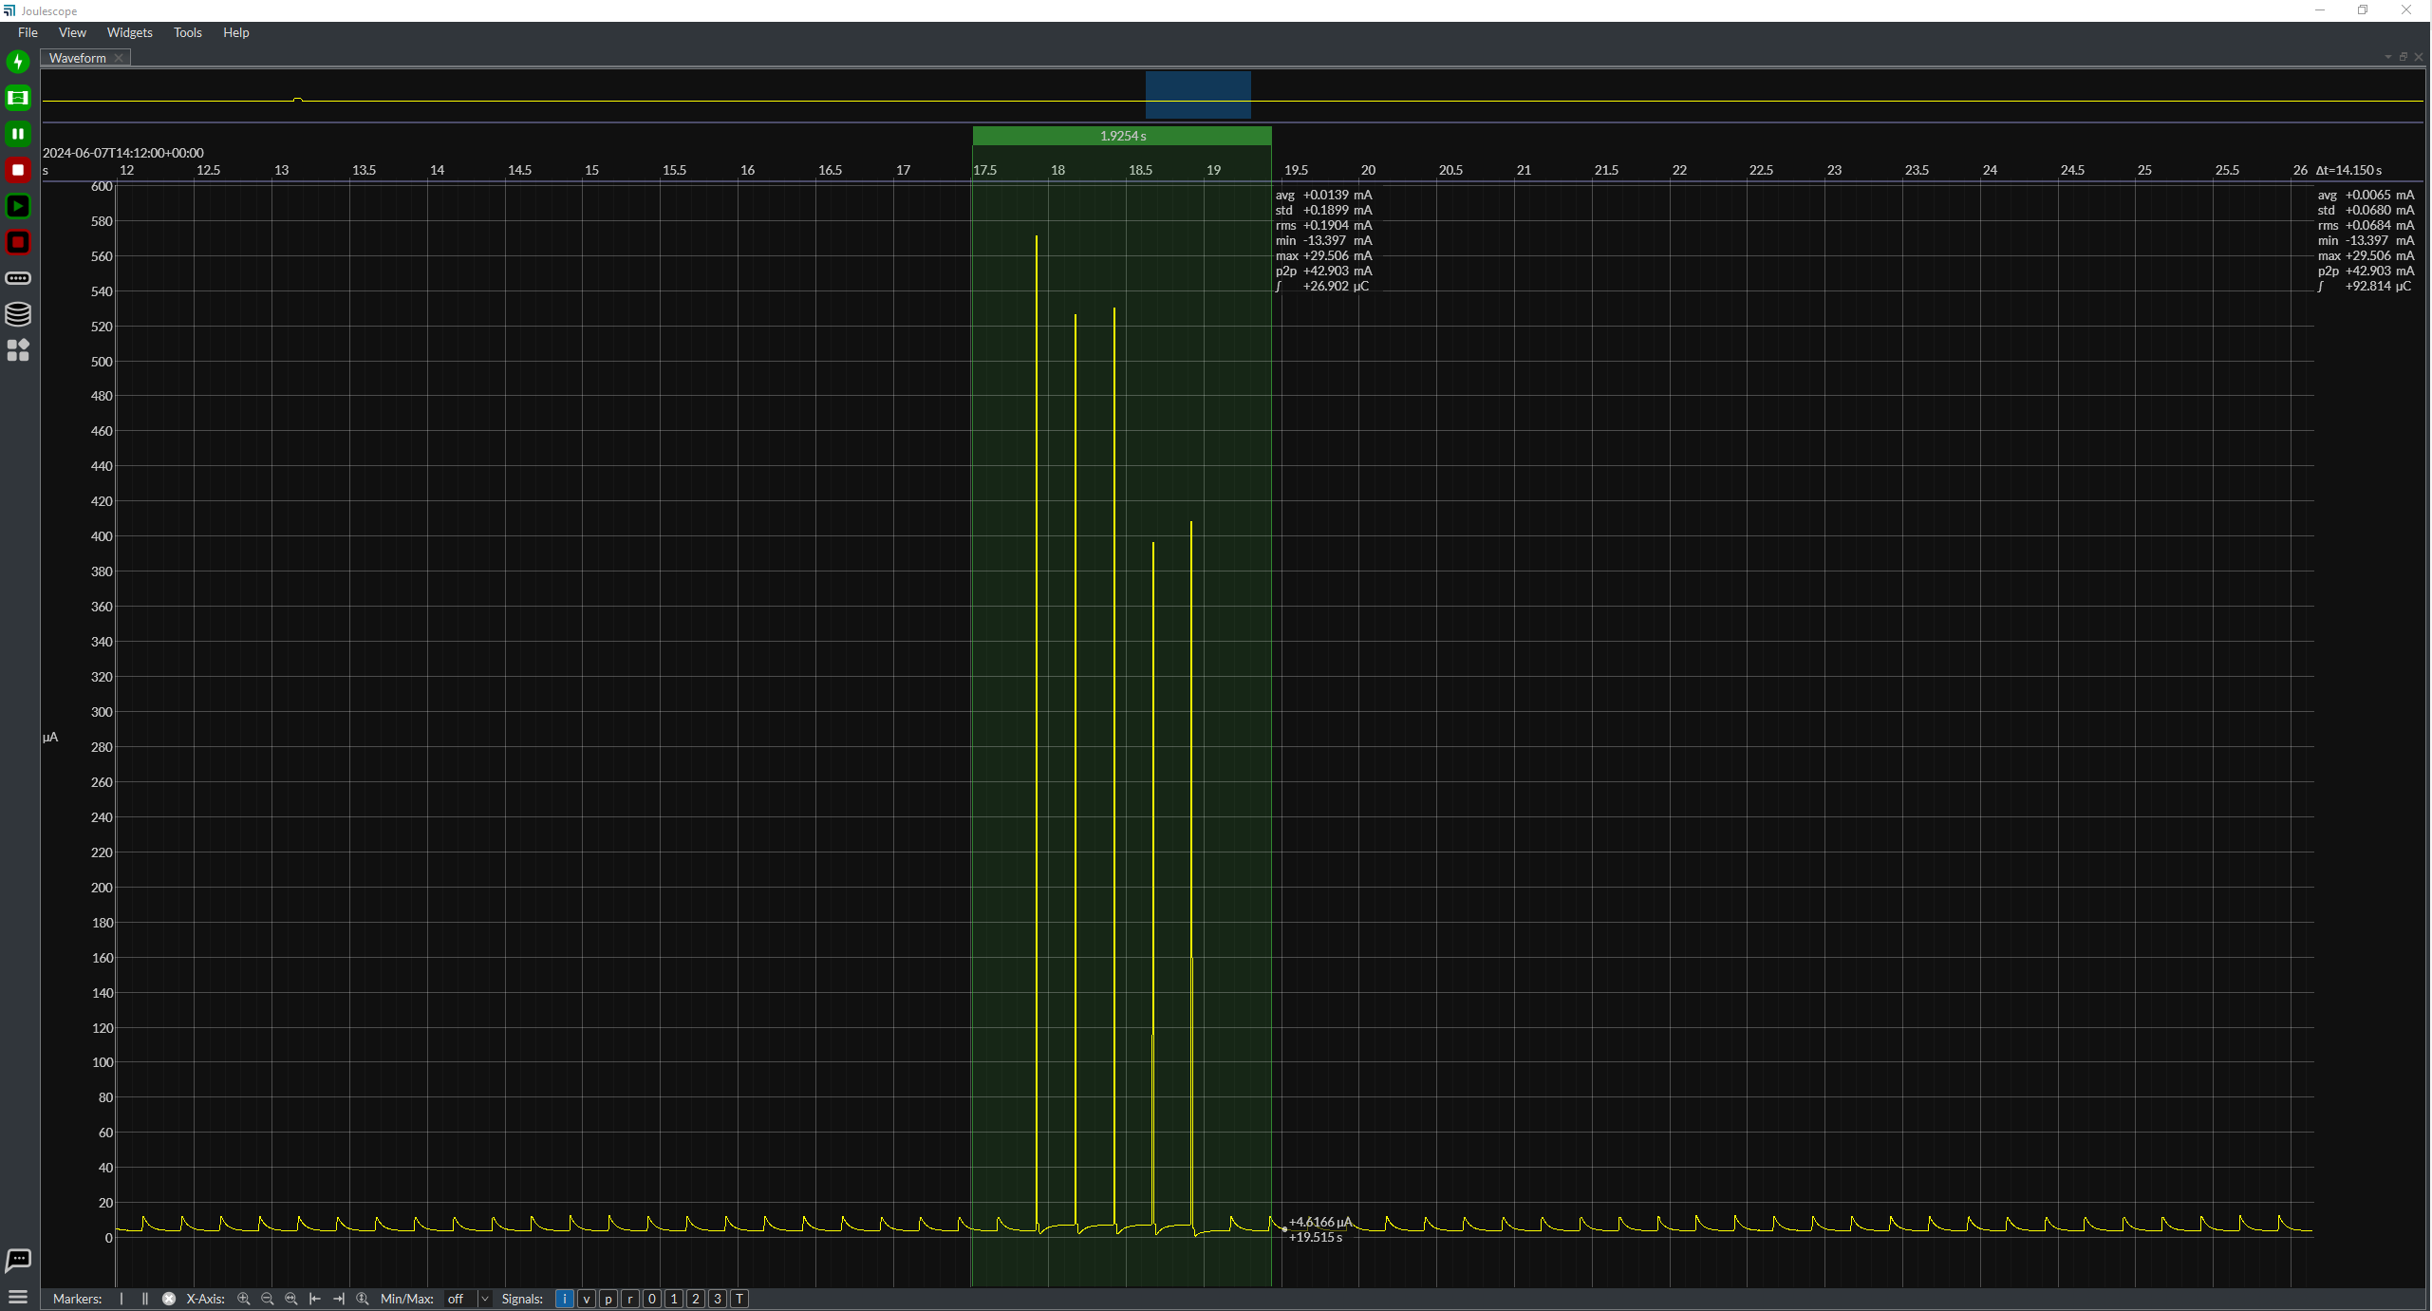

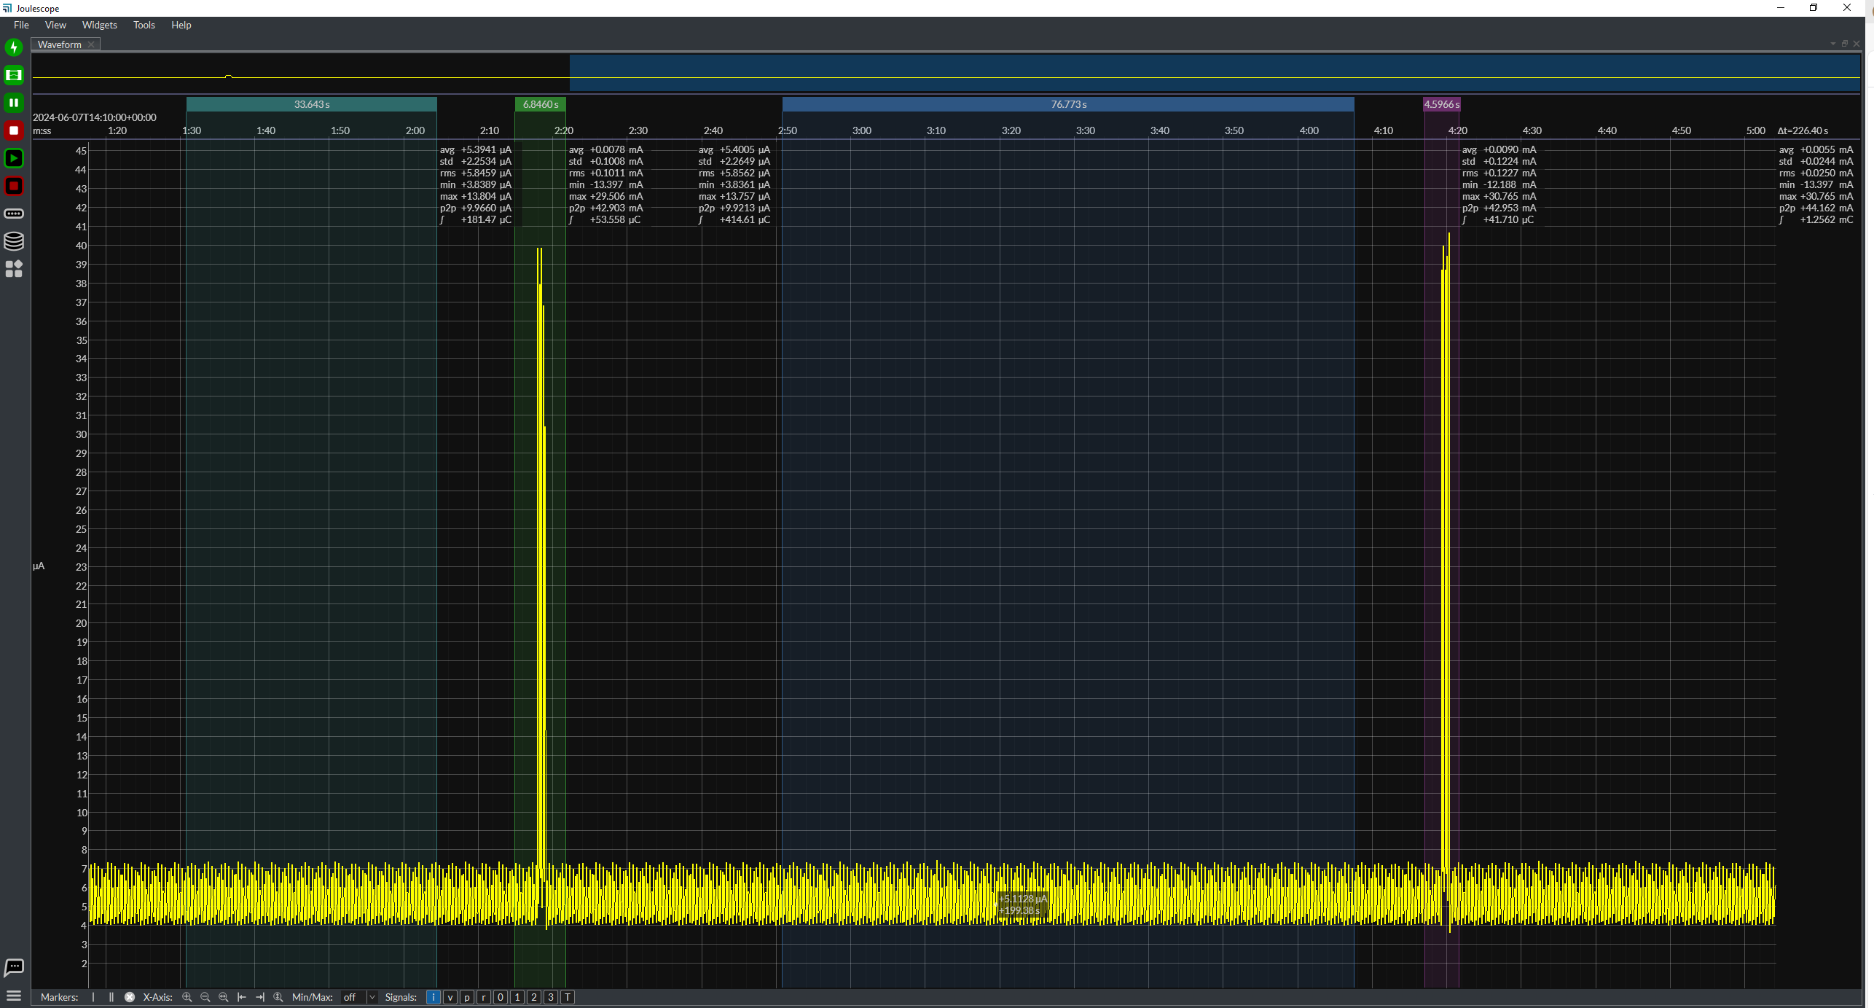

Awake Sleep (Inactive - Between Paging Requests)

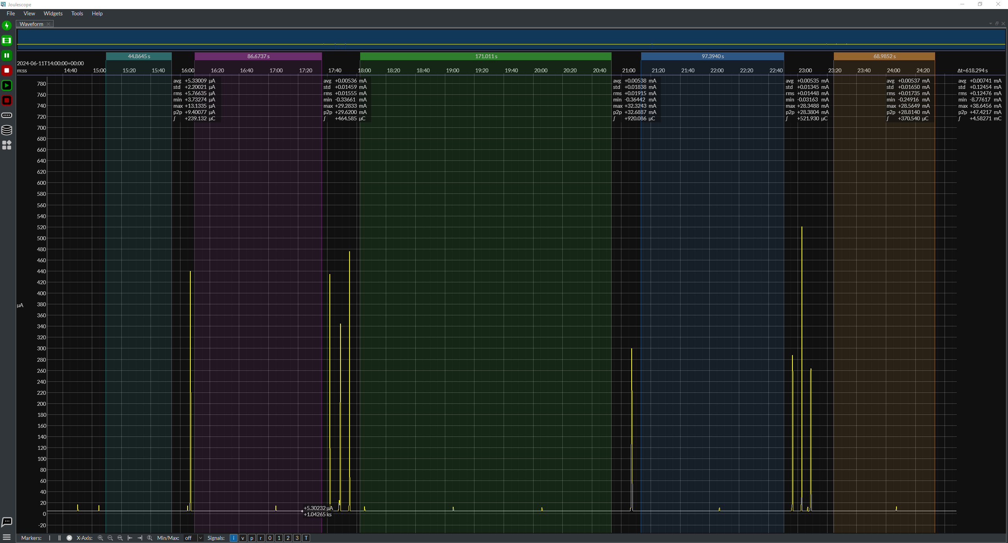
 |  |  |  |  |  |  |  |  |  | Awake Sleep (Inactive) | Value | Unit
 |  |  |  |  |  |  |  |  |  | Current | 0.00536 | mA

Awake Sleep (Inactive - Between 5min LocationTx)

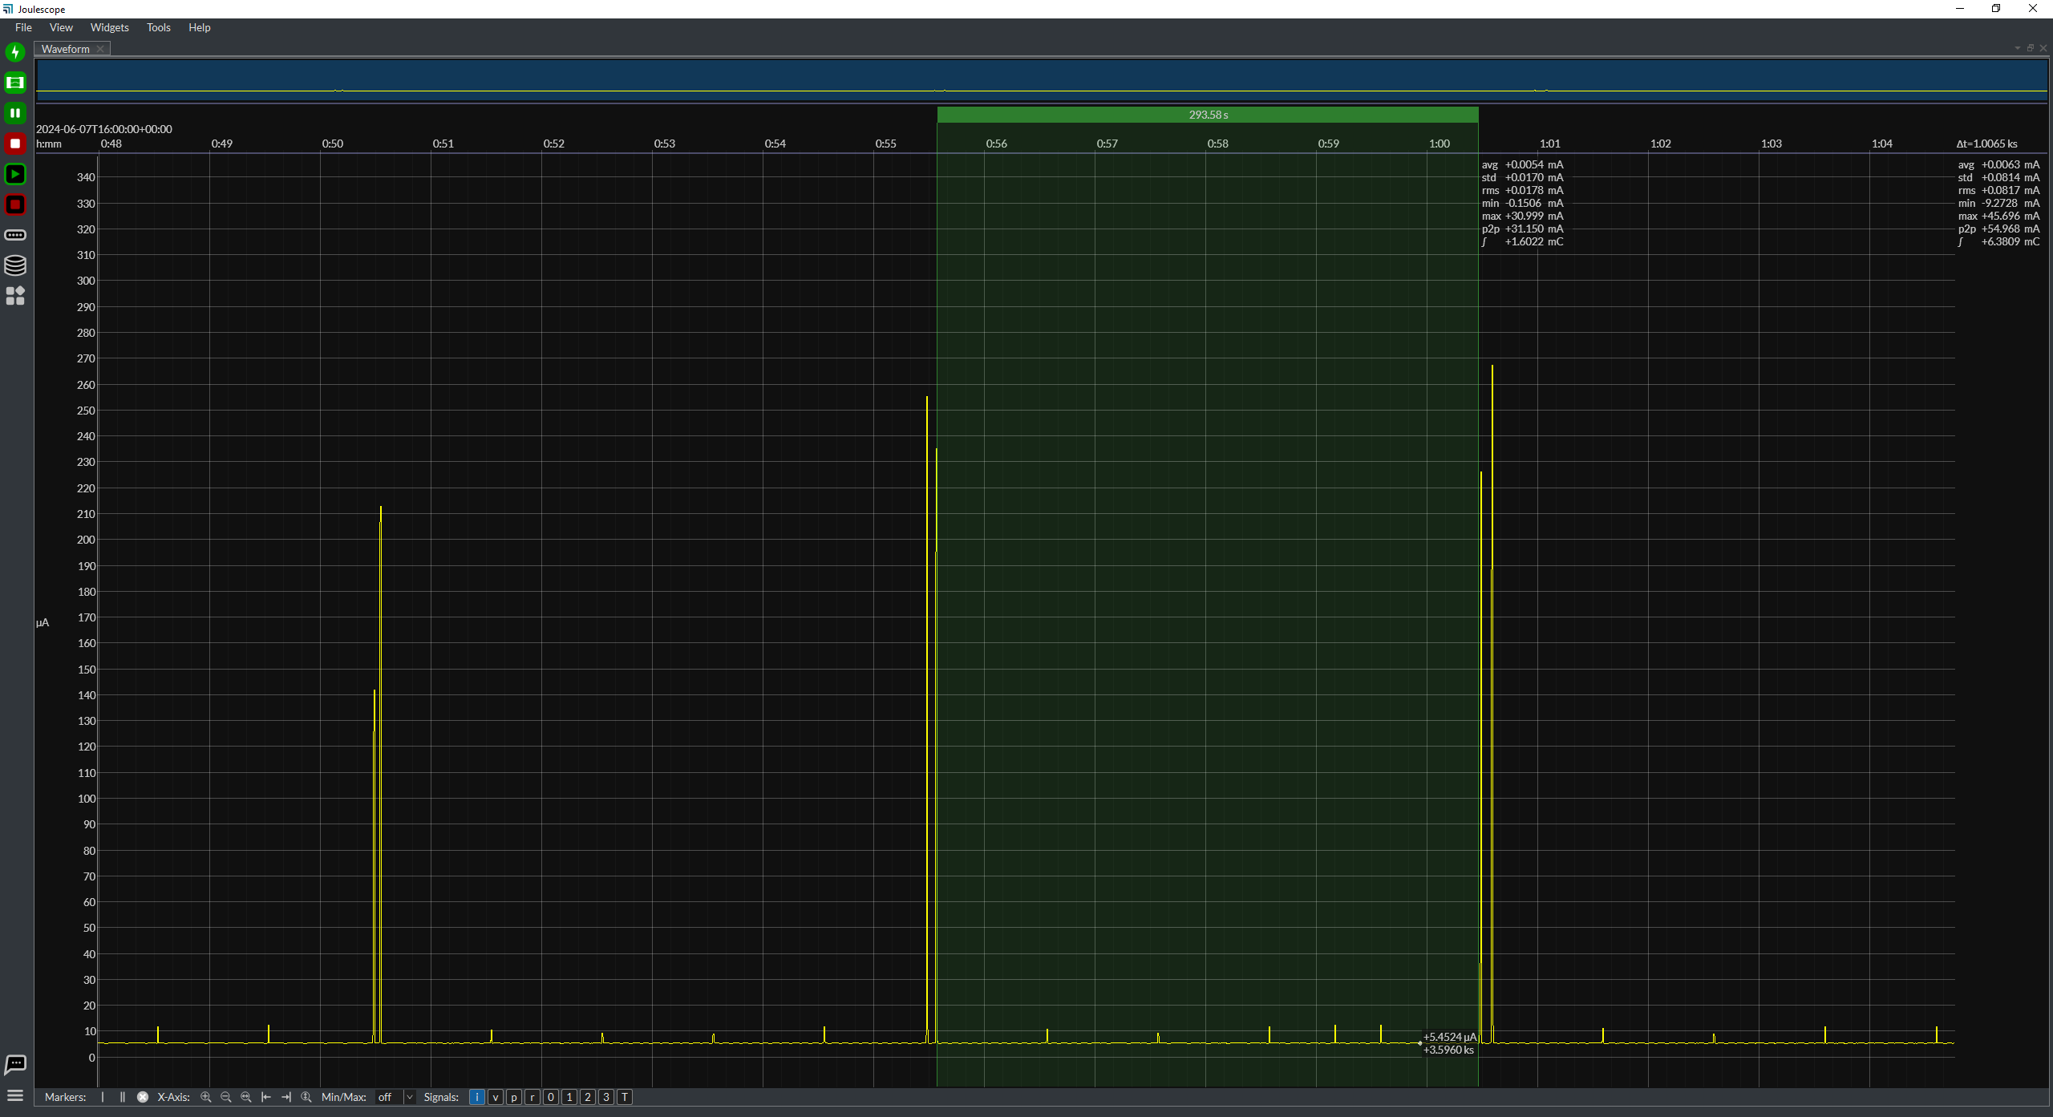
 |  |  |  |  |  |  |  |  |  | Awake Sleep (Inactive) | Value | Unit
 |  |  |  |  |  |  |  |  |  | Current | 0.0054 | mA

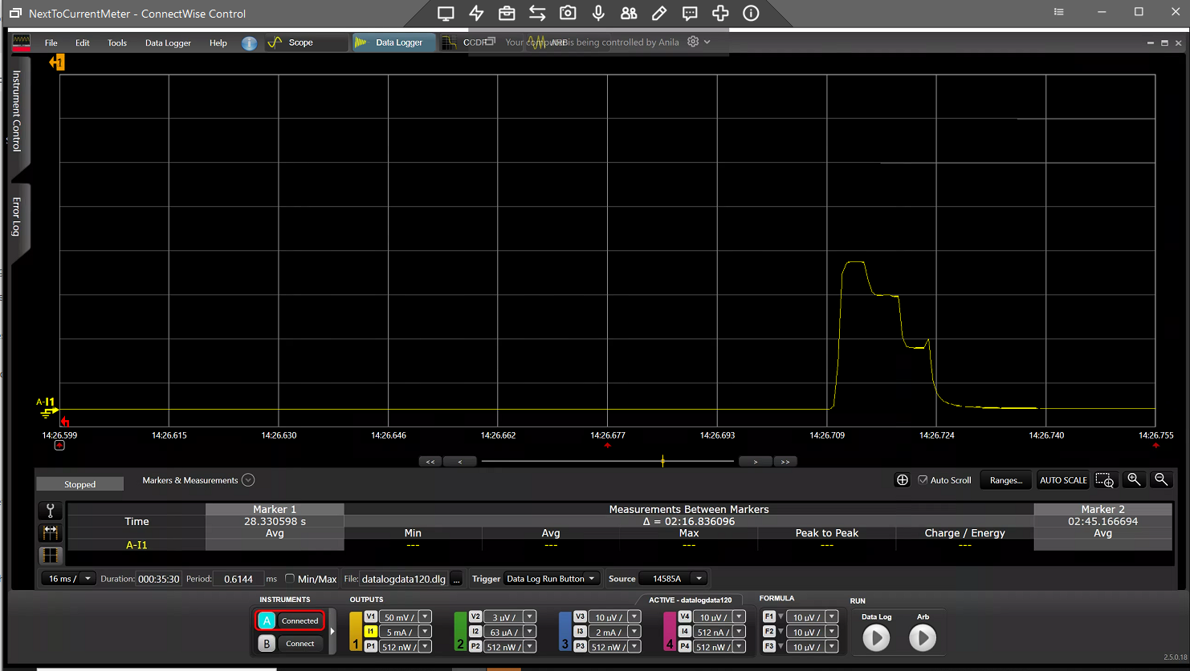

Awake Sleep with LF Disabled (Active - Between IR)
 | 1 | 2 | 3 | 4 | 5 | AVG
Average Current (mA) | 0.01795 | 0.01913 | 0.01536 | 0.01753 | 0.01533 | 0.01706

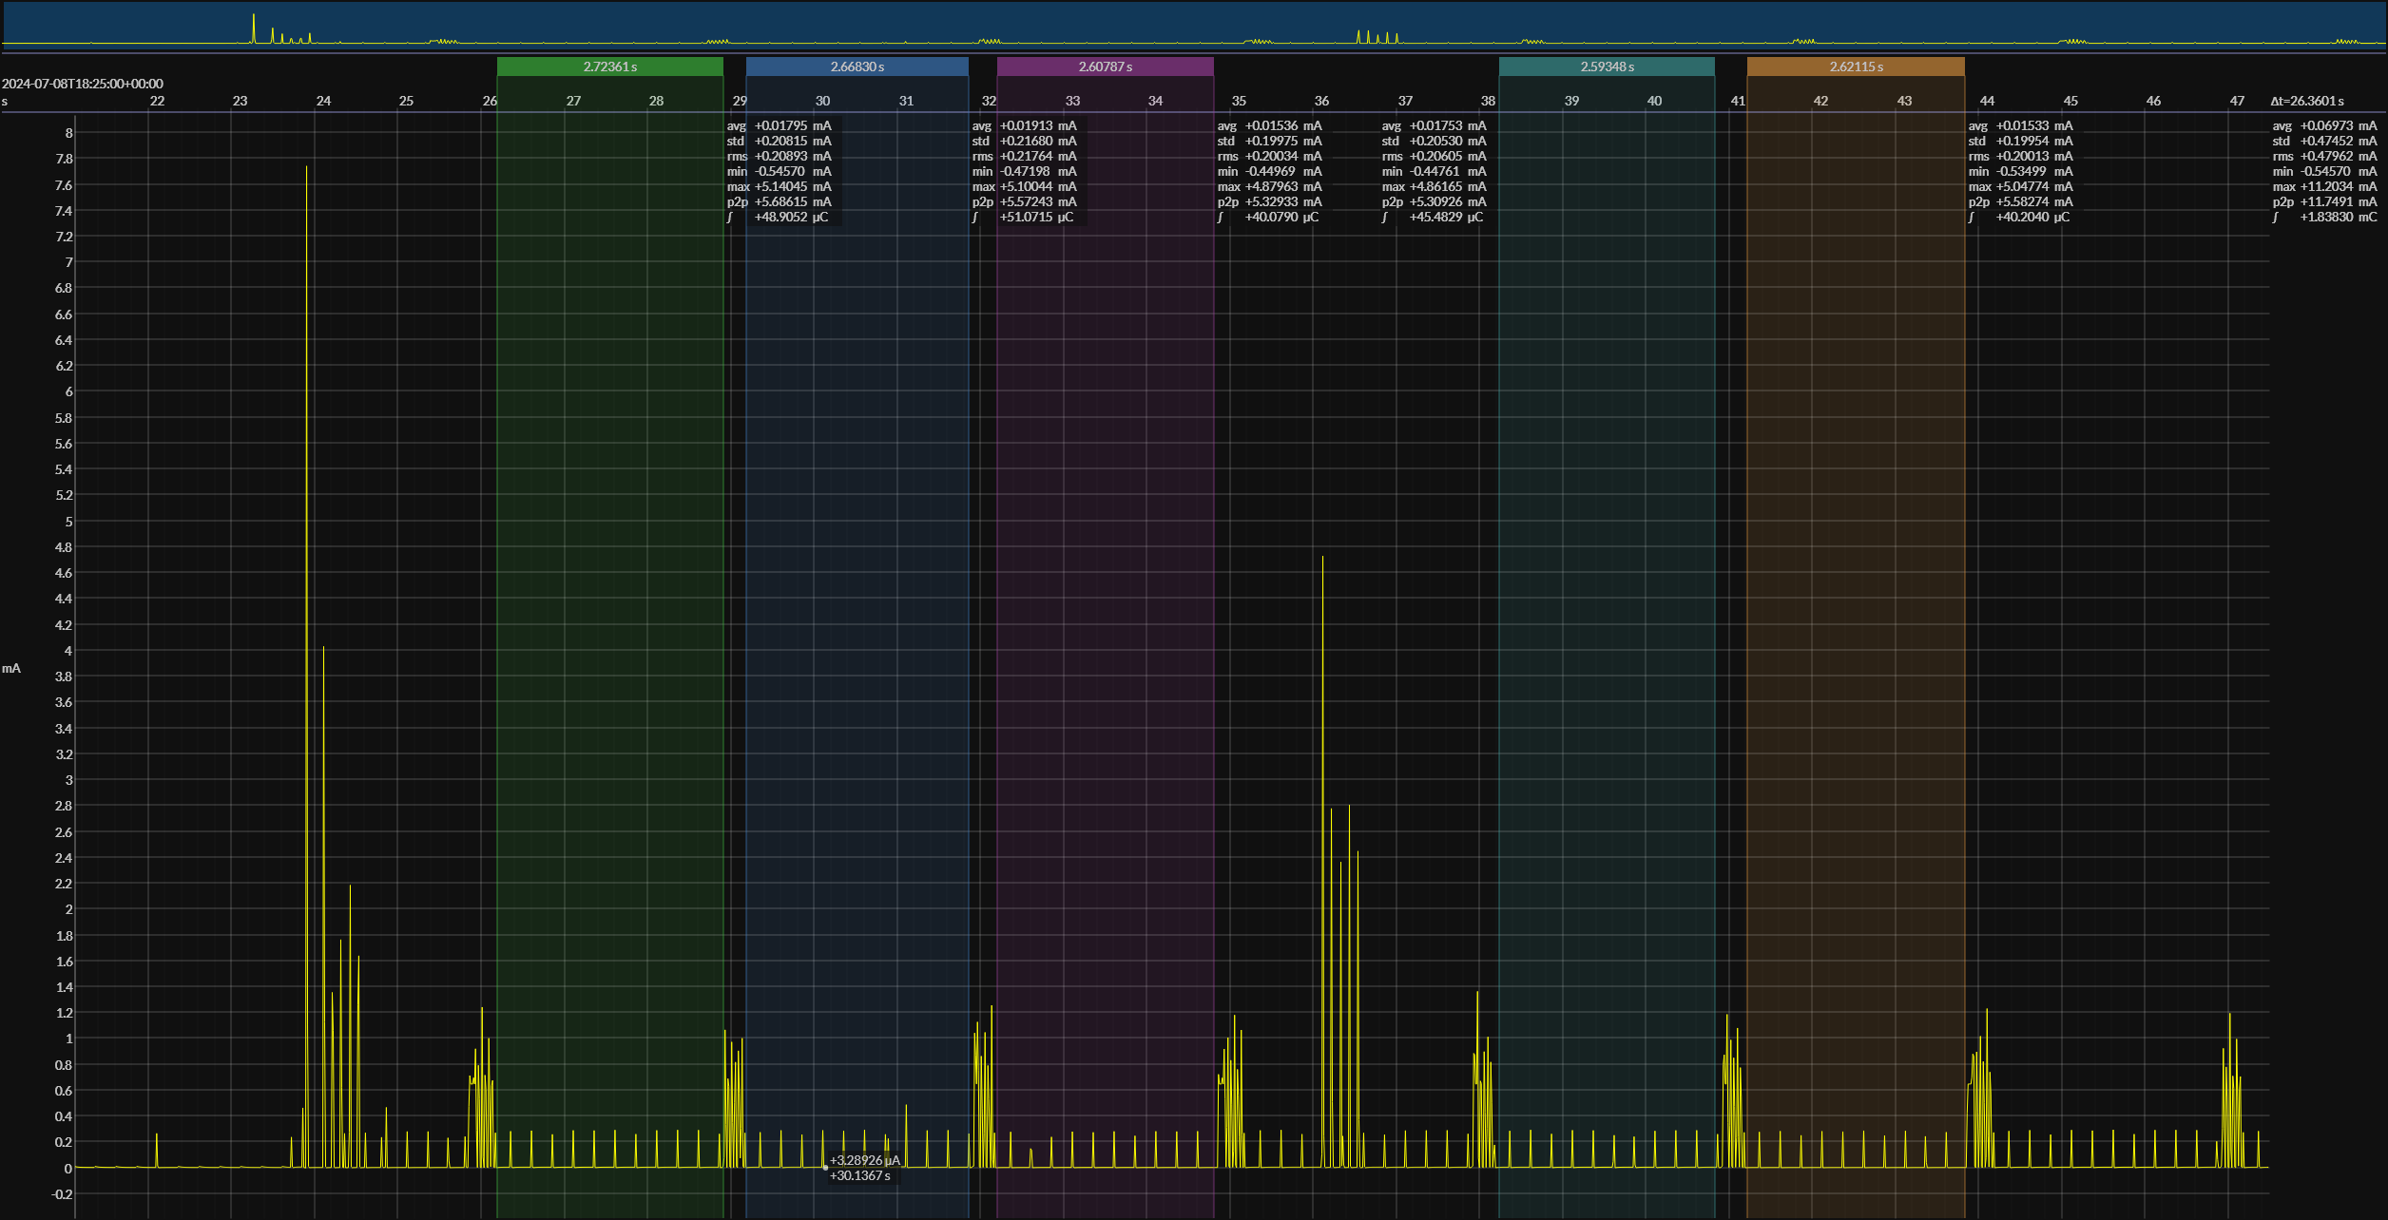

Awake Sleep with LF Enabled (Active - Between IR)
 | 1 | 2 | 3 | 4 | 5 | AVG
Average Current (mA) | 0.02283 | 0.01901 | 0.02123 | 0.01912 | 0.02101 | 0.02064

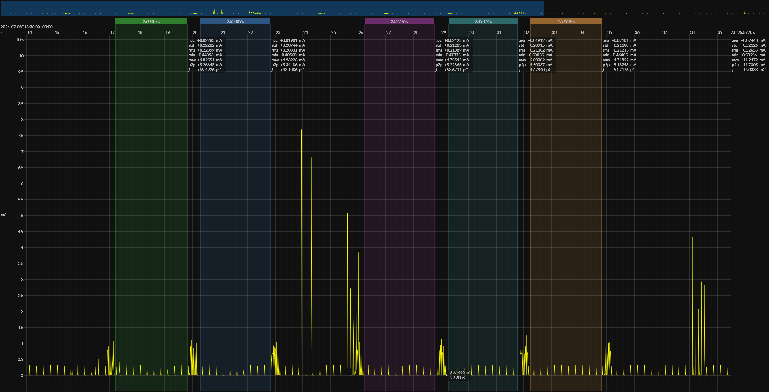

Page Request (Without Response)

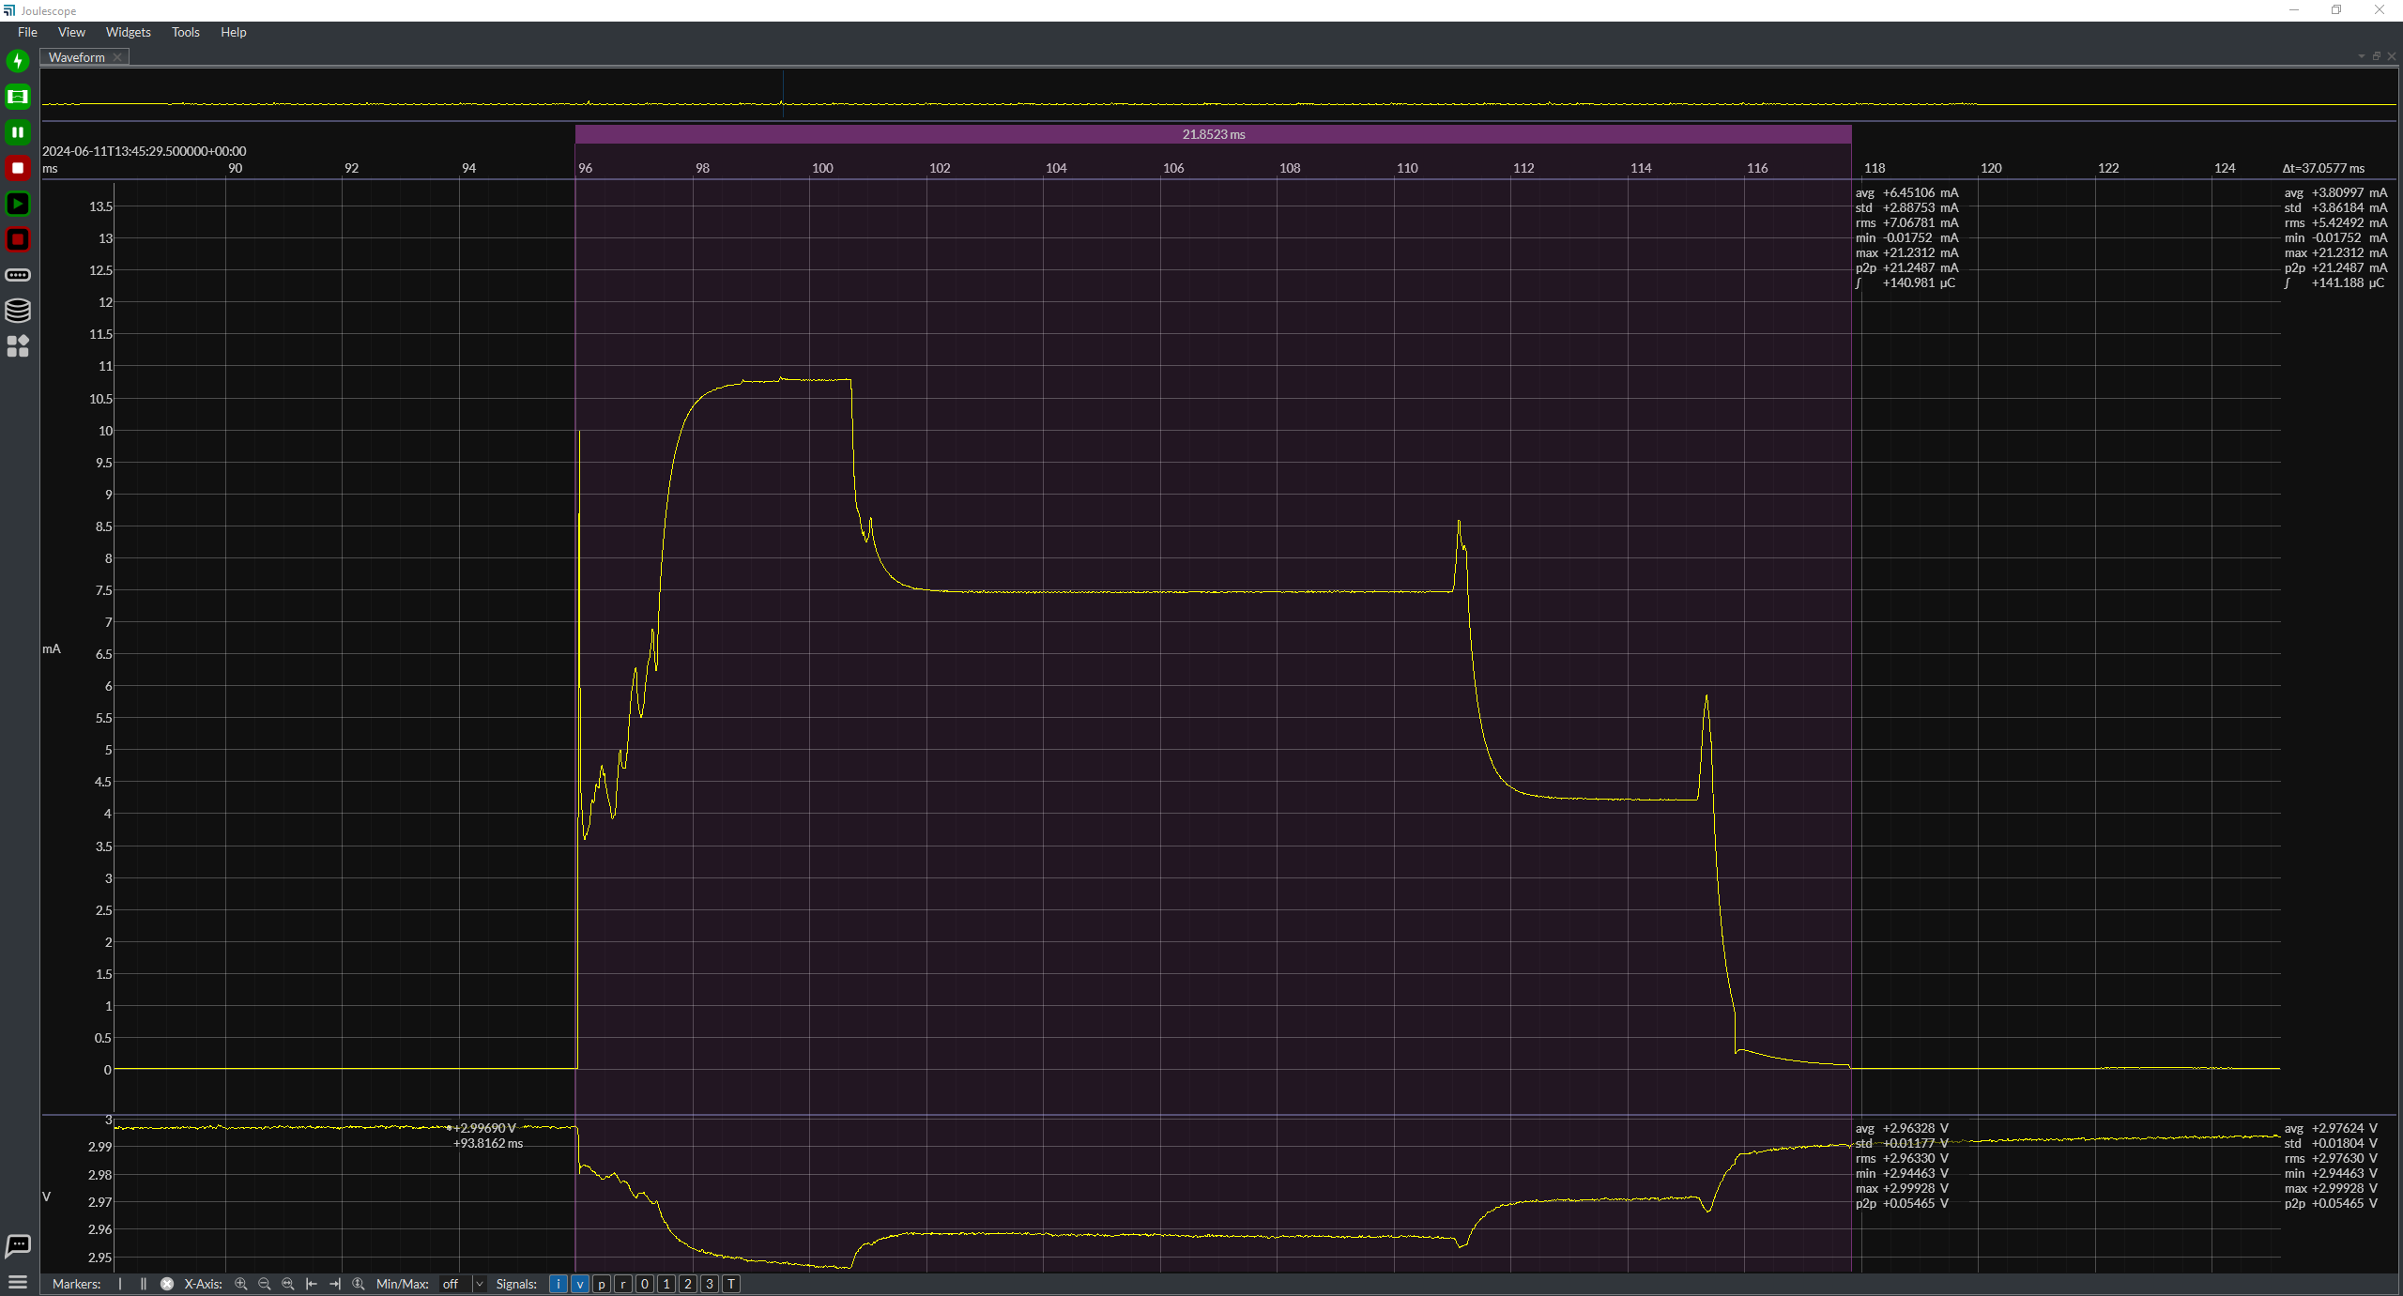
 |  |  |  |  |  |  |  |  |  | Page Reqest and Response | Value | Unit
 |  |  |  |  |  |  |  |  |  | Average current per pulse | 6.45106 | mA
 |  |  |  |  |  |  |  |  |  | Average Time per pulse | 21.8523 | ms

Paging Interval pairs
REG motion

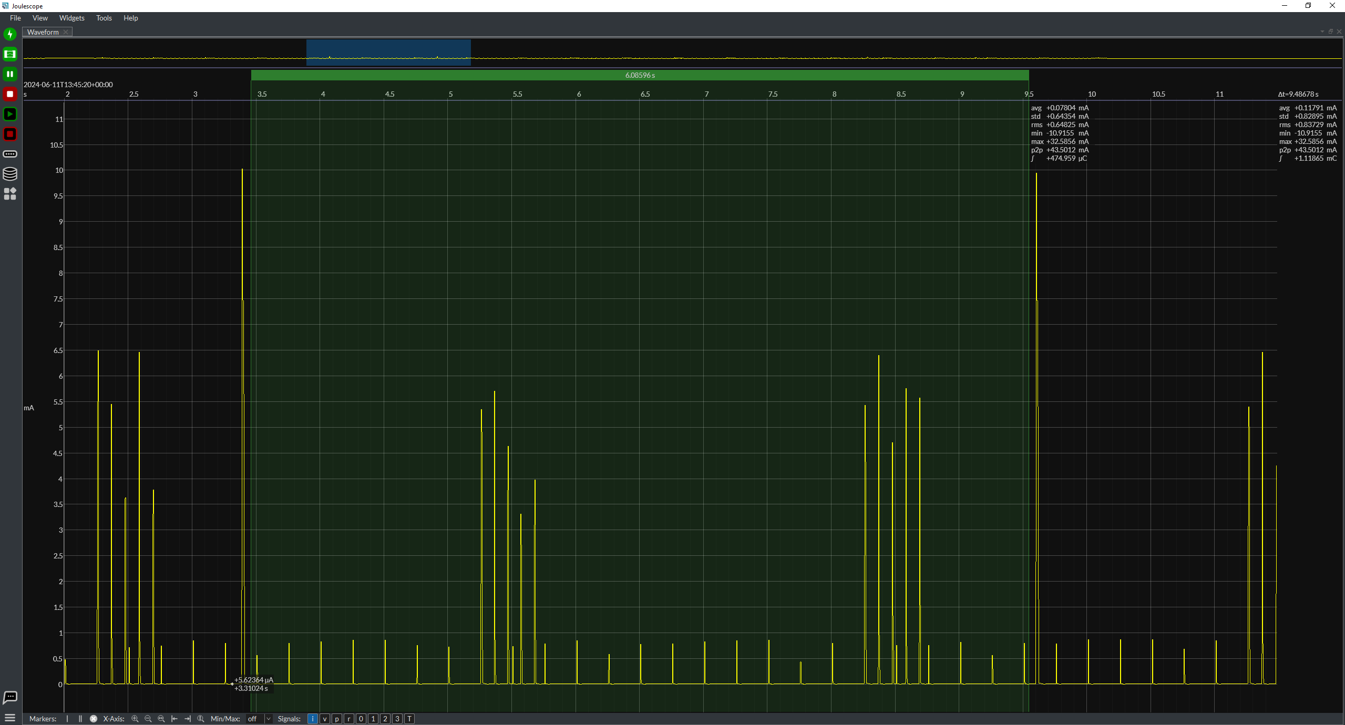
 |  |  |  |  |  |  |  |  |  | Page Reqest and Response | Value | Unit
 |  |  |  |  |  |  |  |  |  | Average current per pulse | 0.07804 | mA
 |  |  |  |  |  |  |  |  |  | Average Time per pulse | 6085.96 | ms

Paging Interval REG sleep

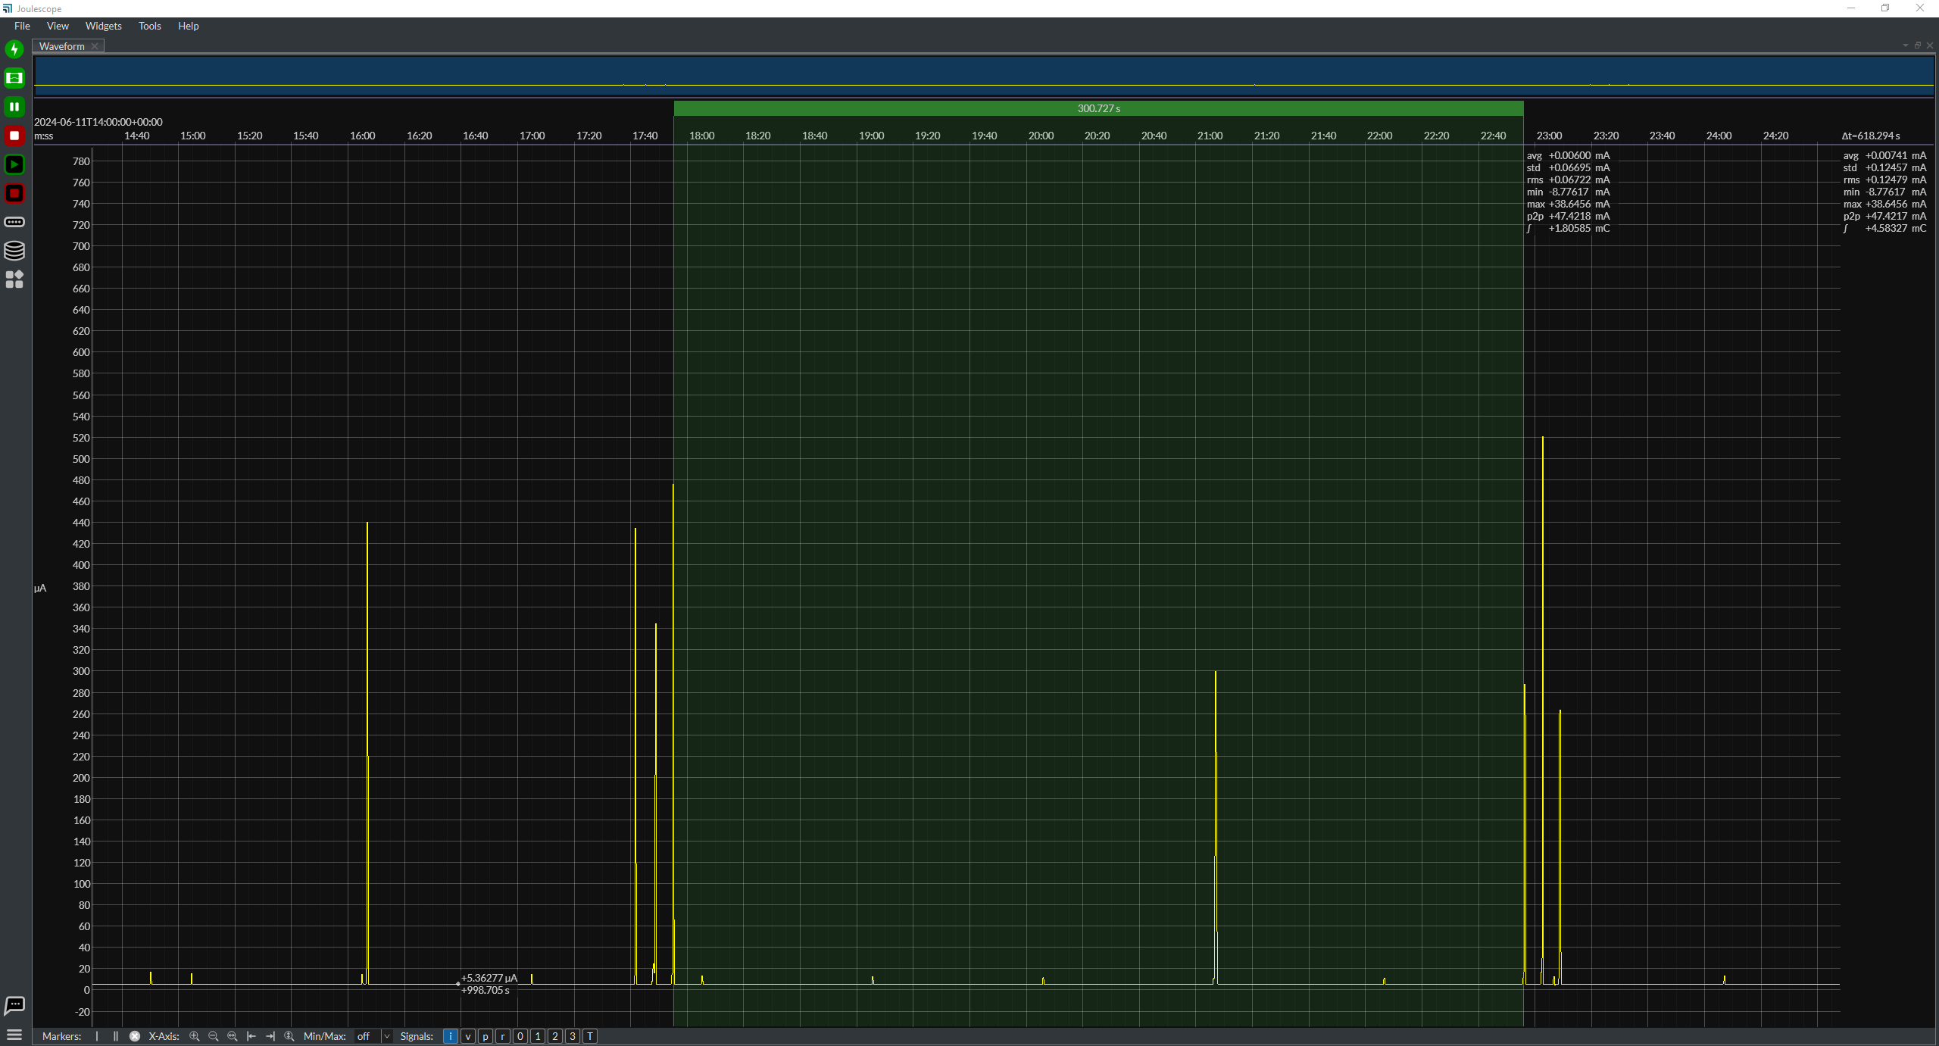
 |  |  |  |  |  |  |  |  |  | Page Reqest and Response | Value | Unit
 |  |  |  |  |  |  |  |  |  | Average current per pulse | 0.006 | mA
 |  |  |  |  |  |  |  |  |  | Average Time per pulse | 300727 | ms

Paging Interval REG motion
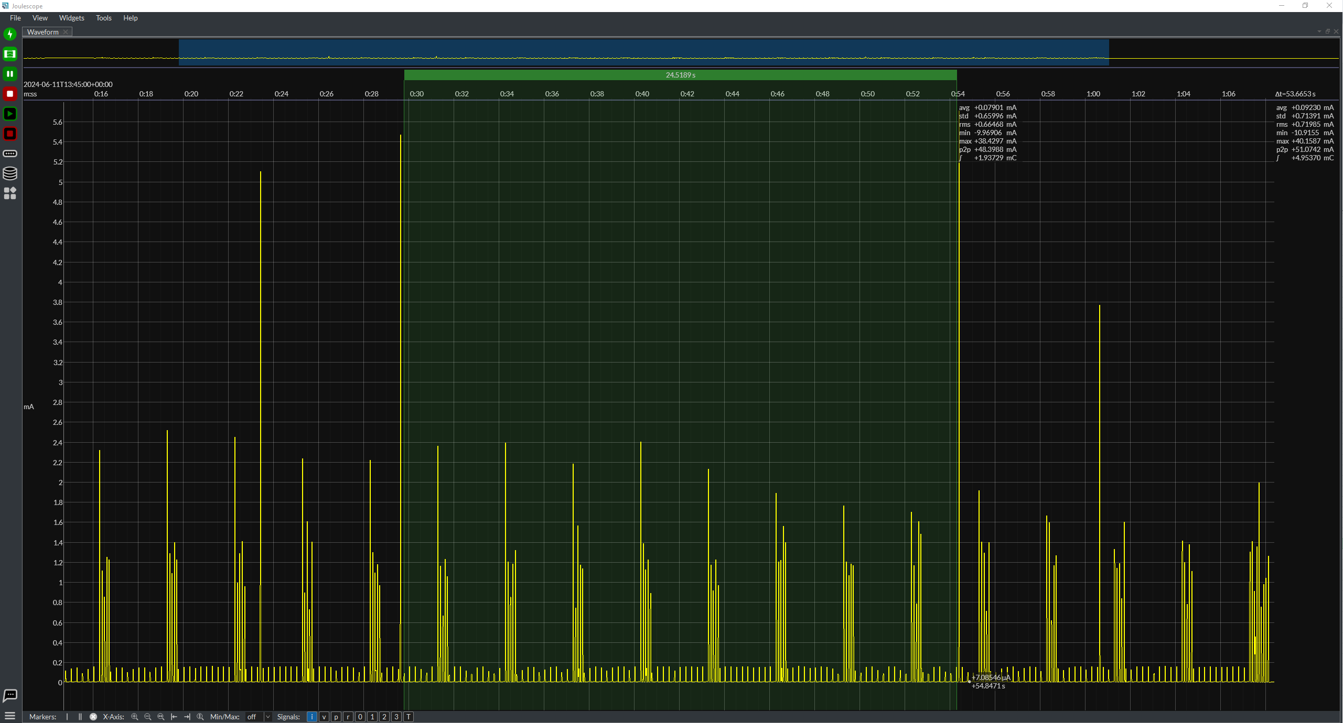

 |  |  |  |  |  |  |  |  |  | Page Reqest and Response | Value | Unit
 |  |  |  |  |  |  |  |  |  | Average current per pulse | 0.07901 | mA
 |  |  |  |  |  |  |  |  |  | Average Time per pulse | 24518.9 | ms

Location Data

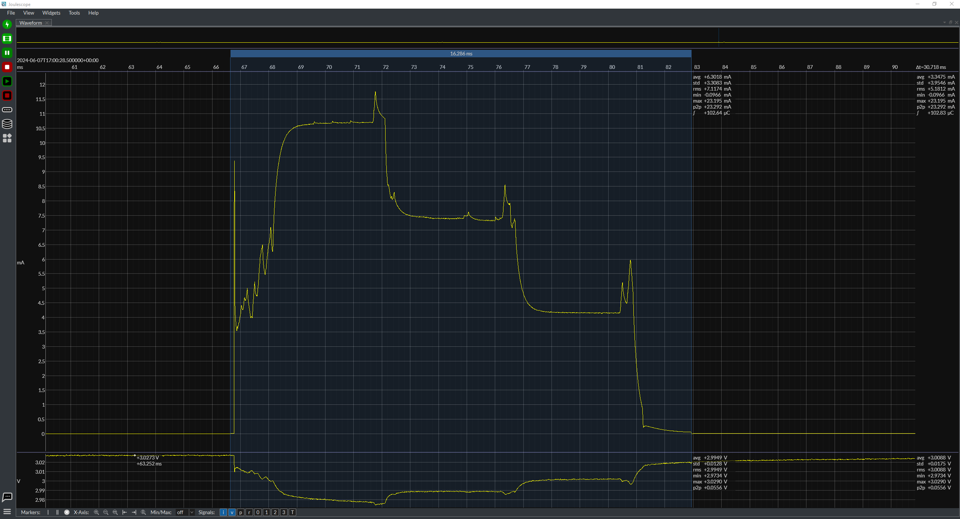
 |  |  |  |  |  |  |  |  |  | RF Location Tx | Value | Unit
 |  |  |  |  |  |  |  |  |  | Average current | 6.3018 | mA
 |  |  |  |  |  |  |  |  |  | Average Time per pulse | 16.286 | ms

UHF Location Data Interval (Regular mode, sleep, no IR, no LF)
 | 1
Average Current (mA) | 0.006
Time (ms) | 29994

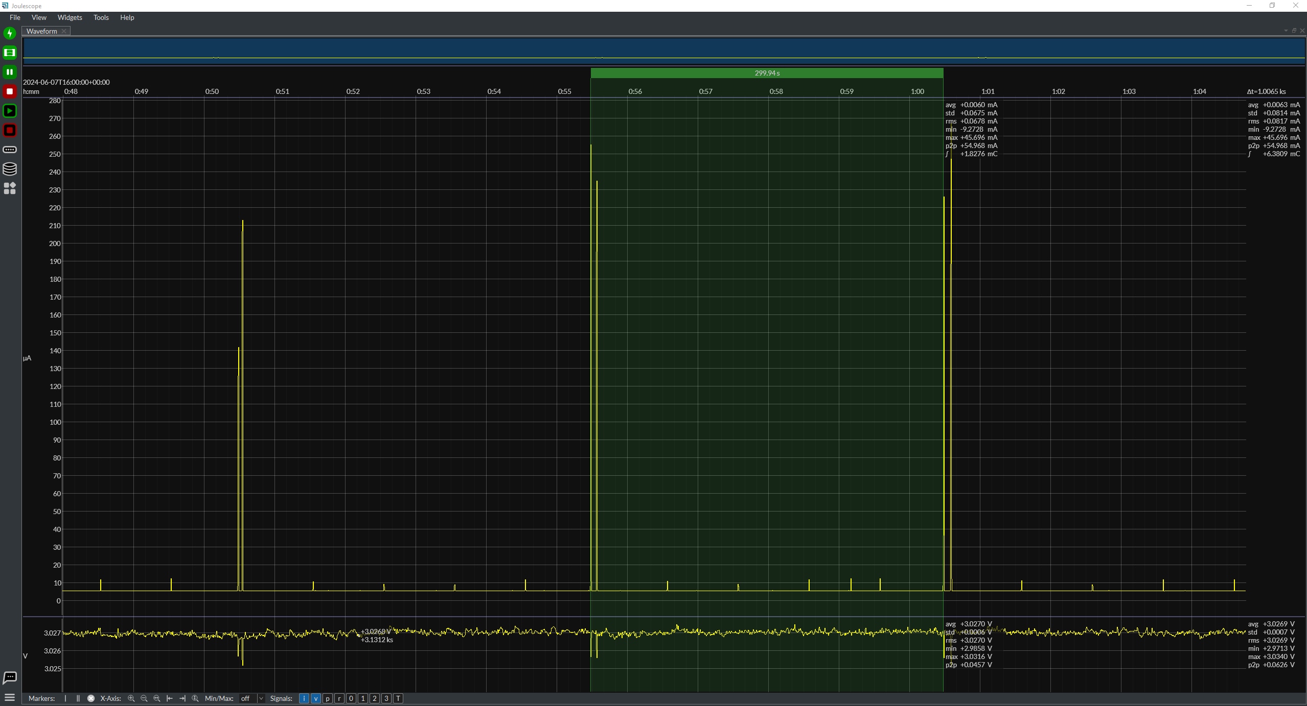

UHF Location Data Interval (Regular mode, motion, no IR, no LF)
 | 1
Average Current (mA) | 0.10806
Time (ms) | 23917.2

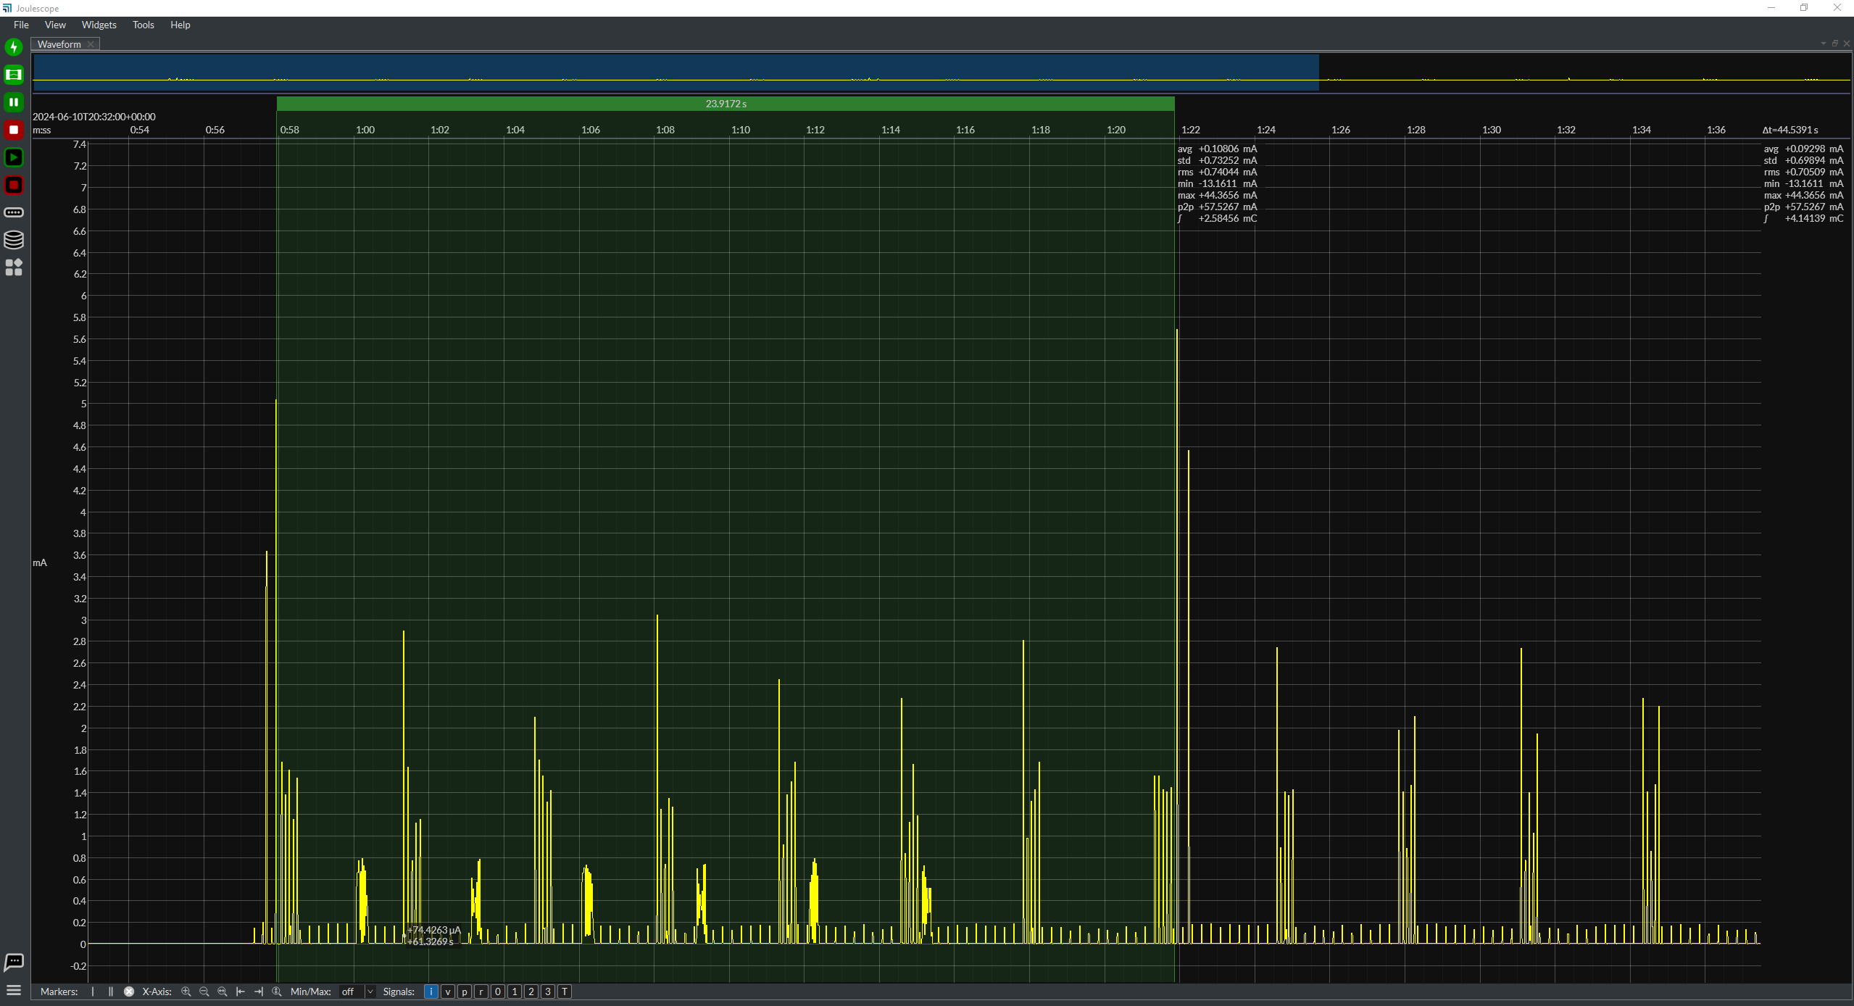

Motion Interrupt
 | 1 | 2 | 3 | AVG
Average Current (mA) | 3.25108 | 3.1213 | 3.08154 | 3.1513066667
Time (ms) | 0.908025 | 0.920165 | 0.930526 | 0.919572

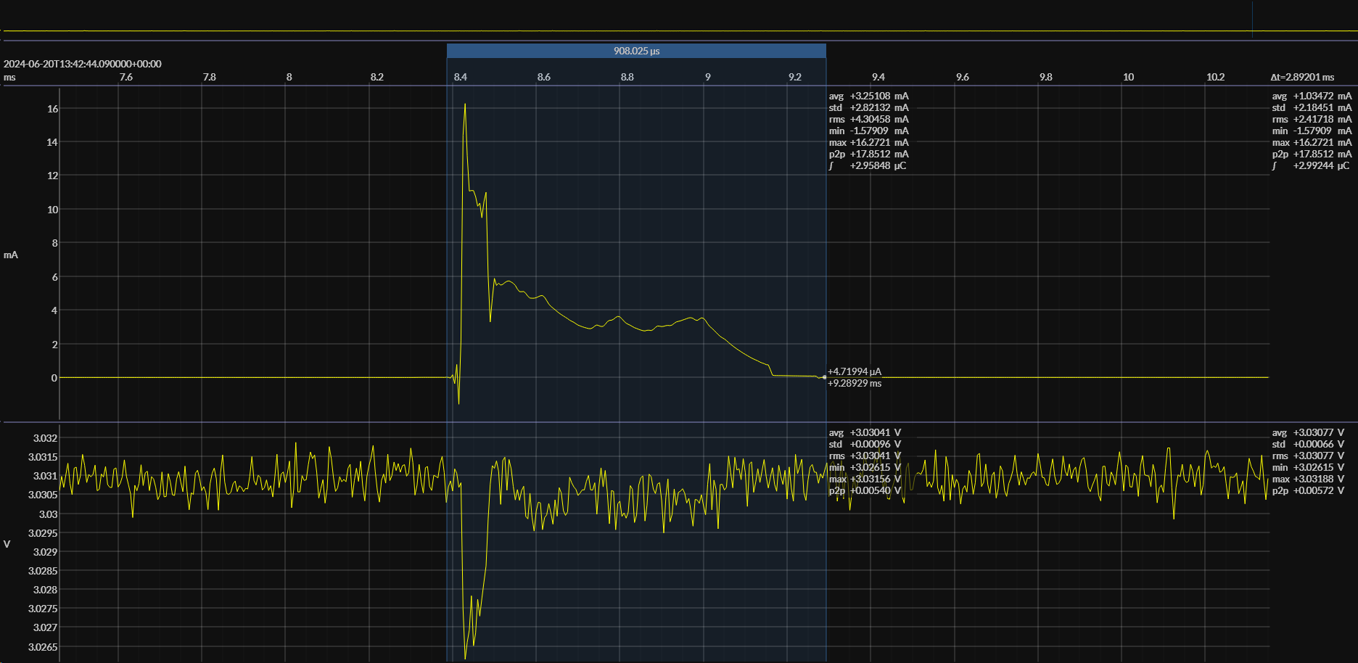
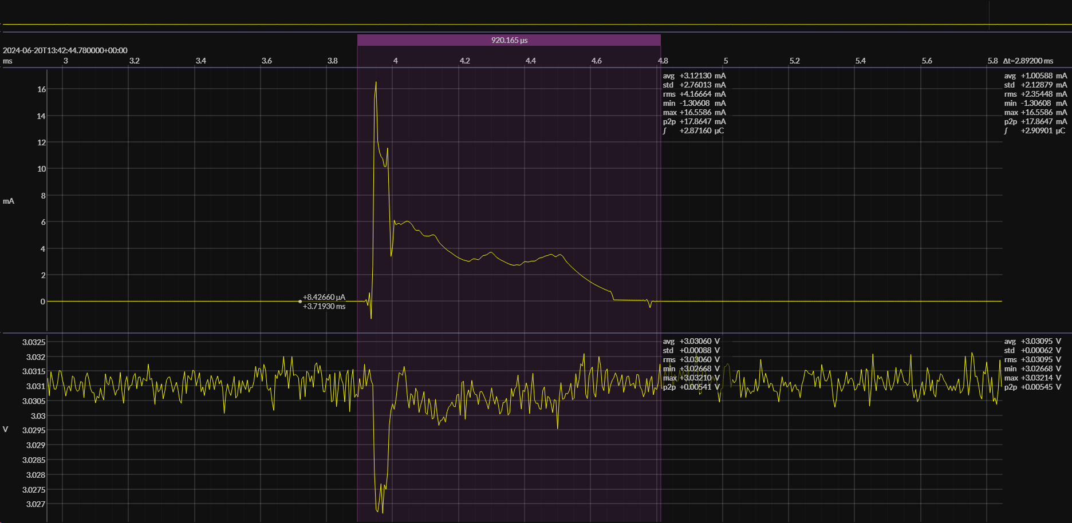
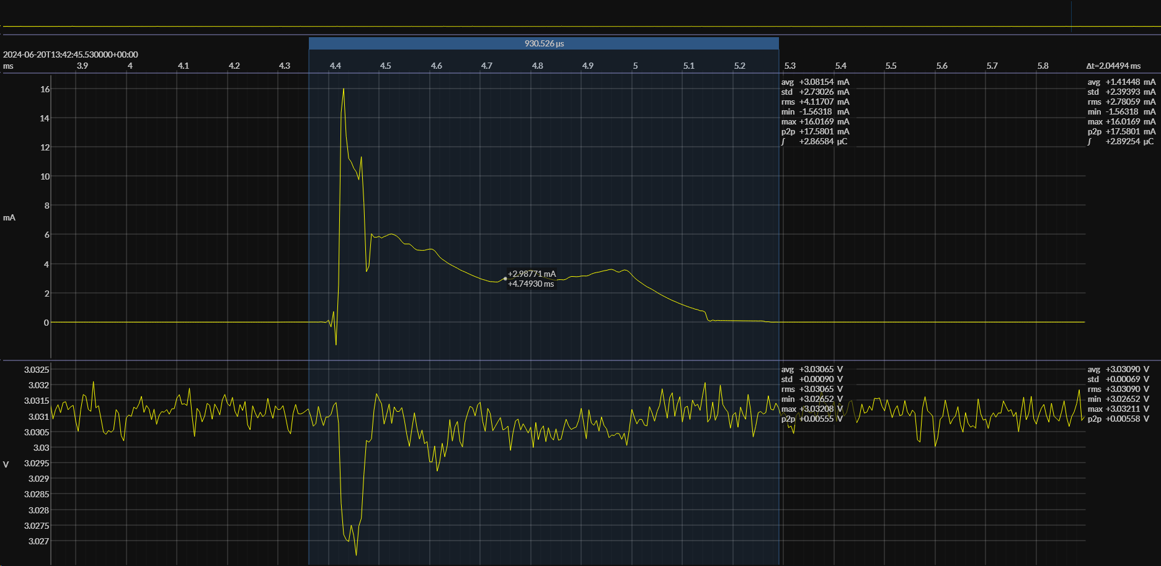

IR Open (Not Seeing IR)
 | 1 (AGC) | 2 | 3 | AVG
Average Current (mA) | 0.46577 | 0.33349 | 0.34304 | 0.38076666667
Time (ms) | 319.377 | 320.487 | 319.741 | 319.86833333

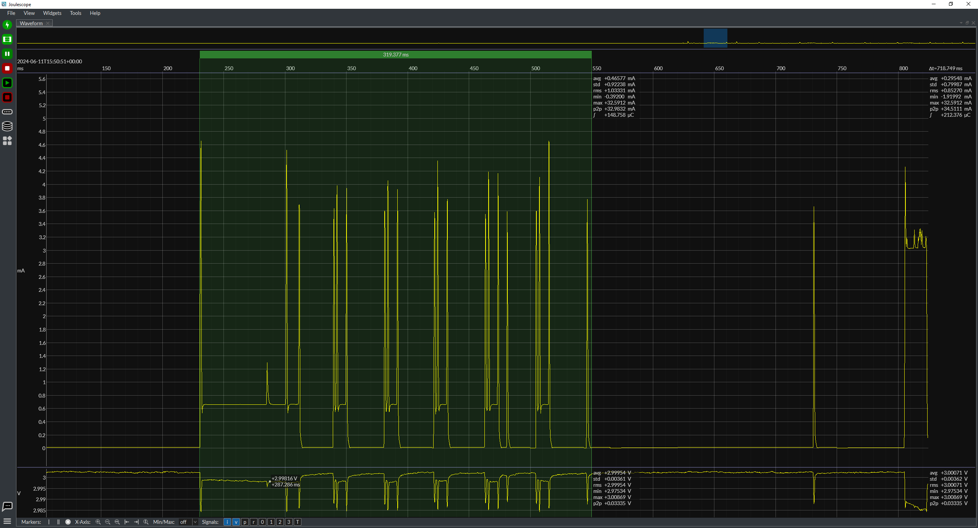
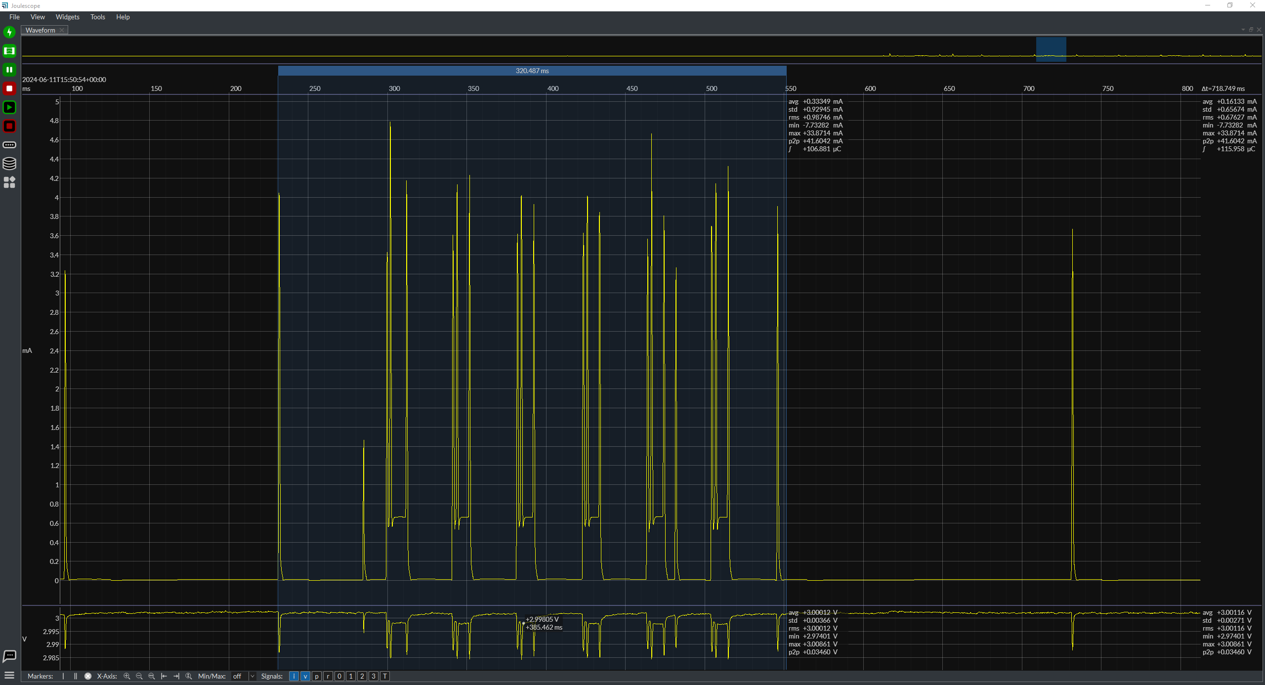
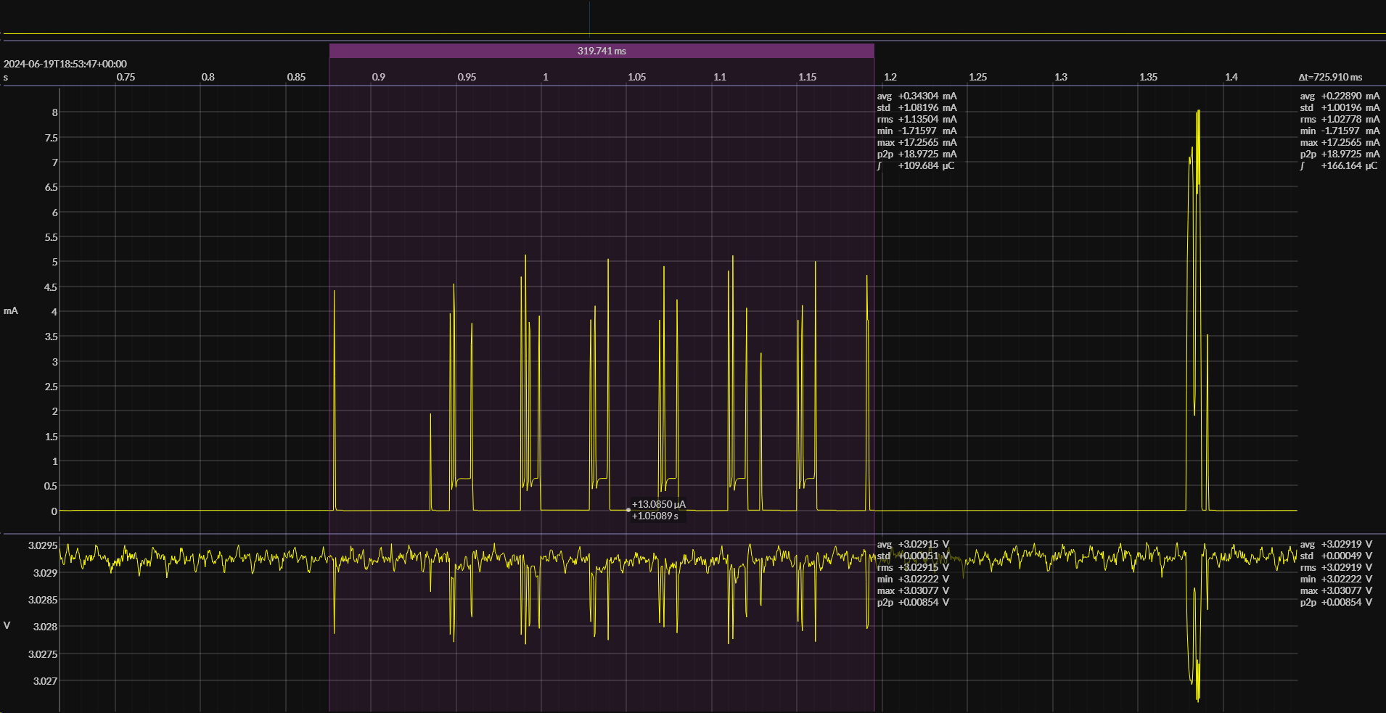

IR Open (Seeing IR in 1 Slot)
 | 1 | 2 | 3 | AVG
Average Current (mA) | 0.34989 | 0.3725 | 0.36219 | 0.36152666667
Time (ms) | 328.016 | 324.834 | 320.905 | 324.585

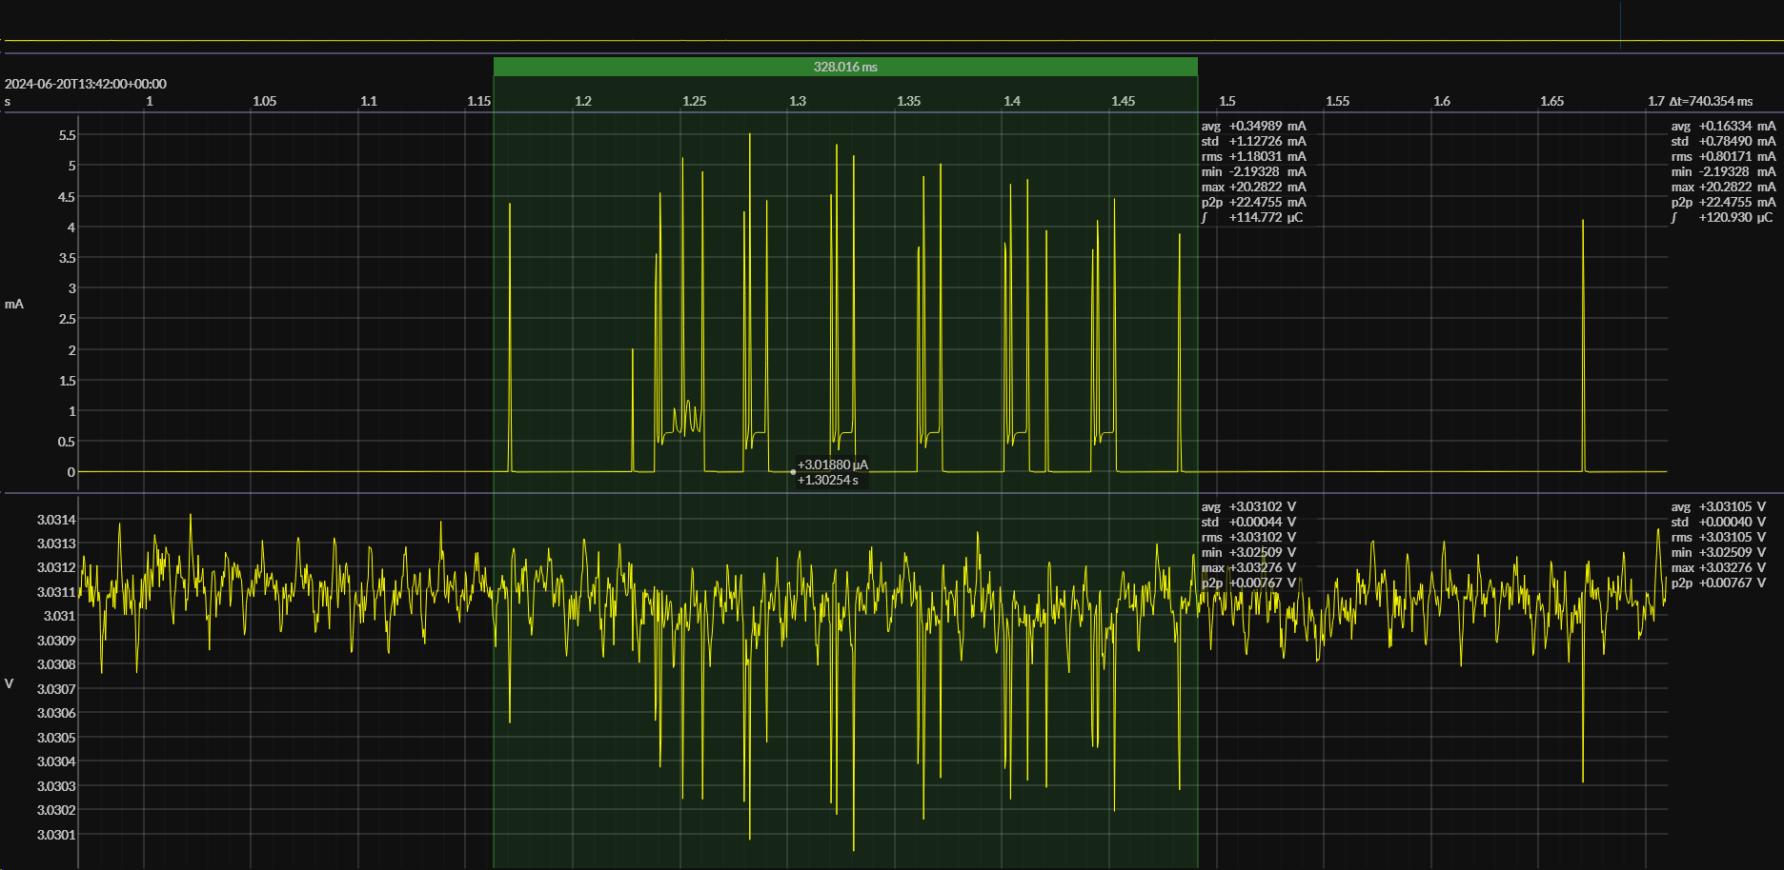
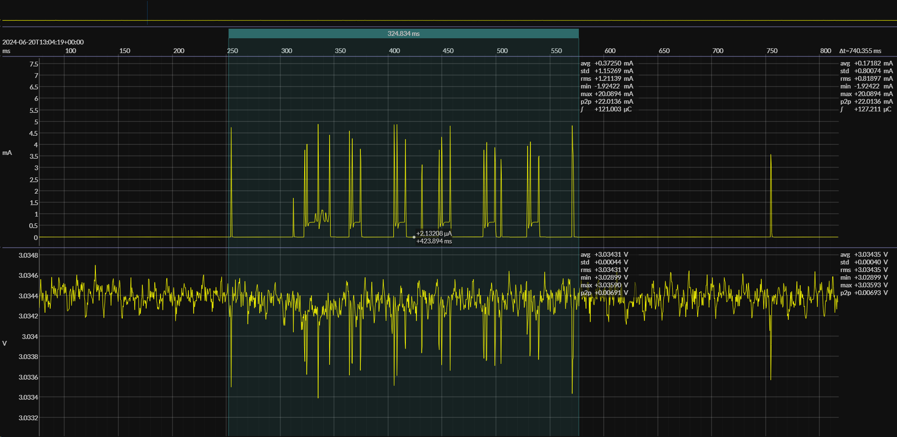
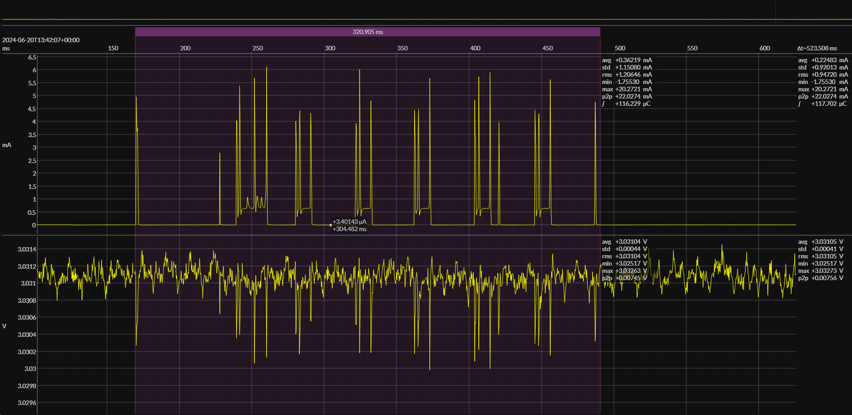

IR Open (Async)
 | 1 | 2 | 3 | AVG
Average Current (mA) | 0.56337 | 0.56588 | 0.69199 | 0.60708
Time (ms) | 329.839 | 331.165 | 330.613 | 330.539

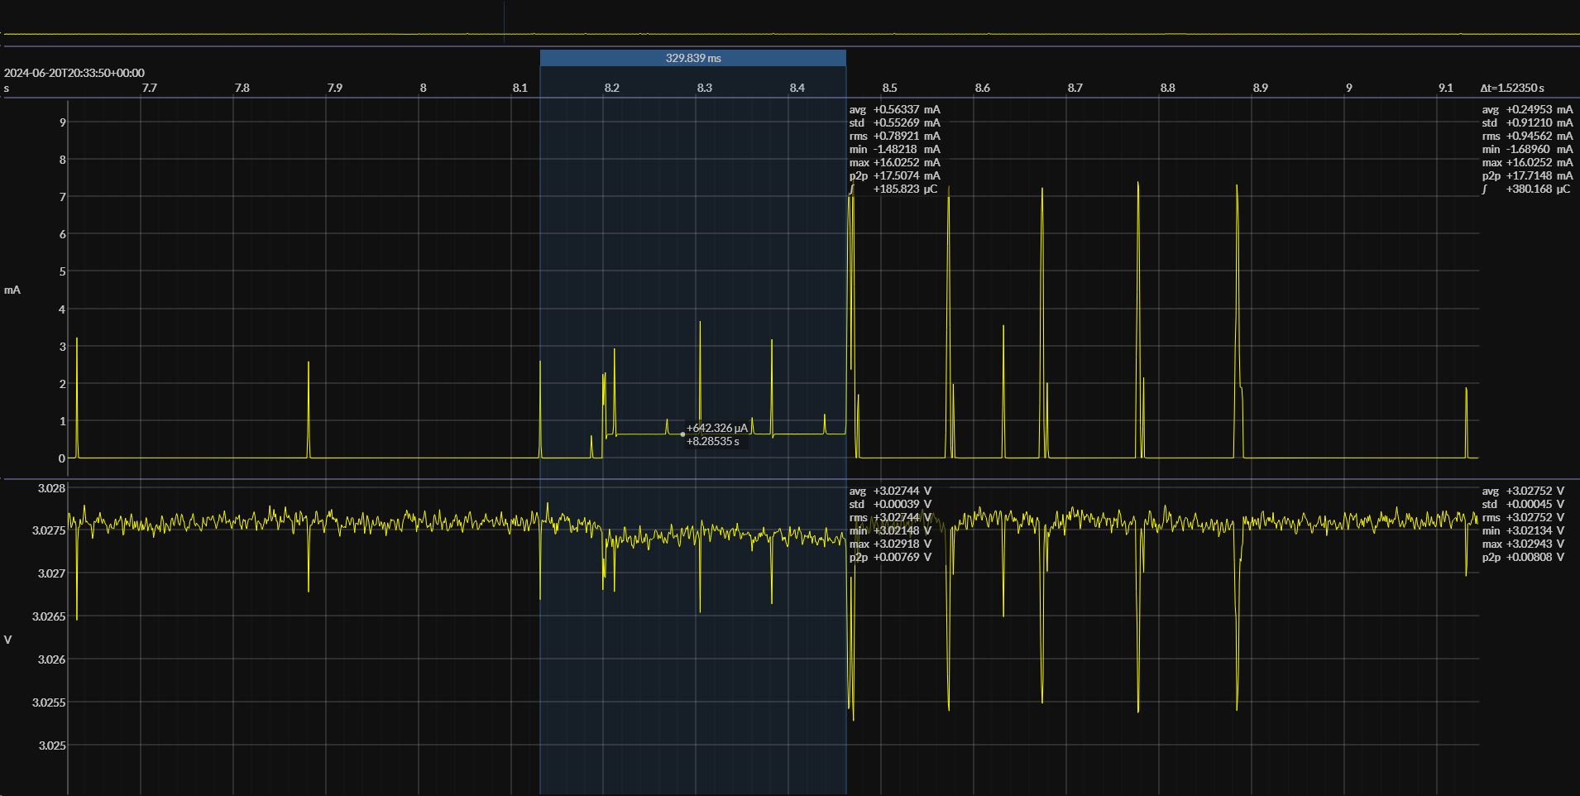
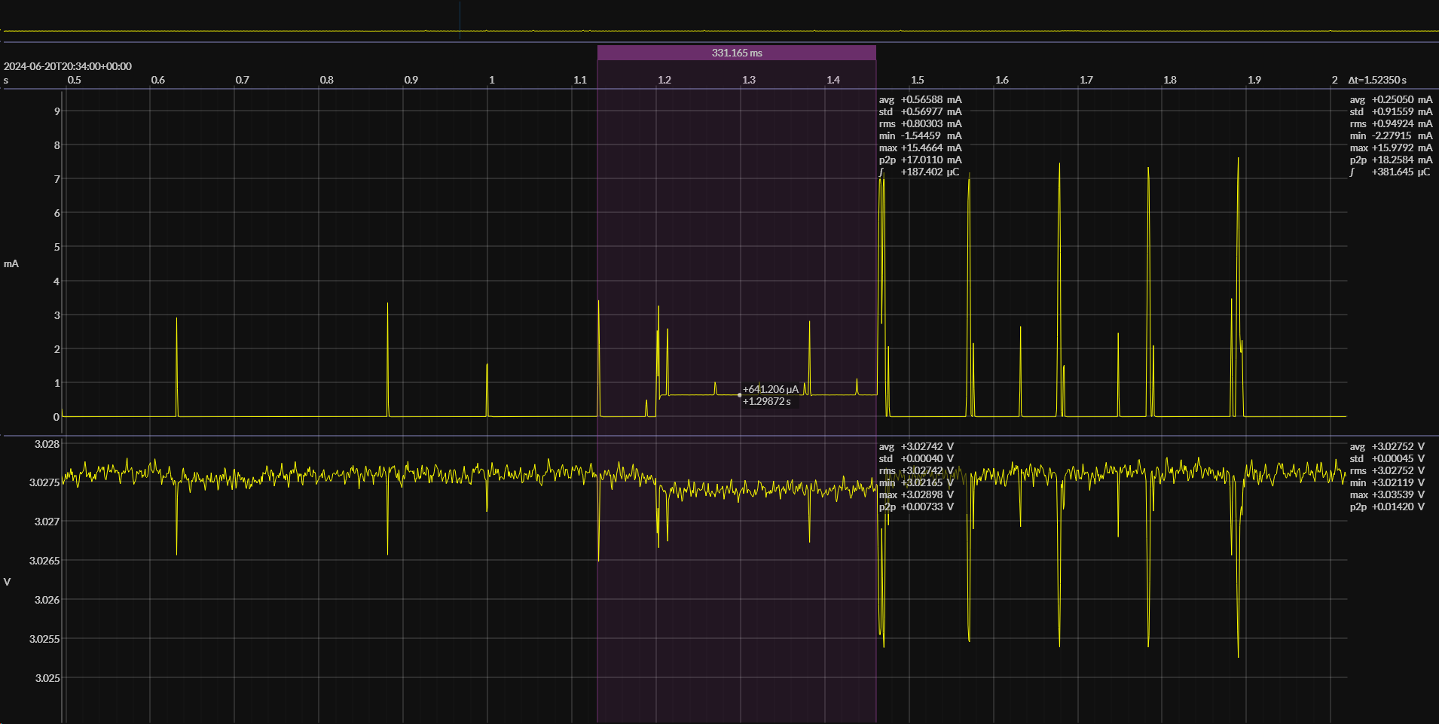
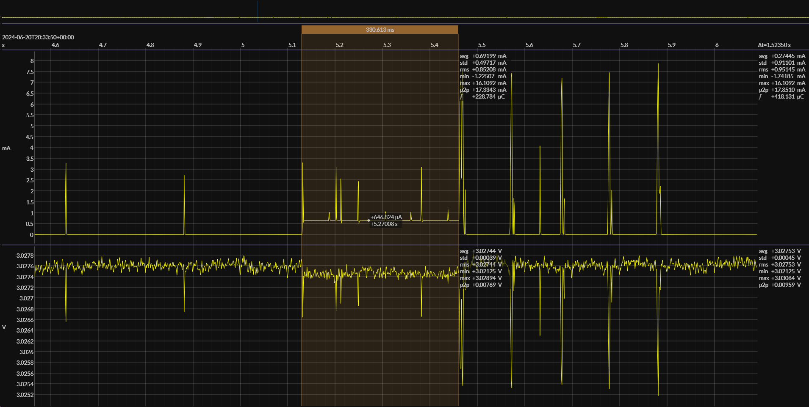

Seeing SUPT markers (IR transitions)
When badge is in UHF and BLE/900 MHz mode, star unplugged, VW in Async mode, SUPT marker happens once or more when Given button press/motion when badge is out of star coverage. Then after given button press/motion again, only BLE packets and UHF paging seen no IR, no markers.
 | 1
Average Current (mA) | 0.68316
Time (ms) | 2724.97

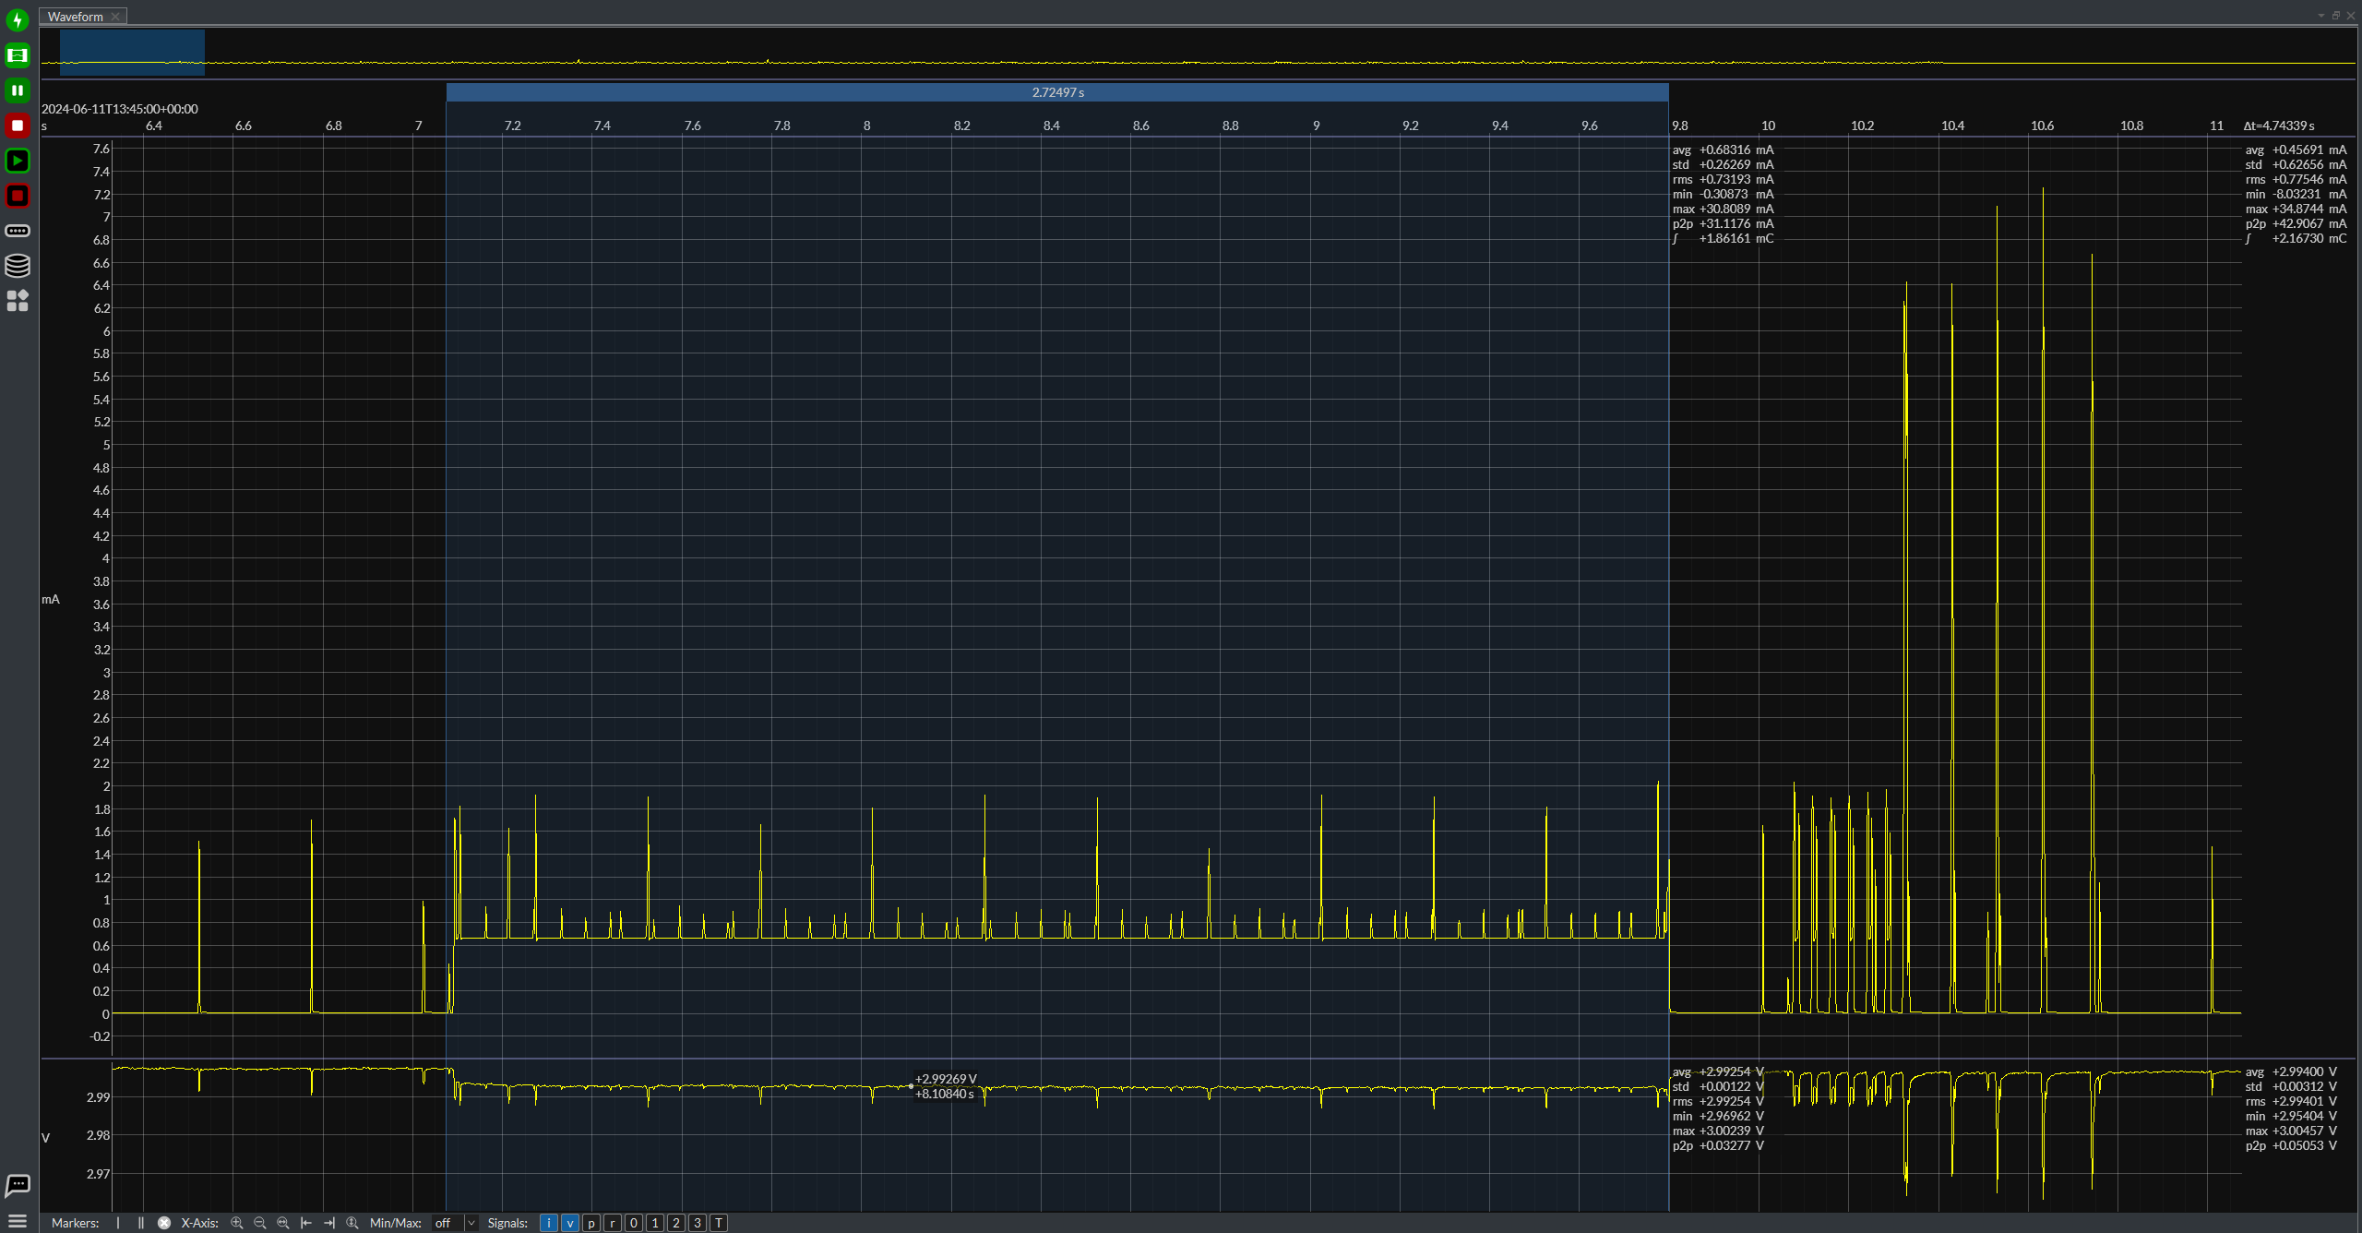

IR Open Interval (motion, IRRx = 0, IR profile = 3s)
 | 1
Average Current (mA) | 0.11829
Time (ms) | 2.99304

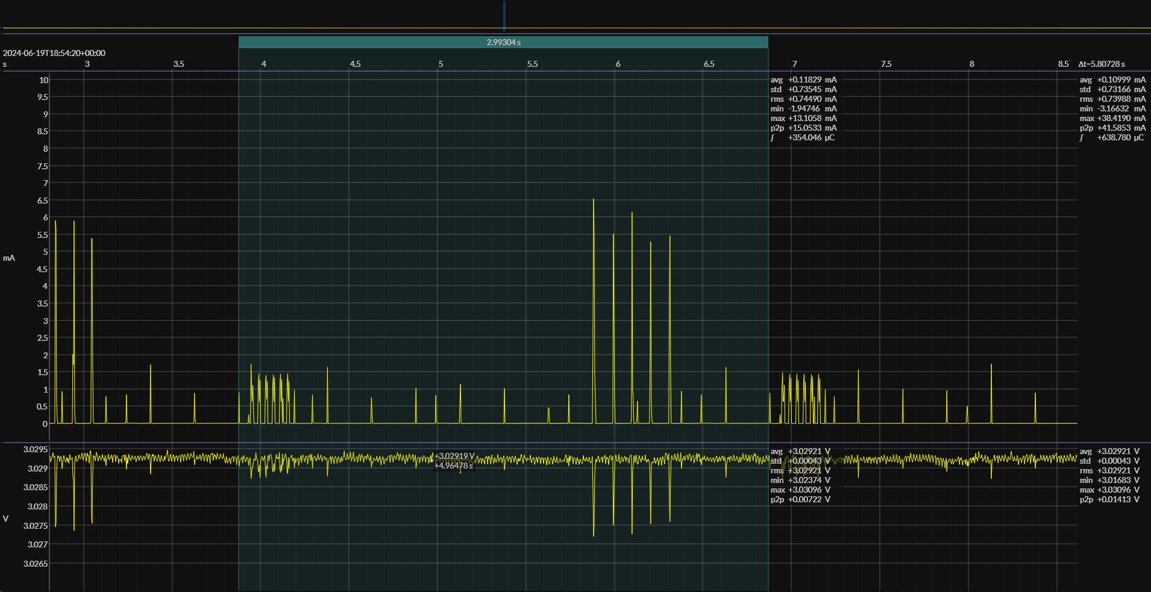

LF Receive (Exciter)

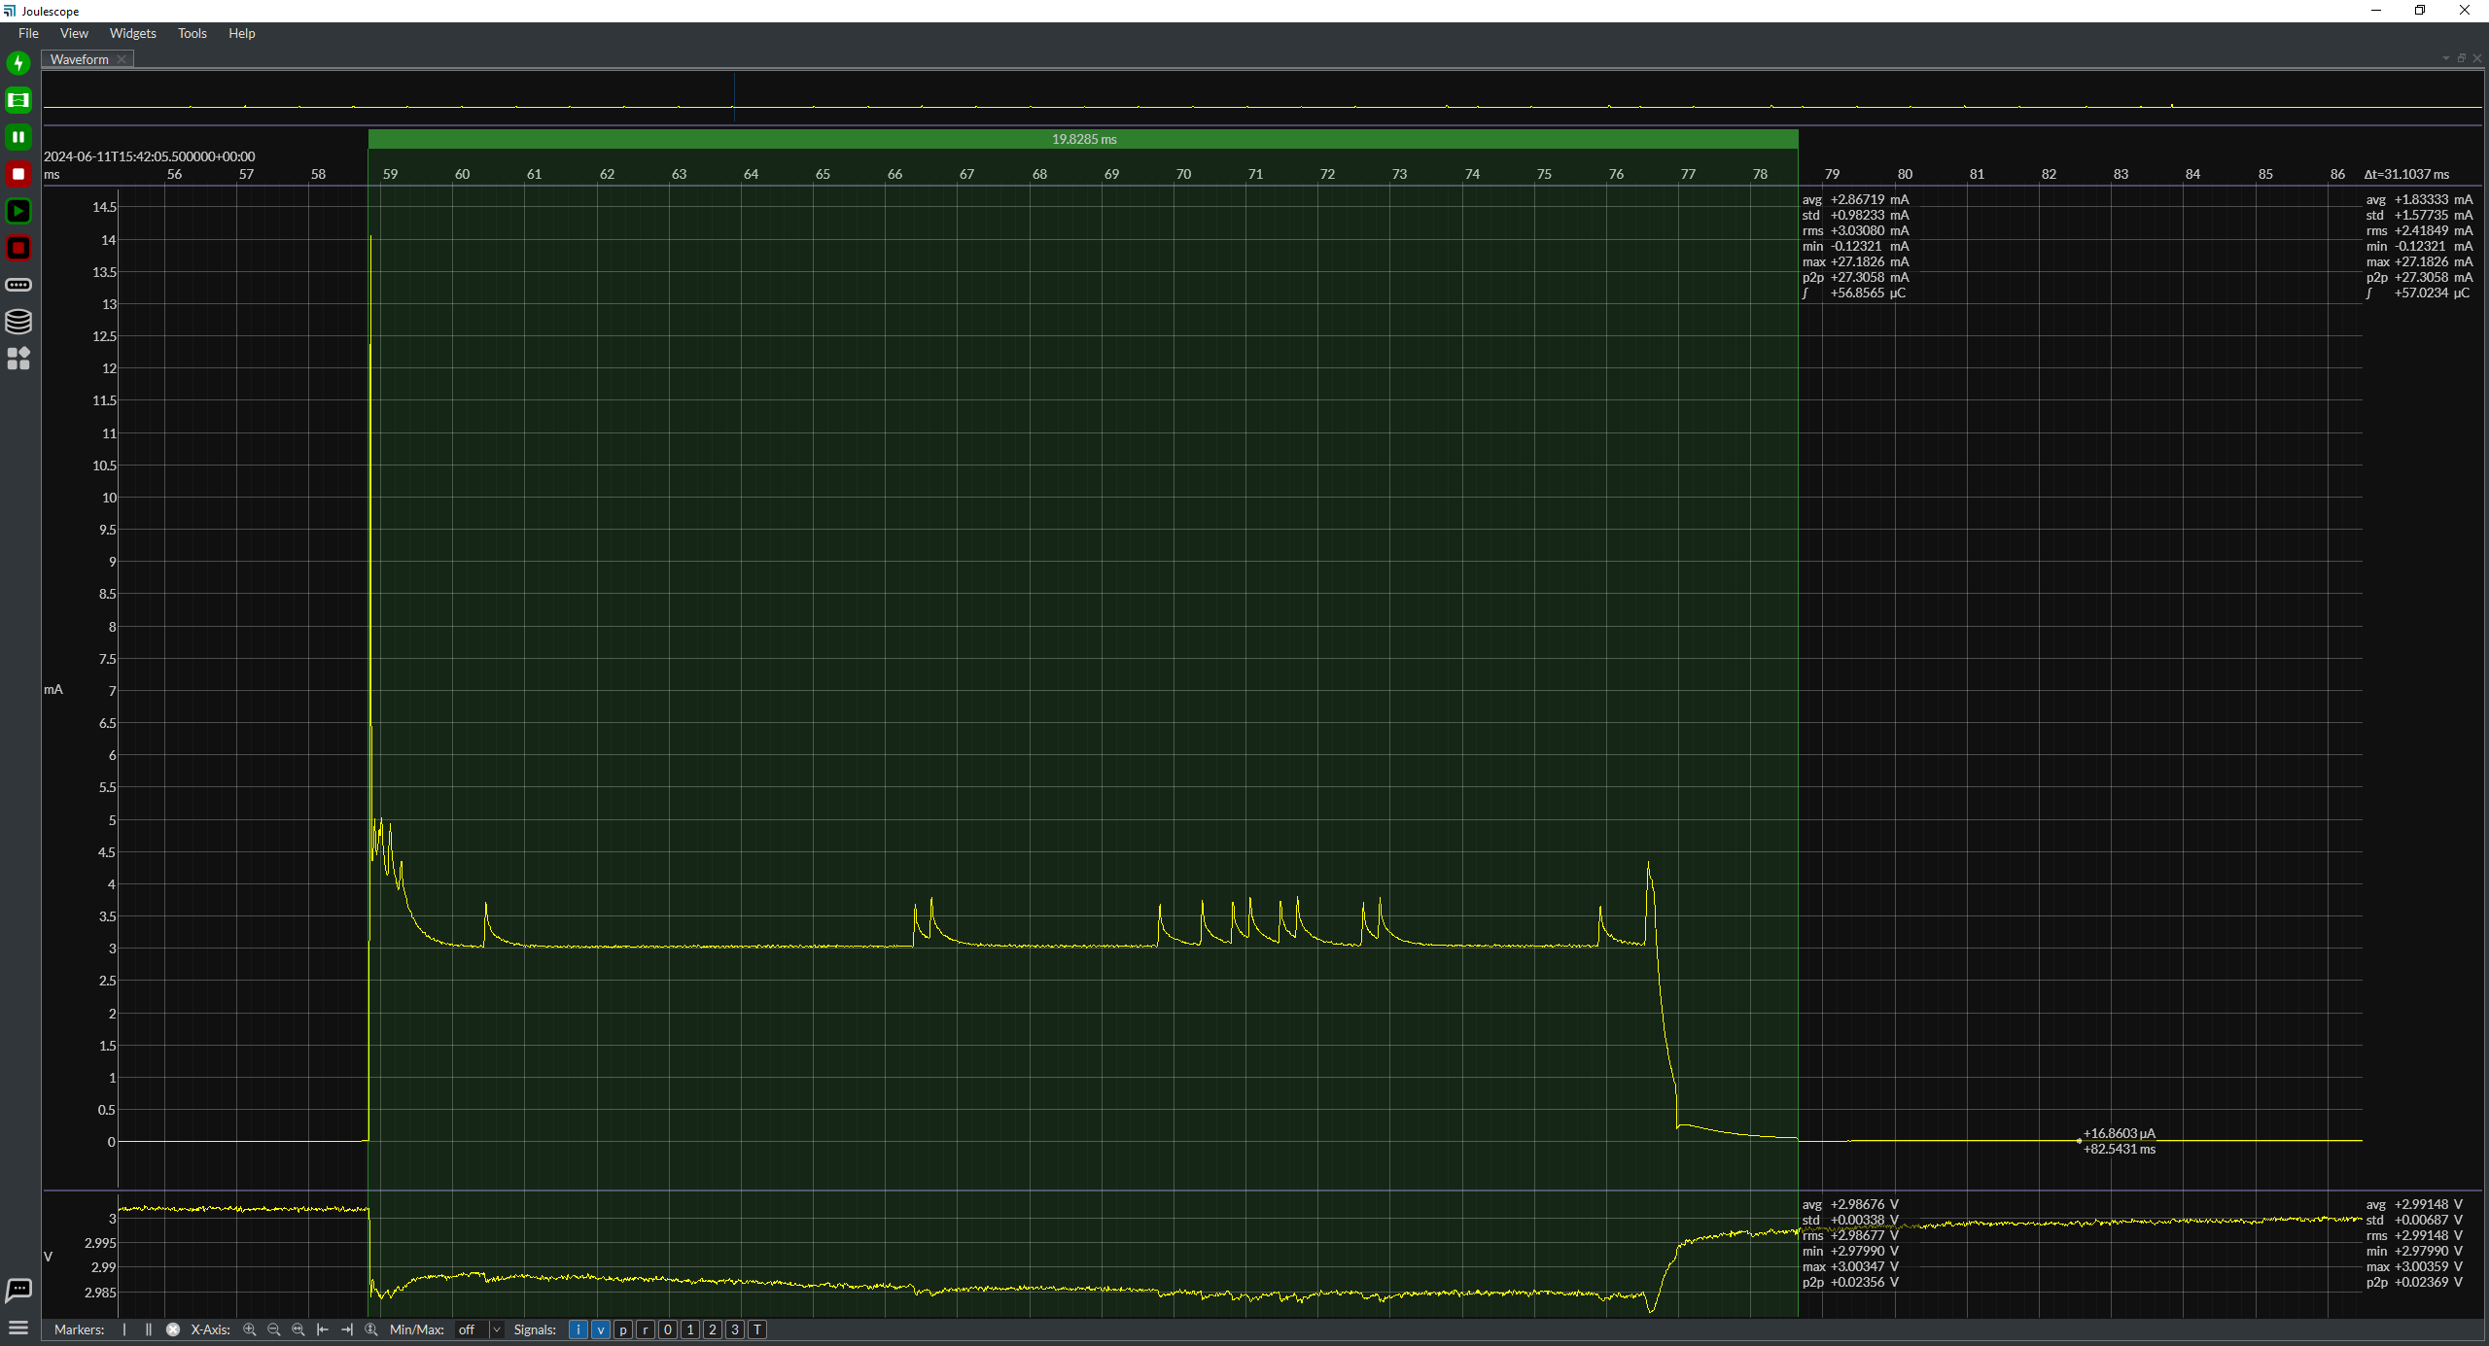

 |  |  |  |  |  |  |  |  |  | LF Receive | Value | Unit
 |  |  |  |  |  |  |  |  |  | Current | 2.86719 | mA
 |  |  |  |  |  |  |  |  |  | Time | 19.8285 | ms

LF Receive (Exciter) Interval

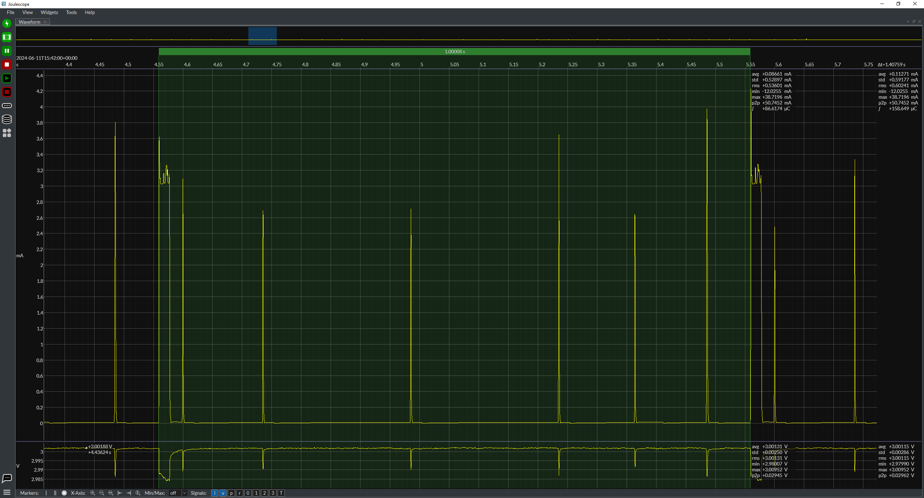

 |  |  |  |  |  |  |  |  |  | LF Rx Interval | Value | Unit
 |  |  |  |  |  |  |  |  |  | Average current | 0.08661 | mA
 |  |  |  |  |  |  |  |  |  | Time | 1000.08 | ms

LF Receive (Door Controller)
 |  |  |  |  |  |  |  |  |  | LF receive (Door Controller) not yet supported by badge
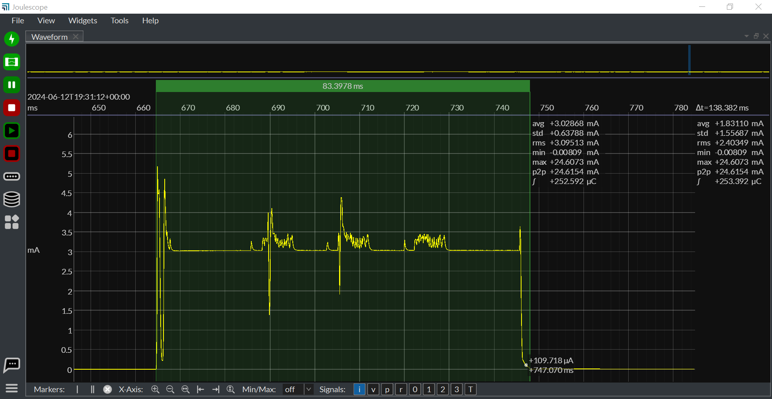
 |  |  |  |  |  |  |  |  |  | LF Rx (Door Controller) | Value | Unit
 |  |  |  |  |  |  |  |  |  | Current |  | mA
 |  |  |  |  |  |  |  |  |  | Time |  | ms
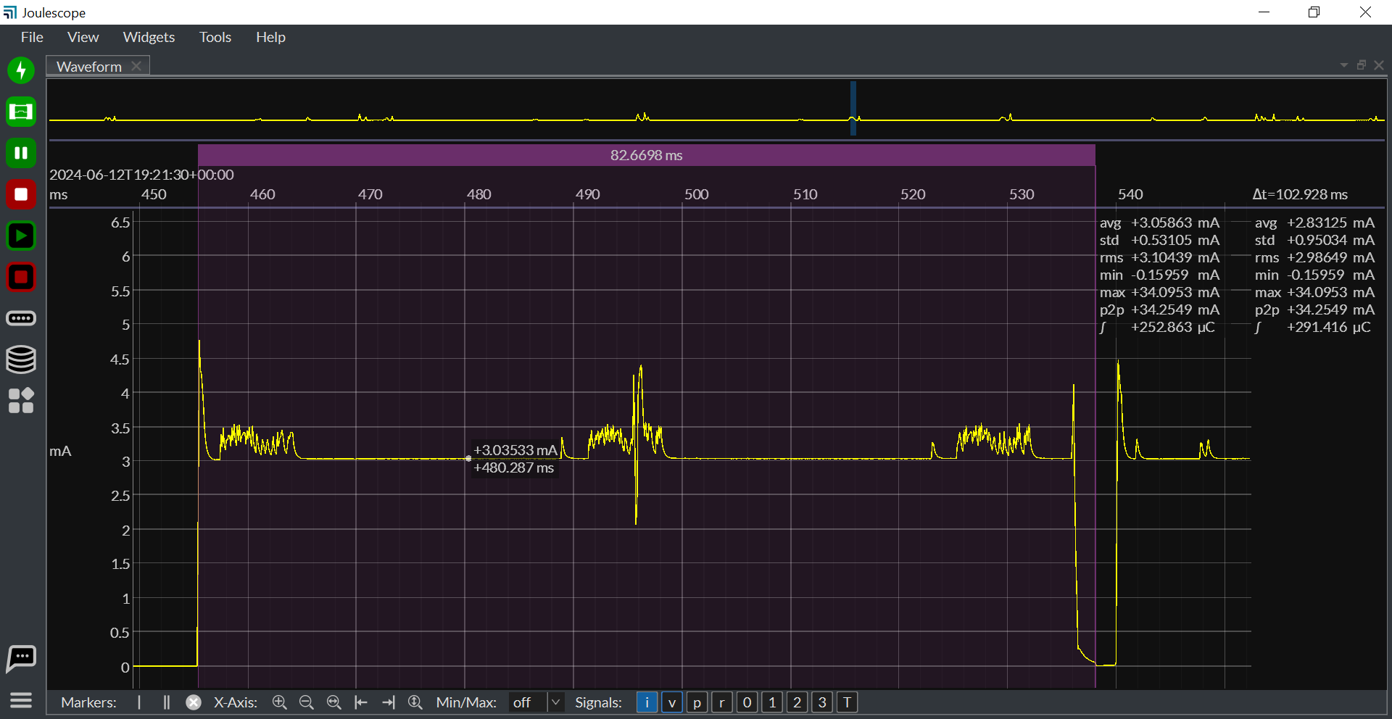

LF Receive (Door Controller) + WPS Packets & Retries

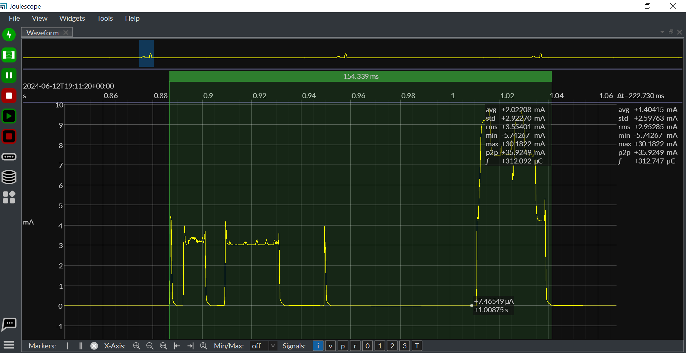

 |  |  |  |  |  |  |  |  |  | LF Rx Interval | Value | Unit
 |  |  |  |  |  |  |  |  |  | Average current | 0.27566 | mA
 |  |  |  |  |  |  |  |  |  | Time | 1016.15 | ms

LF RX Interval

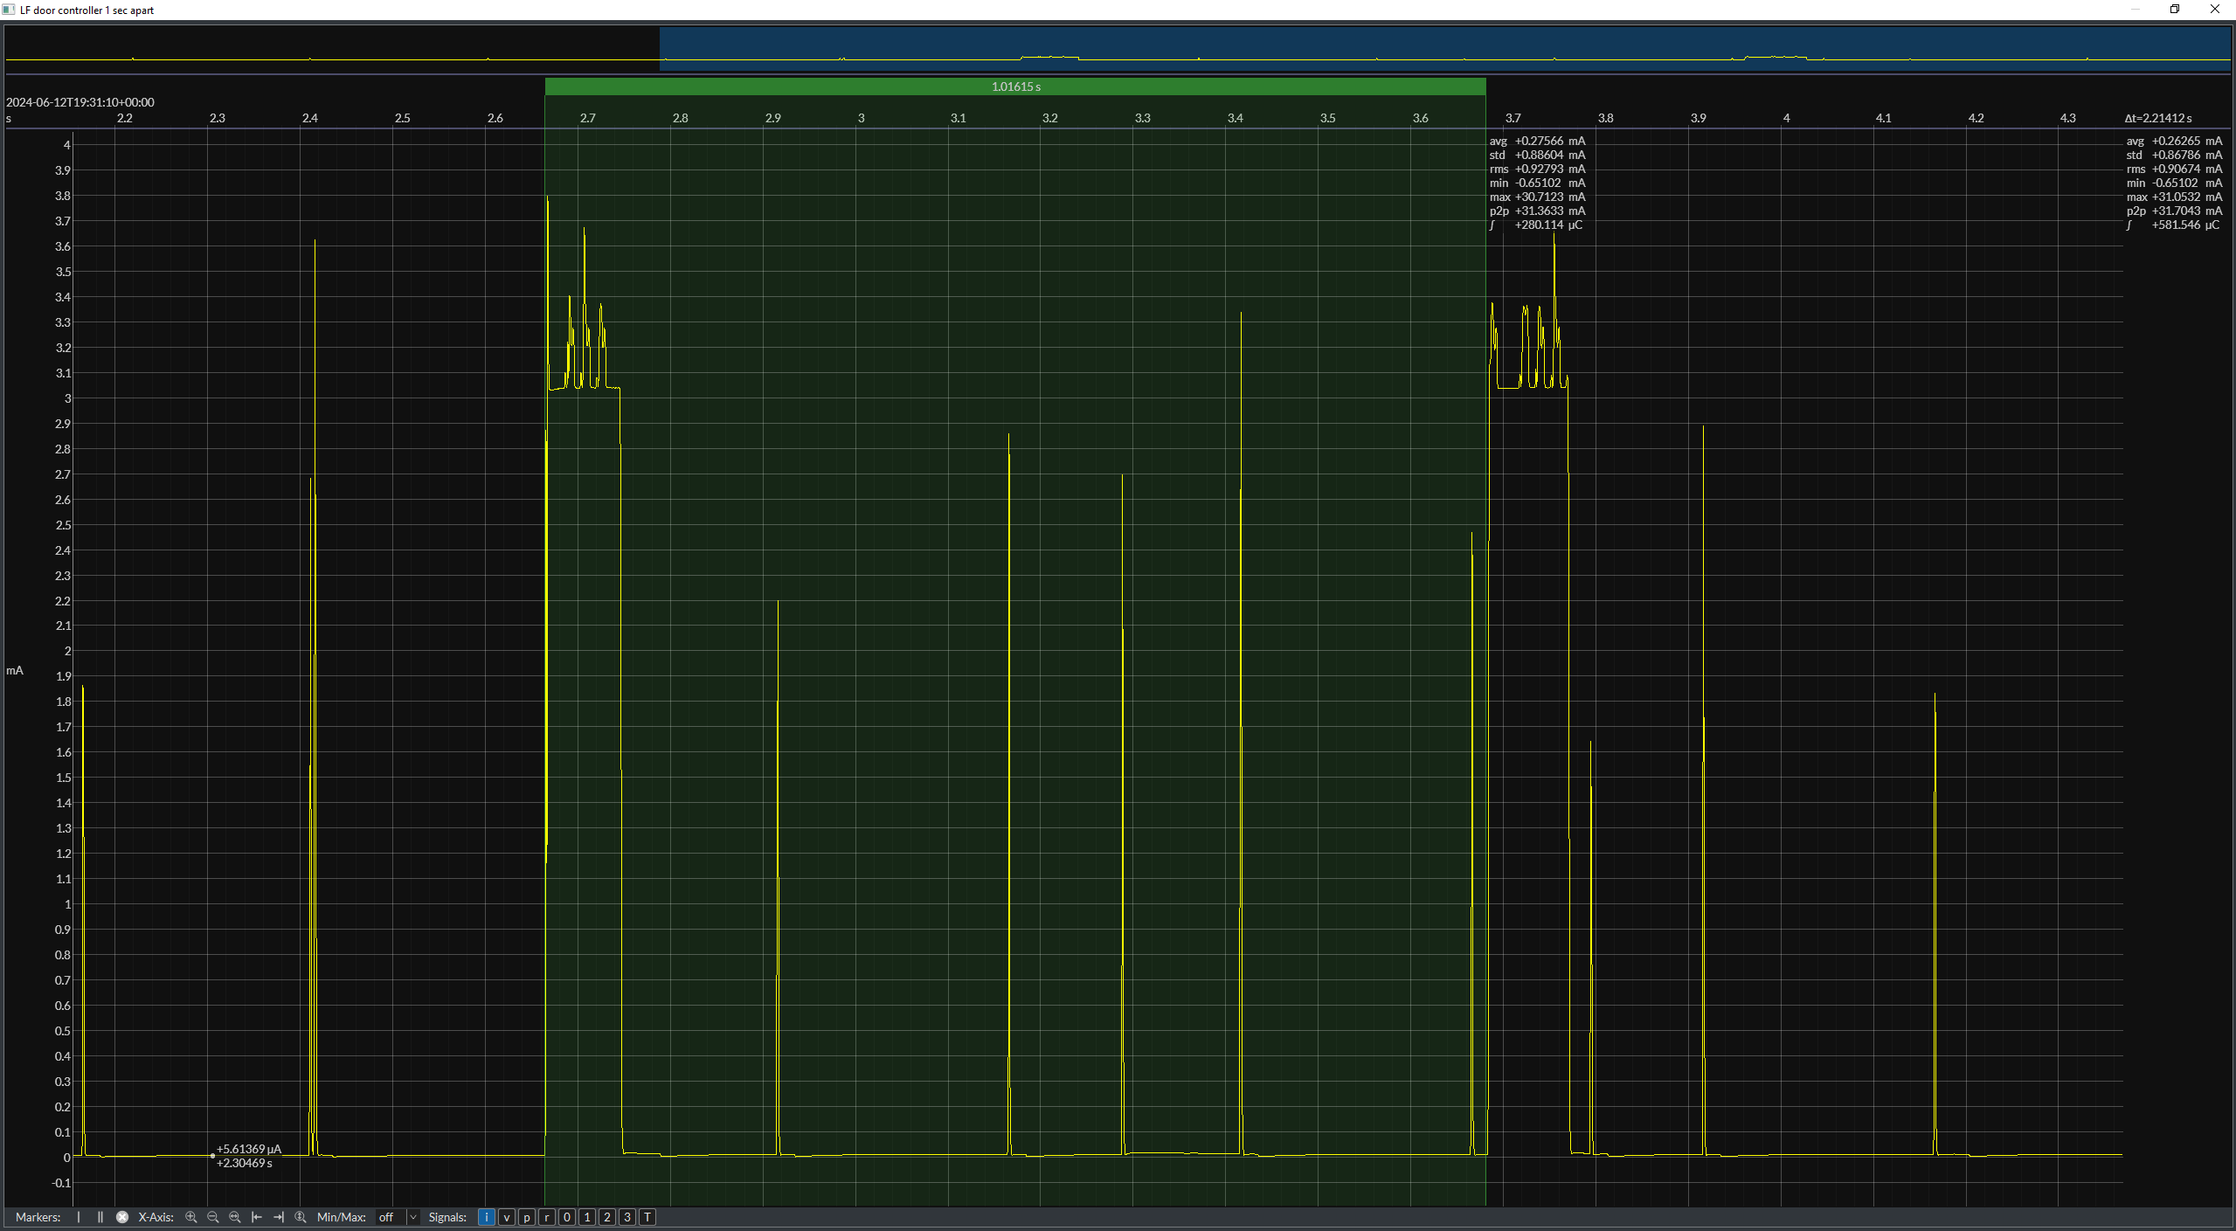

LF Receive (Door Controller) WPS packet

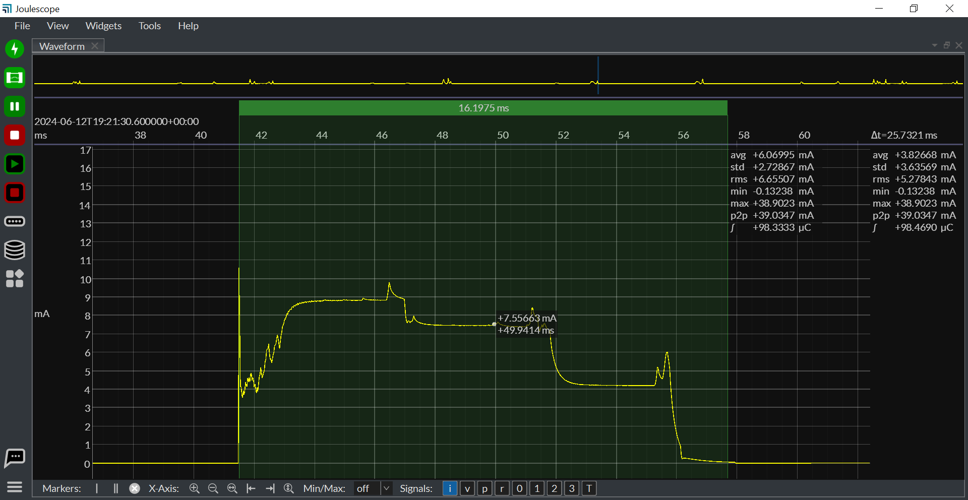

 |  |  |  |  |  |  |  |  |  | DC WPS packet | Value | Unit
 |  |  |  |  |  |  |  |  |  | Average current | 6.06 | mA
 |  |  |  |  |  |  |  |  |  | Time | 16.1975 | ms

 |  |  |  |  |  |  |  | wps packets every 3 sec
 |  |  |  |  |  |  |  | wps+LF

LF Receive (Door Controller) WPS packet Interval |  |  |  |  |  |  |  |  | interval 3s , if not ir will try

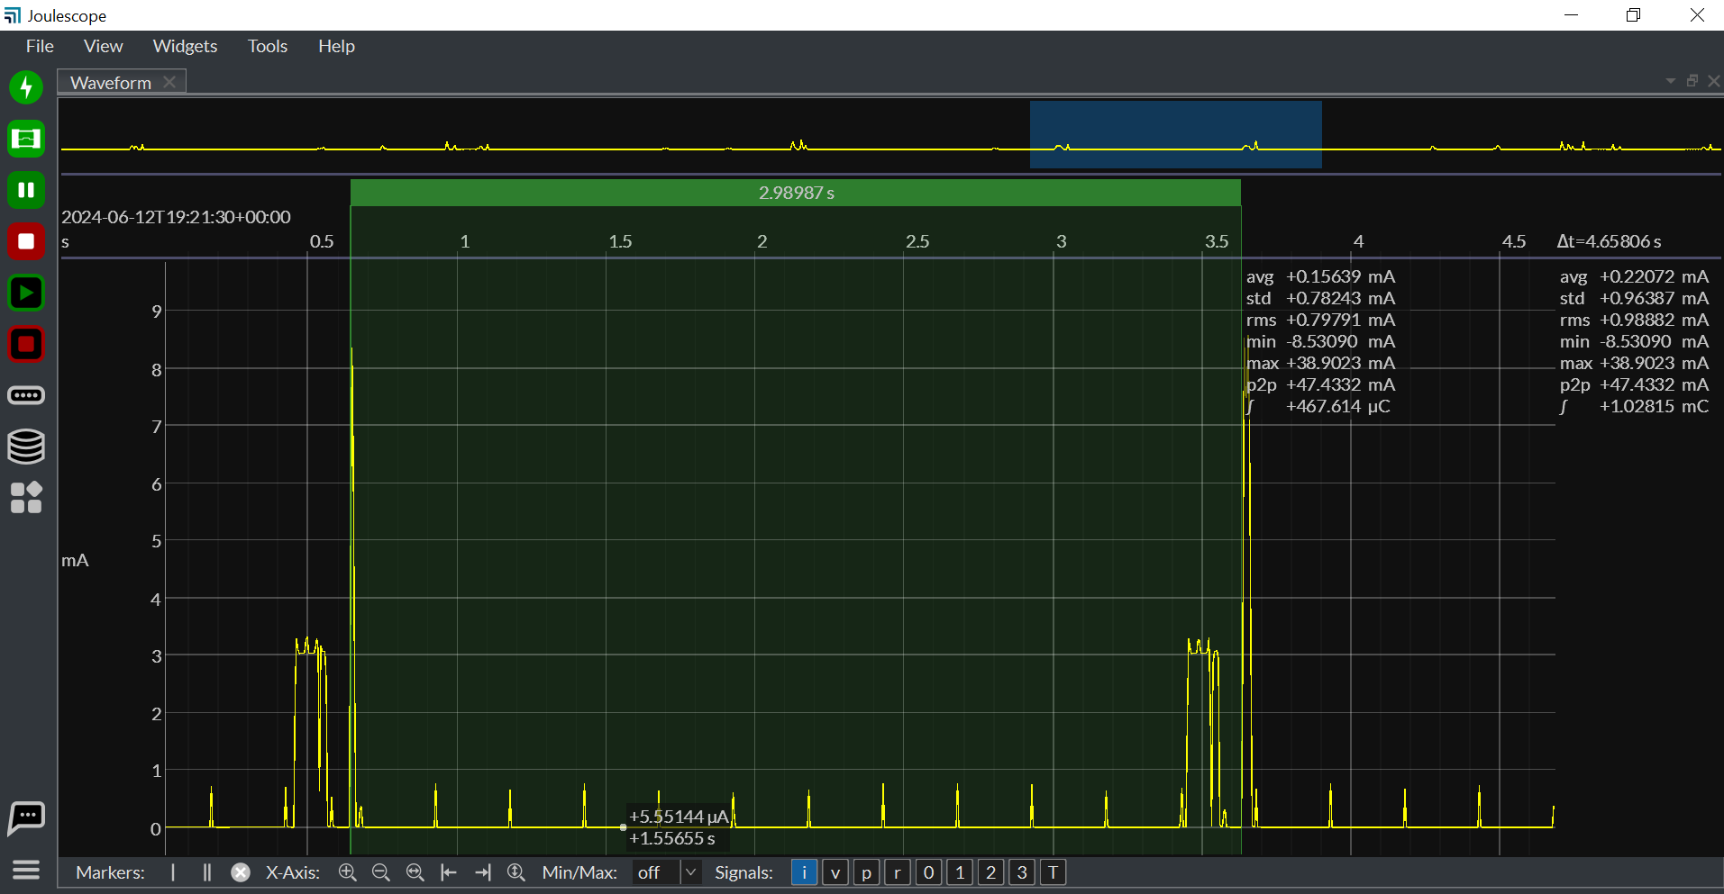

BLE Fast reporting

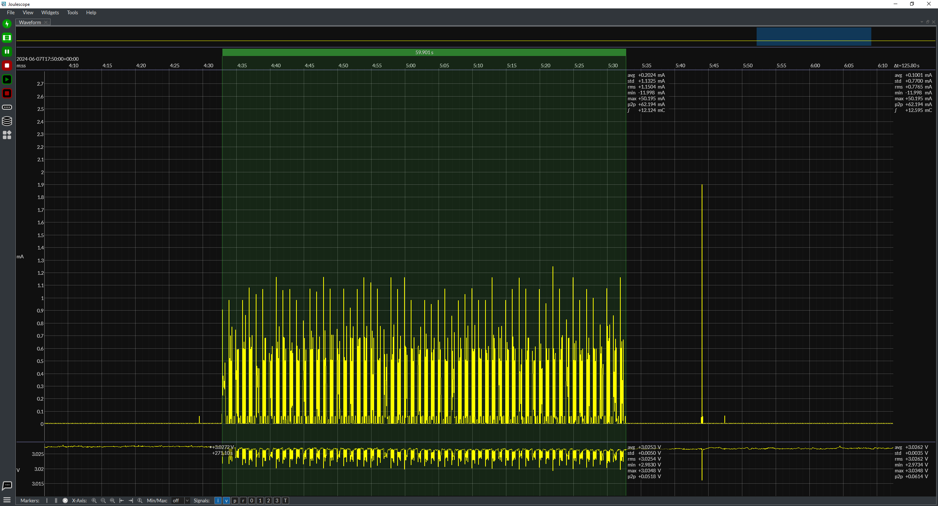

 |  |  |  |  |  |  |  |  |  | BLE fast reporting interval | Value | Unit
 |  |  |  |  |  |  |  |  |  | Current | 0.2024 | mA
 |  |  |  |  |  |  |  |  |  | Time | 59901 | ms

BLE Fast reporting interval

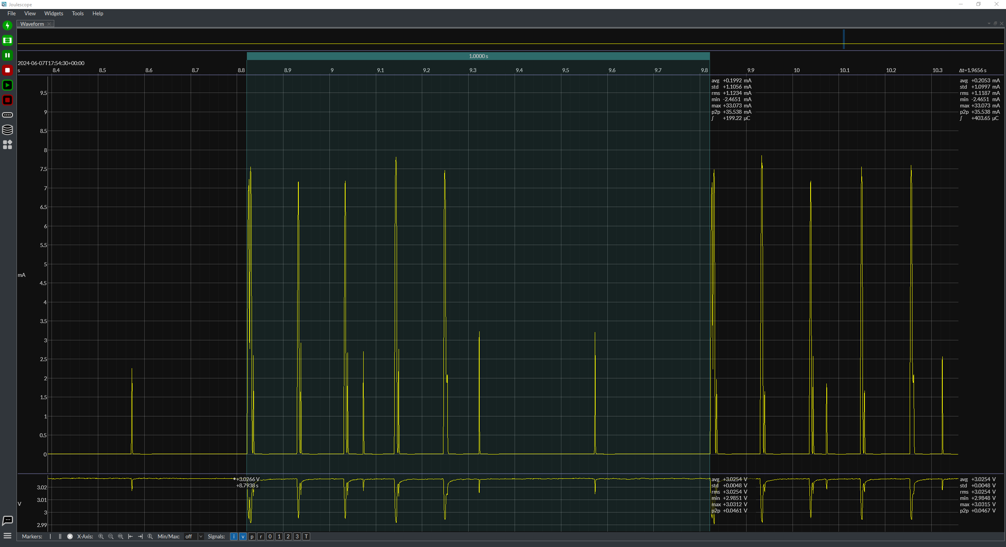
 |  |  |  |  |  |  |  |  |  | BLE fast reporting interval | Value | Unit
 |  |  |  |  |  |  |  |  |  | Current | 0.1992 | mA
 |  |  |  |  |  |  |  |  |  | Time | 1000 | ms

BLE Advertisements
Advertisement time has changed from 4ms to 14 ms for V4

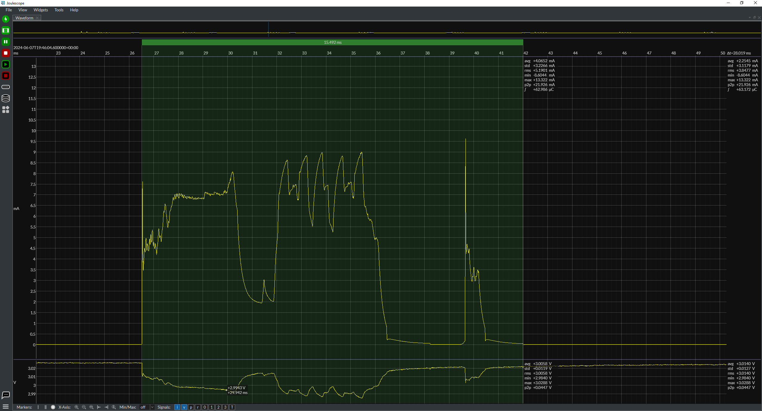
 |  |  |  |  |  |  |  |  |  | BLE Advertisements | Value | Unit
 |  |  |  |  |  |  |  |  |  | Current | 4.0652 | mA
 |  |  |  |  |  |  |  |  |  | Time | 15.492 | ms

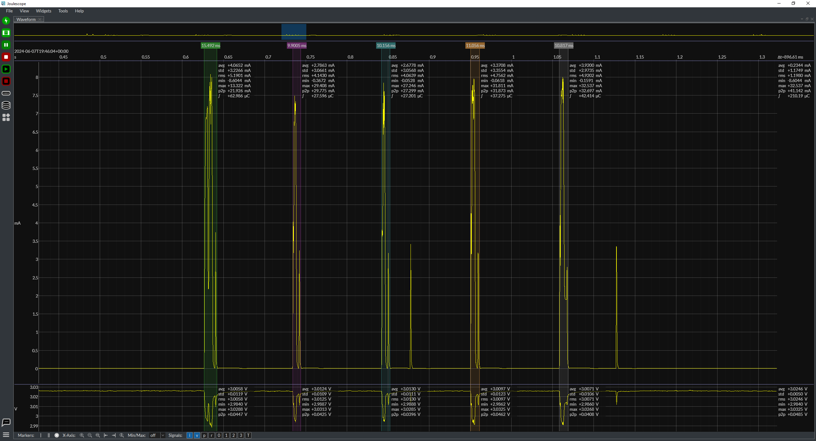

BLE Advertisements Interval

(interval has changed slightly)

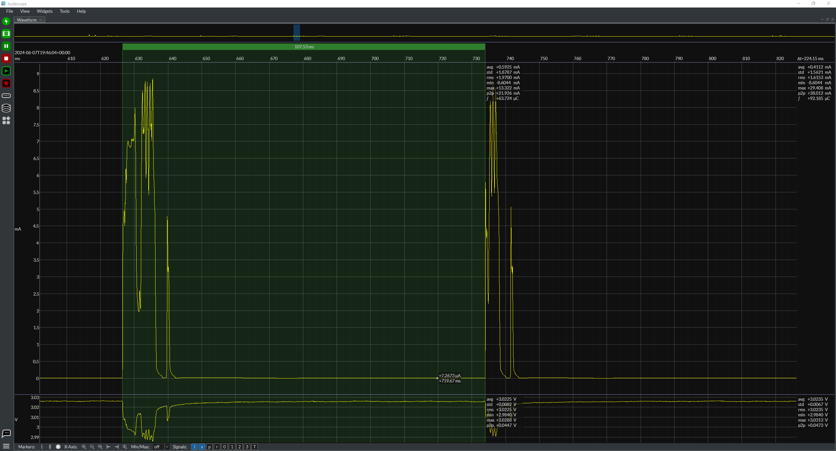
 |  |  |  |  |  |  |  |  |  | BLE Advertisements Interval | Value | Unit
 |  |  |  |  |  |  |  |  |  | Current | 0.5925 | mA
 |  |  |  |  |  |  |  |  |  | Time | 107.53 | ms

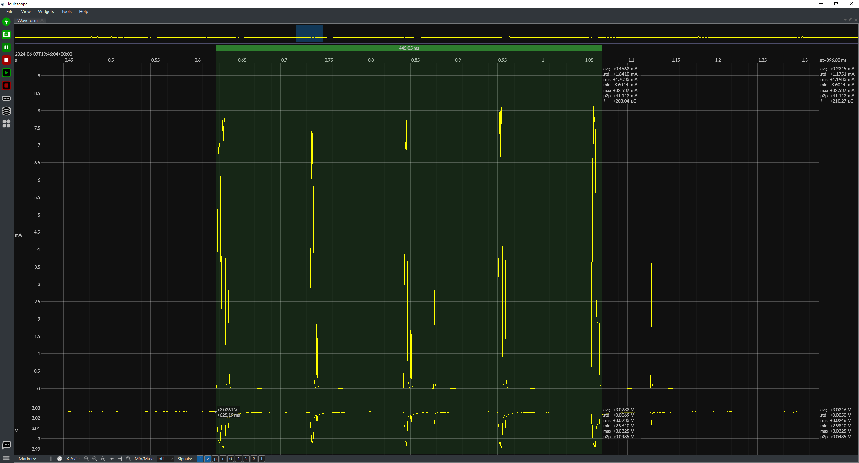

BLE Connection & Configuration

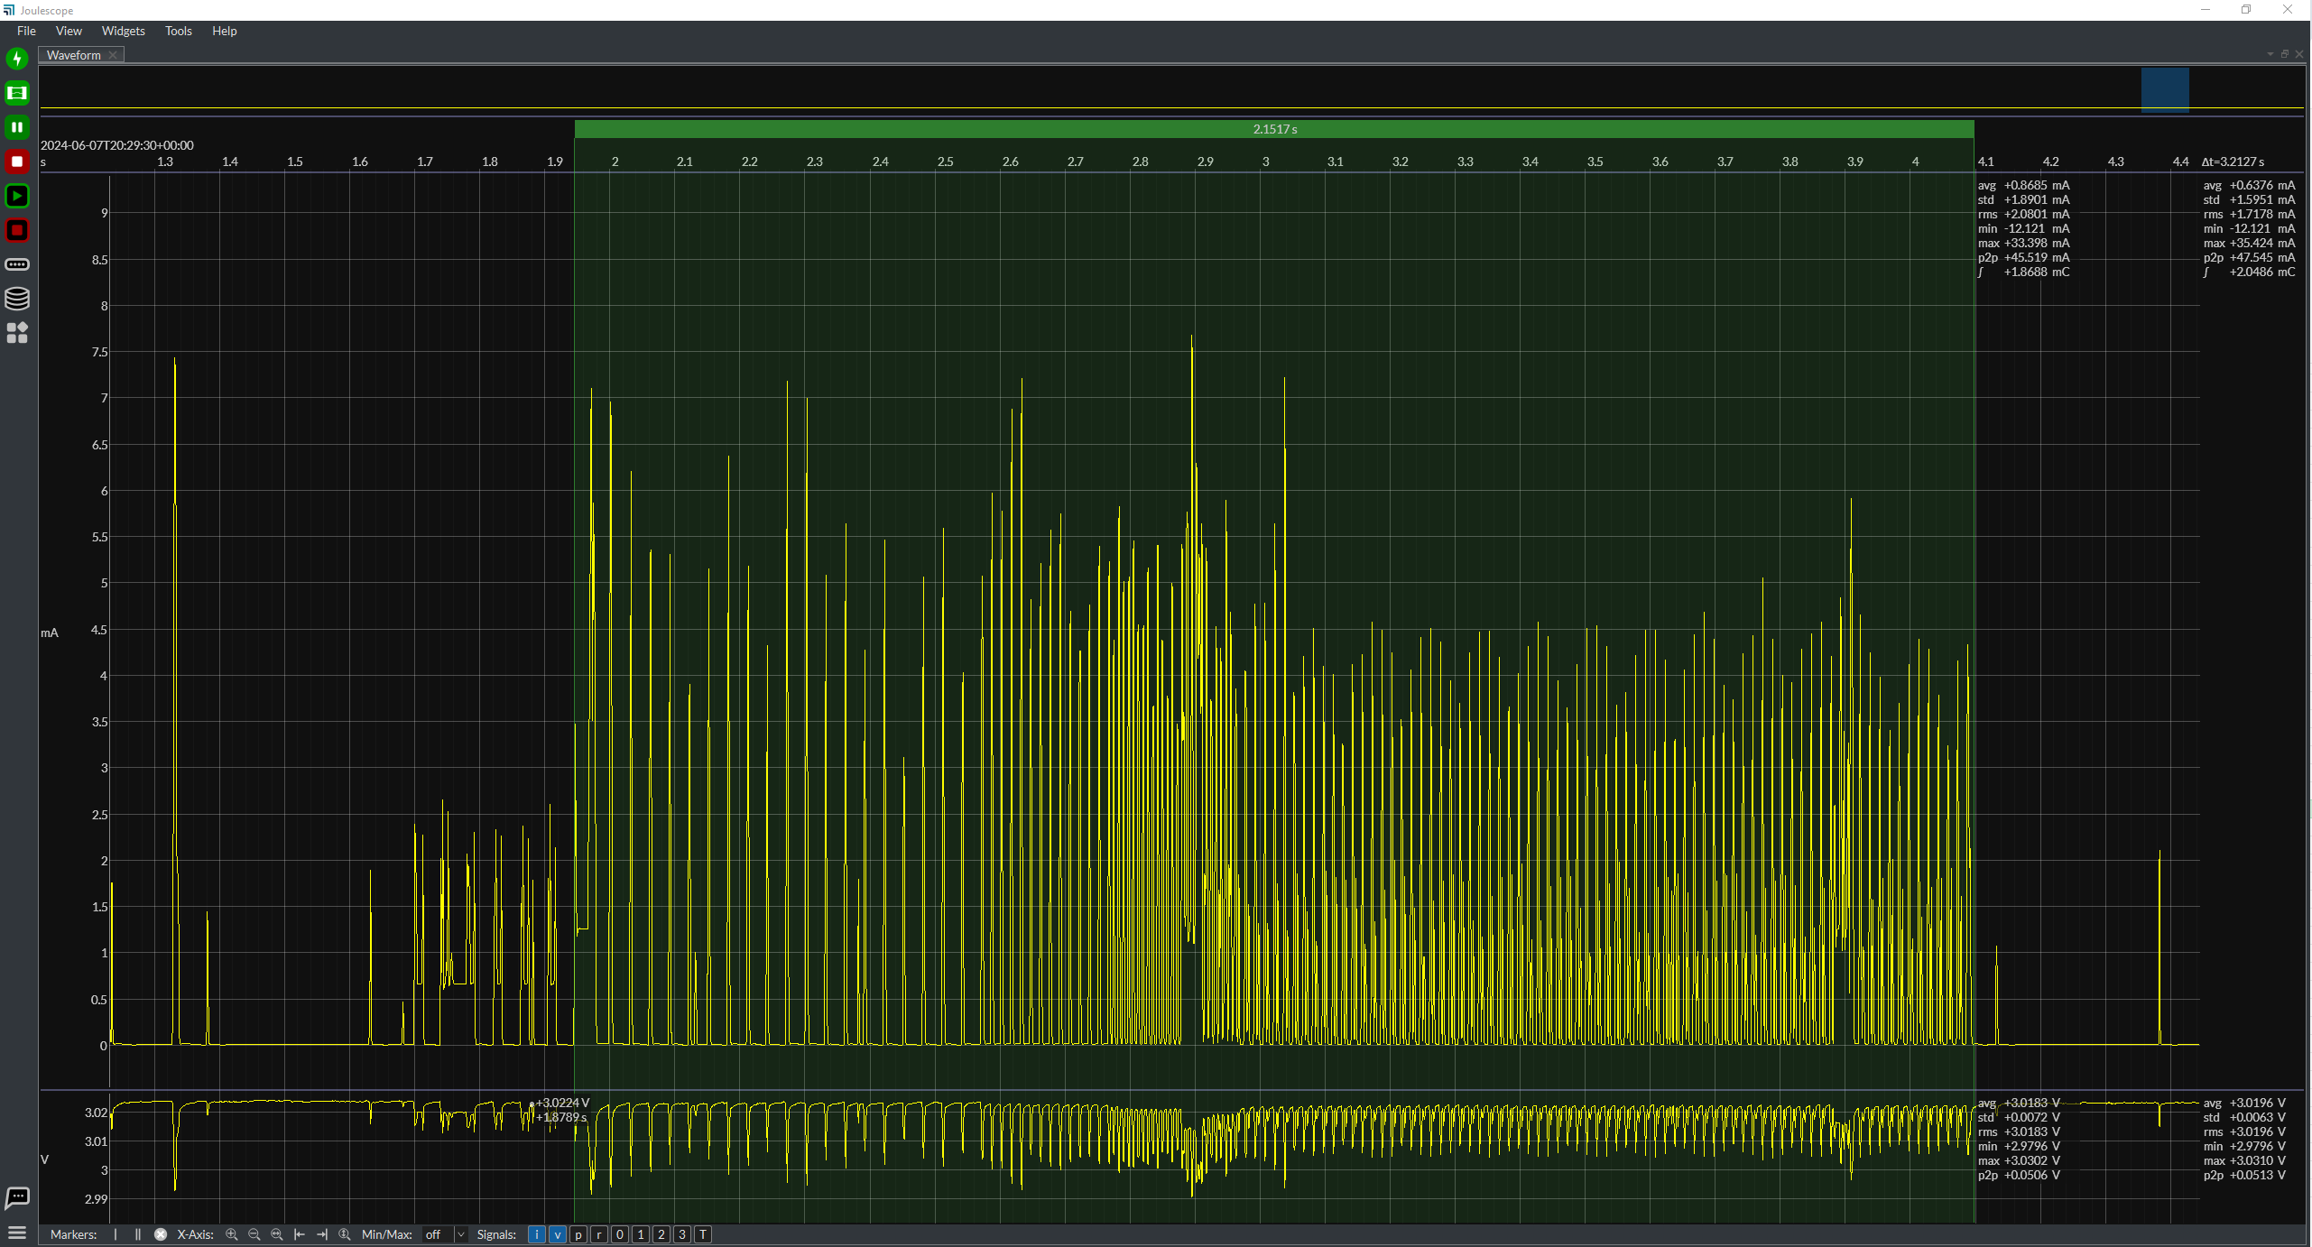

 |  |  |  |  |  |  |  |  |  | BLE Connection | Value | Unit
 |  |  |  |  |  |  |  |  |  | Current | 0.8685 | mA
 |  |  |  |  |  |  |  |  |  | Time | 2151.7 | ms

 |  |  |  |  |  |  |  |  |  | BLE Duress Timeout | Value | Unit
 |  |  |  |  |  |  |  |  |  | Current | 0.2667 | mA
BLE Duress Event |  |  |  |  |  |  |  |  |  | Time | 59934 | ms

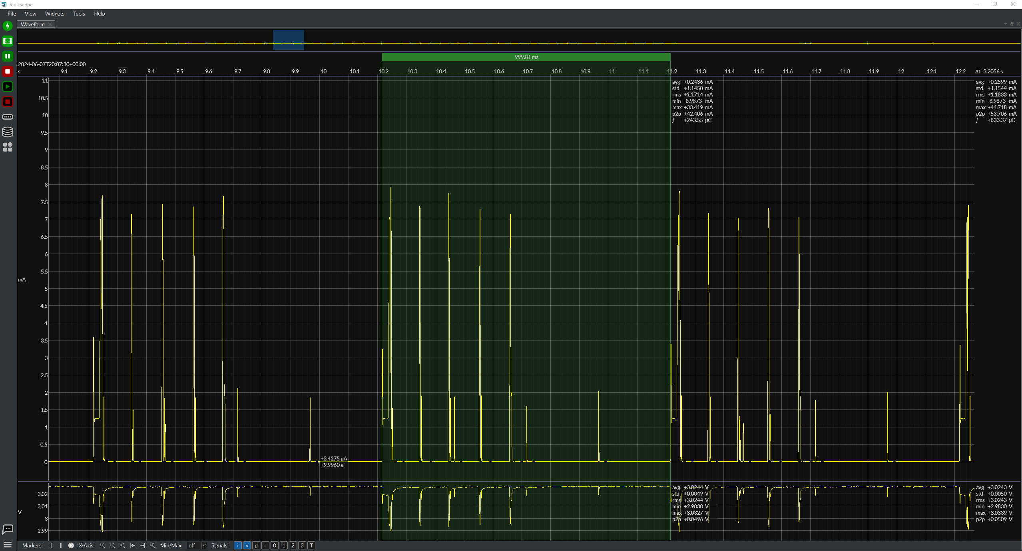

 |  |  |  |  |  |  |  |  |  | BLE Duress Event | Value | Unit
 |  |  |  |  |  |  |  |  |  | Current | 0.2436 | mA
 |  |  |  |  |  |  |  |  |  | Time | 999.81 | ms

 |  |  |  |  |  |  |  |  |  | BLE Duress Timeout

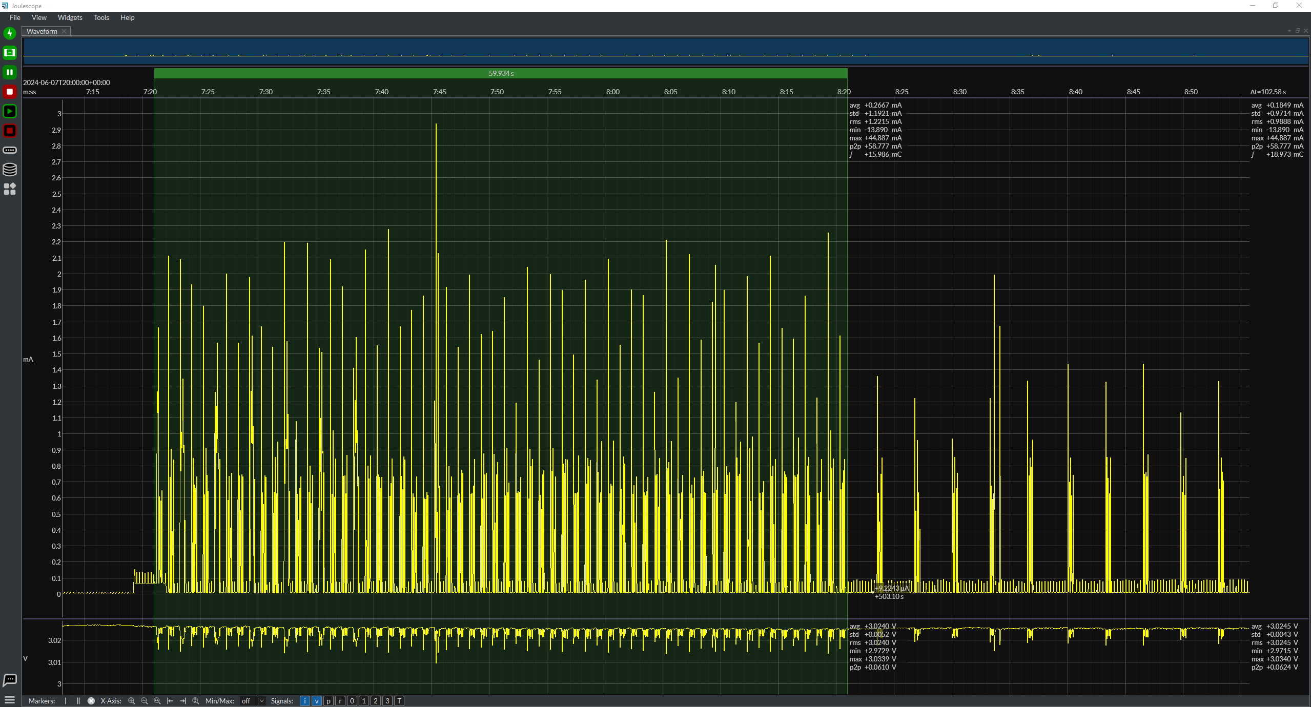

LBI Check
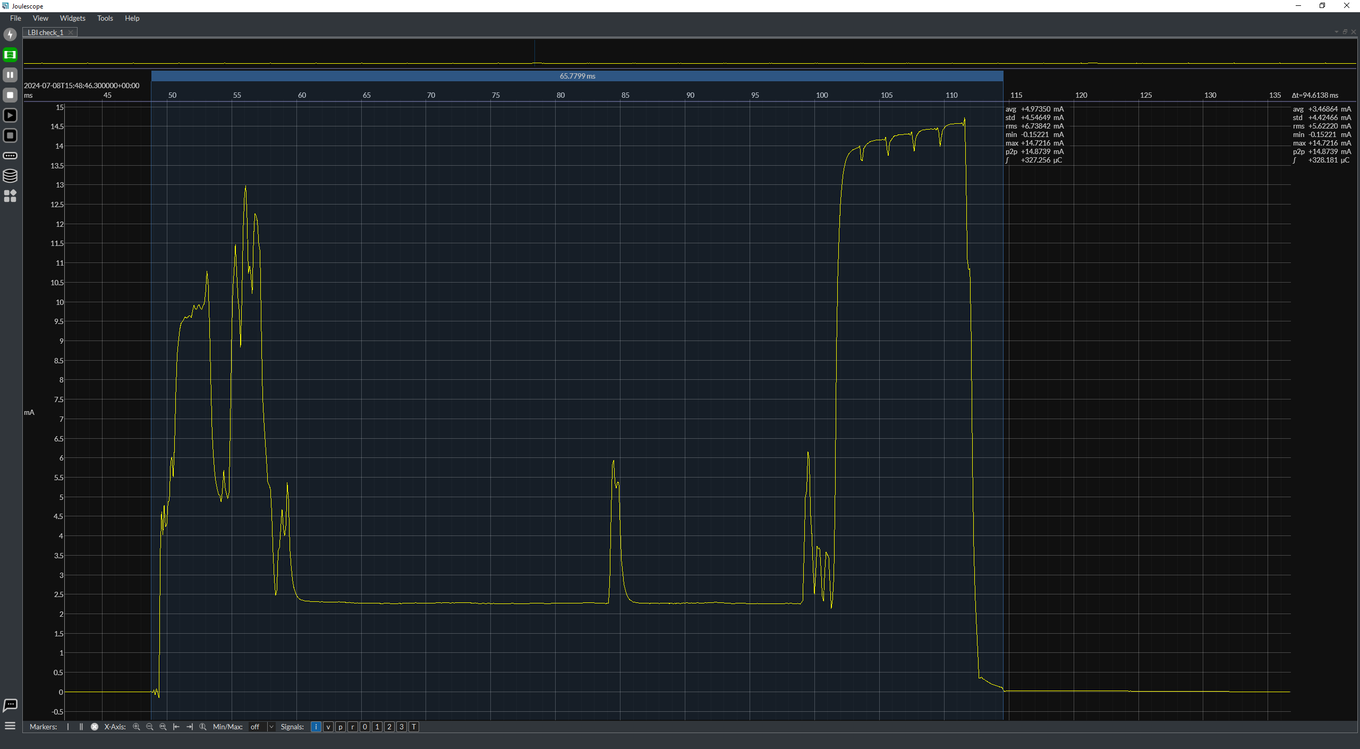

 |  |  |  |  |  |  |  |  |  | LBI Check (every 1 hr)
 |  |  |  |  |  |  |  |  |  | Current | 4.9735 | mA
 |  |  |  |  |  |  |  |  |  | Time | 65.7799 | ms

Temperature Check (every 1 min during awake sleep;5 mins in LBS mode)

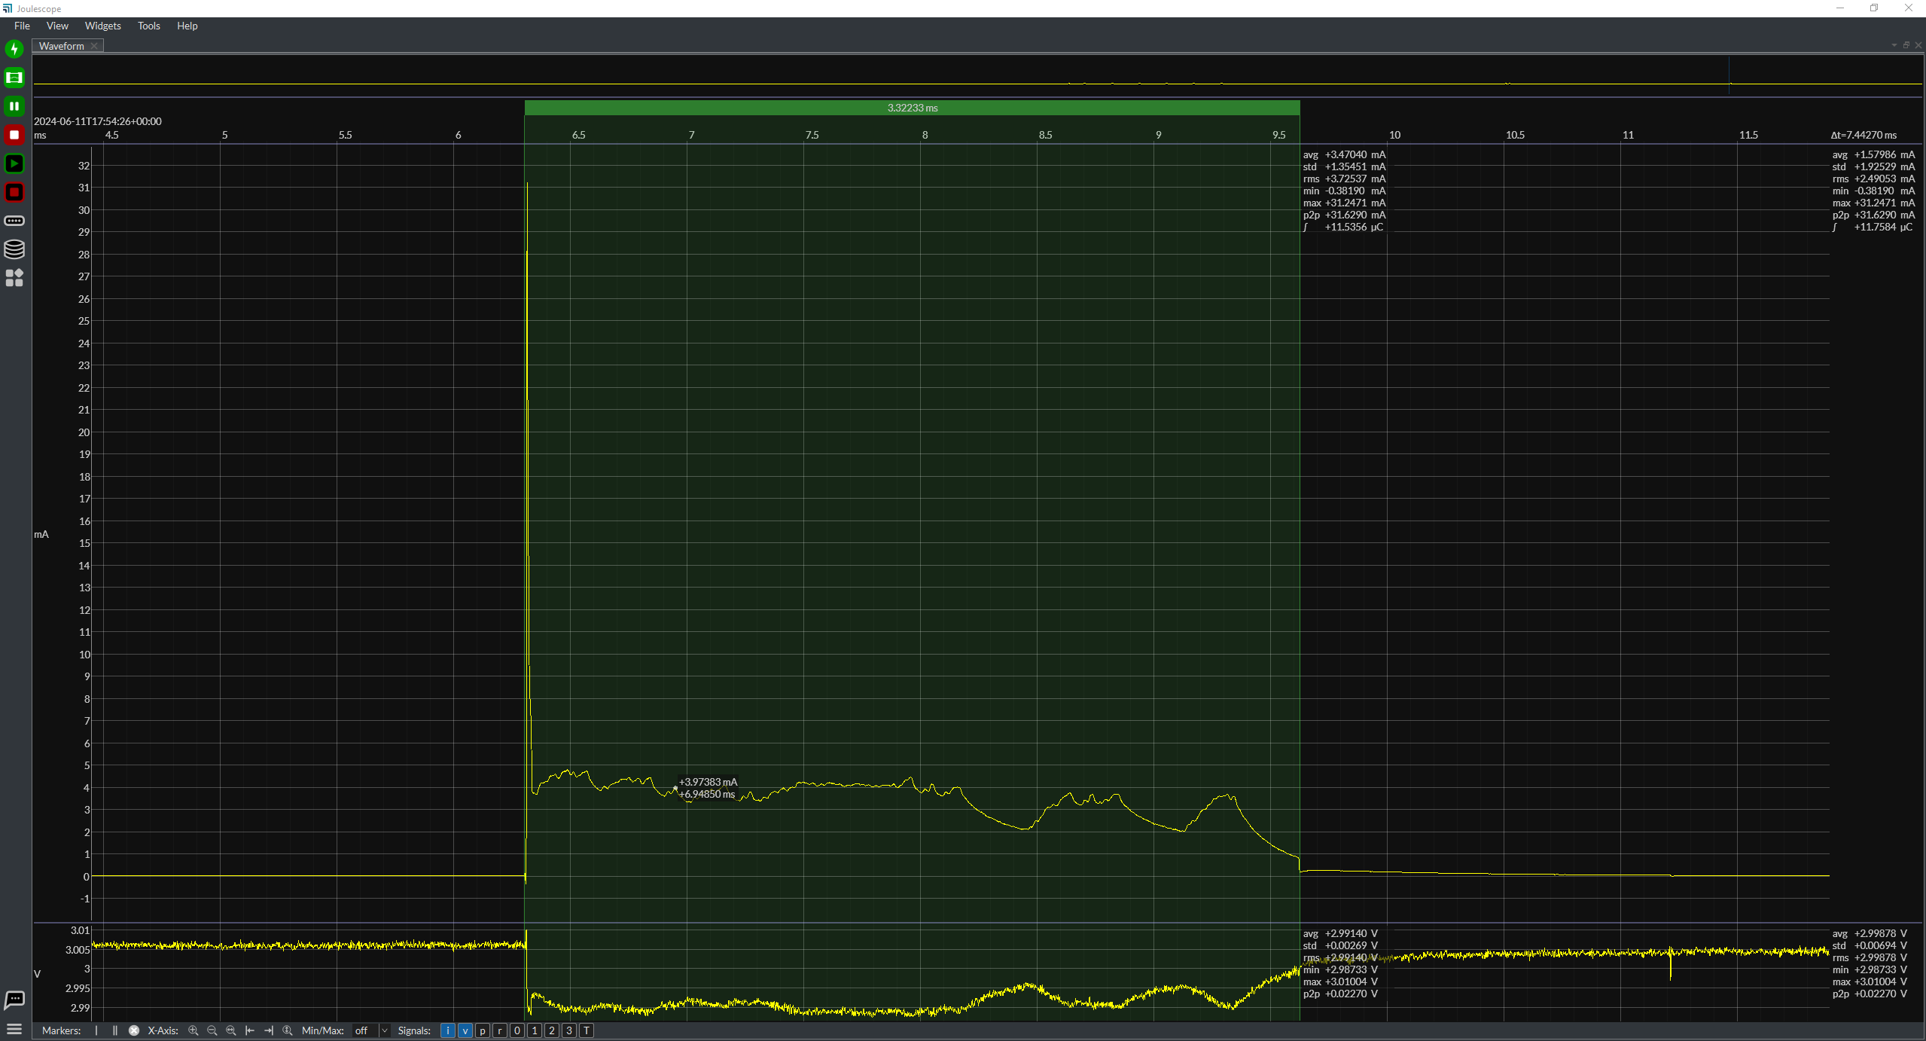
 |  |  |  |  |  |  |  |  |  | Temperature check
 |  |  |  |  |  |  |  |  |  | Current | 3.4701 | mA
 |  |  |  |  |  |  |  |  |  | Time | 3.32233 | ms

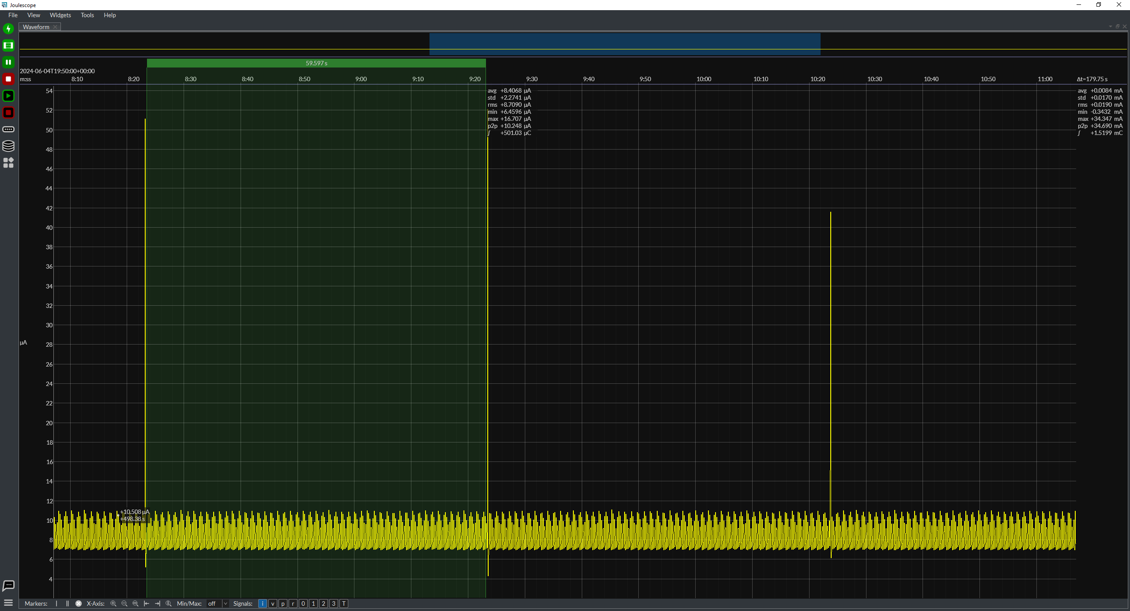

BLE duress while paging with IR markers



BLE Upgrade

BLE Upgrade through Mobile app | Value | Unit
Average current | 4.77645 | mA
Average Time | 20911.4 | ms



 |  |  |  |  |  |  |  |  |  | Column1 | Column2 | Column3

BLE Advertisements while paging





BLE advertisement interval



 |  |  |  |  |  |  |  |  |  | Wireless Upgrade [5 sec timeout with delay]
 |  |  |  |  |  |  |  |  |  | Wireless Upgrade Timeout | Value | Unit
 |  |  |  |  |  |  |  |  |  | Current | 0 | mA
 |  |  |  |  |  |  |  |  |  | Time | 0 | ms

 |  |  |  |  |  |  |  |  |  | Wireless Upgrade [5 sec timeout] No delay
 |  |  |  |  |  |  |  |  |  | Wireless Upgrade Timeout | Value | Unit
 |  |  |  |  |  |  |  |  |  | Current | 0 | mA
 |  |  |  |  |  |  |  |  |  | Time | 0 | ms

Short Button Press - Button 1 + RF + BLE Transitions+Blue LED 1 blink | Value | Unit
Average current per pulse (LF-RX Enabled) | 0.1731 | mA
Average Time per pulse | 3946.9 | ms



Short Button Press - Button 1 + RF + IR+ BLE Transitions+Blue LED 1 blink | Value | Unit
Average current per pulse (LF-RX Enabled) | 0.16607 | mA
Average Time per pulse | 2941.42 | ms



Short Button Press - Button 2 + RF + BLE Transitions+Blue LED 1 blink | Value | Unit
Average current per pulse (LF-RX Enabled) | 0.1342 | mA
Average Time per pulse | 2940.03 | ms



Short Button Press - Button 2 + RF +IR+ BLE Transitions+IR+Blue LED 1 blink | Value | Unit
Average current per pulse (LF-RX Enabled) | 0.22909 | mA
Average Time per pulse | 2551.64 | ms



Short Button Press - Button 3 + RF + BLE Transitions+Blue LED 1 blink | Value | Unit
Average current per pulse (LF-RX Enabled) | 0.19598 | mA
Average Time per pulse | 2512.39 | ms



Short Button Press - Button 3 + RF + BLE Transitions+IR+Blue LED 1 blink | Value | Unit
Average current per pulse (LF-RX Enabled) | 0.23103 | mA
Average Time per pulse | 3227.51 | ms



Short Button Press - Button 1,2 + RF + BLE Transitions+Blue LED 1 blink | Value | Unit
Average current per pulse (LF-RX Enabled) | 0.13985 | mA
Average Time per pulse | 2816.73 | ms



Short Button Press - Button 1,2 + RF + BLE Transitions+IR+Blue LED 1 blink | Value | Unit
Average current per pulse (LF-RX Enabled) | 0.16073 | mA
Average Time per pulse | 4287.7 | ms



Short Button Press - Button 1,3 + RF + BLE Transitions+Blue LED 1 blink | Value | Unit
Average current per pulse (LF-RX Enabled) | 0.14986 | mA
Average Time per pulse | 2742.01 | ms



Short Button Press - Button 1,3 + RF + BLE Transitions+IR+Blue LED 1 blink | Value | Unit
Average current per pulse (LF-RX Enabled) | 0.12754 | mA
Average Time per pulse | 3910.26 | ms



Short Button Press - Button 2,3 + RF + BLE Transitions+Blue LED 1 blink | Value | Unit
Average current per pulse (LF-RX Enabled) | 0.12105 | mA
Average Time per pulse | 3305.5 | ms



Short Button Press - Button 2,3+ RF + BLE Transitions+IR+Blue LED 1 blink | Value | Unit
Average current per pulse (LF-RX Enabled) | 0.19839 | mA
Average Time per pulse | 3475.34 | ms



Short Button Press - Button 1,2,3 + RF + BLE Transitions+Blue LED 1 blink | Value | Unit
Average current per pulse (LF-RX Enabled) | 0.18358 | mA
Average Time per pulse | 3389.78 | ms



Short Button Press - Button 1,2,3 + RF + BLE Transitions+IR+Blue LED 1 blink | Value | Unit
Average current per pulse (LF-RX Enabled) | 0.20695 | mA
Average Time per pulse | 4453.64 | ms



Long Button Press - Button 3L+ RF + BLE Transitions+Blue LED 1 blink | Value | Unit
Average current per pulse (LF-RX Enabled) | 0.19127 | mA
Average Time per pulse | 3358.67 | ms



Long Button Press - Button 3L+ RF + BLE Transitions+IR+Blue LED 1 blink | Value | Unit
Average current per pulse (LF-RX Enabled) | 0.17867 | mA
Average Time per pulse | 3663.99 | ms



Long Button Press - Button 1L+ RF + BLE Transitions+Blue LED 1 blink | Value | Unit
Average current per pulse (LF-RX Enabled) | 0.17271 | mA
Average Time per pulse | 3324.81 | ms



Long Button Press - Button 1L+ RF + BLE Transitions+IR+Blue LED 1 blink | Value | Unit
Average current per pulse (LF-RX Enabled) | 0.18537 | mA
Average Time per pulse | 4335.01 | ms



Long Button Press - Button 2L+ RF + BLE Transitions+Blue LED 1 blink | Value | Unit
Average current per pulse (LF-RX Enabled) | 0.16767 | mA
Average Time per pulse | 2608.62 | ms



Long Button Press - Button 2L+ RF + BLE Transitions+IR+Blue LED 1 blink | Value | Unit
Average current per pulse (LF-RX Enabled) | 0.14679 | mA
Average Time per pulse | 4347.22 | ms



Long Button Press - Button 1L,2L+ RF + BLE Transitions+Blue LED 1 blink | Value | Unit | (not tested with V6 because the event happens with IR and then enter duress)
Average current per pulse (LF-RX Enabled) | 0.2865 | mA
Average Time per pulse | 2656.6 | ms



Long Button Press - Button 1L,2L+ RF + BLE Transitions+IR+Blue LED 1 blink | Value | Unit
Average current per pulse (LF-RX Enabled) | 0.18817 | mA
Average Time per pulse | 4382.97 | ms



Double Button Press - Button 1D+ RF + BLE Transitions+Blue LED 1 blink | Value | Unit
Average current per pulse (LF-RX Enabled) | 0.2046 | mA
Average Time per pulse | 2486.45 | ms |  |  |  |  | Double button press



Double Button Press - Button 1D+ RF + BLE Transitions+IR+Blue LED 1 blink | Value | Unit
Average current per pulse (LF-RX Enabled) | 0.21656 | mA
Average Time per pulse | 3063.4 | ms



Double Button Press - Button 2D+ RF + BLE Transitions+Blue LED 1 blink | Value | Unit
Average current per pulse (LF-RX Enabled) | 0.19012 | mA
Average Time per pulse | 2800.11 | ms



Double Button Press - Button 2D+ RF + BLE Transitions+IR+Blue LED 1 blink | Value | Unit
Average current per pulse (LF-RX Enabled) | 0.16924 | mA
Average Time per pulse | 2859.11 | ms



Double Button Press - Button 1D,2D+ RF + BLE Transitions+Blue LED 1 blink | Value | Unit
Average current per pulse (LF-RX Enabled) | 3.01145 | mA
Average Time per pulse | 7003.78 | ms




Double Button Press - Button 1D,2D+ RF + BLE Transitions+IR+Blue LED 1 blink | Value | Unit
Average current per pulse (LF-RX Enabled) | 3.54346 | mA
Average Time per pulse | 5979.04 | ms




Double Button Press - Button 3D+ RF + BLE Transitions+Blue LED 1 blink | Value | Unit
Average current per pulse (LF-RX Enabled) | 1.74 | mA
Average Time per pulse | 3205.54 | ms



Double Button Press - Button 3D+ RF + BLE Transitions+IR+Blue LED 1 blink | Value | Unit
Average current per pulse (LF-RX Enabled) | 1.24129 | mA
Average Time per pulse | 4820.61 | ms

BLE Advertisement














V4 default 5 pings 100ms interval |  |  |  |  |  | V23 default 5 pings 100ms interval | V4 modified First 2 pings | mA | ms | V4 modified First 3 pings | mA | ms | V4 modified First 4 pings | mA | ms | V4 modified First ping | mA | ms | V4 modified First ping reduced | mA | ms
 |  |  |  |  |  |  |  | 0.69332 | 127.8 |  | 0.49949 | 233.83 |  | 0.48753 | 328.265 |  | 3.87051 | 13.7572 |  | 3.82169 | 11.5009
 |  |  |  |  |  |  |  | 0.60974 | 136.716 |  | 0.53705 | 231.556 |  | 0.44429 | 333.208 |  | 3.77437 | 14.1362 |  | 3.78999 | 11.8418
 |  |  |  |  |  |  |  | 0.7552 | 118.762 |  | 0.537 | 219.918 |  | 0.48153 | 339.16 |  | 4.26409 | 14.8057 |  | 4.11035 | 12.1331
 |  |  |  |  |  |  |  | 0.68608666667 | 127.75933333 |  | 0.52451333333 | 228.43466667 |  | 0.47111666667 | 333.54433333 |  | 3.9696566667 | 14.233033333 |  | 3.9073433333 | 11.825266667









 | V4 |  |  | V23
 | mA | ms |  | mA | ms
 | 0.43168 | 443.548 |  | 0.56215 | 442.524
 | 0.41137 | 440.443 |  | 0.57317 | 455.367
 | 0.43673 | 450.124 |  | 0.5605 | 446.637
 | 0.42659333333 | 444.705 |  | 0.56527333333 | 448.176

 |  |  | from V23 to V4:
 |  |  | -24.53%

BF1
V10 – Initial Peak duration: 3.91ms and current 4.75mA

 | mA | ms | mA*ms
 | 4.75 | 3.91 | 18.5725 |  | mA | ms | mA*ms
 |  |  |  | 5 ping burst | 0.42659333333 | 444.705 | 189.7081883

 |  |  |  | reduction in charge | 10.4101

 |  |  |  | 5 ping burst (optimized) | 0.40441201362 | 443.355 | 179.2980883

V09 – Initial Peak duration: 5.26ms and current 5.51mA

 | mA | ms | mA*ms
 | 5.51 | 5.26 | 28.9826

Lists
Active Paging Rate (ms)
12500
9500
6500
24500

IR Report Rate (ms)
24000
48000
120000
300000

RF Report Rate (ms)
6000
12000
24000
48000

IR Profile (s) | Power
1.5 | LOW
3 | MEDIUM
6 | HIGH

LF Power Levels
1
2
3

Battery Cells
1
2

Binary
0 | TRUE
1 | FALSE

Proximity Sensor Interval (ms)
250
500
1000
2000
10000
30000
60000
N/a

Battery | Capacity (mAh)
CR2032 | 220
CR2032H | 240
CR2430 | 285
CR2450N | 540
CR2450 | 620
CR2477 | 950
ER32L65 | 1000
1/2AA | 1200
CR123A | 1500

TCP or UDP Protocol
TCP
UDP

Operating Modes
900 MHz Only | 0
900 MHz and BLE | 1
BLE Only

TCP / UDP Profile Pull / Wireless Upgrade Check (ms) | hours
21600000 | 6
43200000 | 12
86400000 | 24
172800000 | 48
259200000 | 72
604800000 | 168

Wireless Upgrade Timeout | sec
3000 | 3
5000 | 5 | 27


BLE Report Rate (ms)
Active (ms) | Sleep (ms)
3000 | 300000
6000 | 600000
1000 | 900000

12000 | 1800000
24000 | 2700000
48000 | 3600000

BLE Duress TimeOut (ms) | BLE Duress Rate (ms)
30000 | 250
60000 | 500
90000 | 1000
120000 | 2000


BLE in 900 MHz
TRUE
FALSE

IR-RX / BLE IR-RX profile
0
1
2
3
4
5
6
7
8
9
10
11
12
13
14
15
16
17
18
19
20


BLE Fast Reporting (s)
1800
3600
7200
21600
43200

Number of BLE Pings
1
2
3
4
5

